game-results
tourney-id | tourney-name | game | date-time | scoring-player | point-type | opponent | is-won
some guid | mita | 1 | some datetime | Tom | score | Valeria | FALSE
some guid | mita | 1 | some datetime | Valeria | klask | Tom | FALSE | Hmm… At least 6 rows per game… Can this be transformed into a game winner… And other stats???
some guid | mita | 1 | some datetime | Valeria | score | Tom | FALSE
some guid | mita | 1 | some datetime | Tom | biscuit | Valeria | FALSE | Transformed with JS/TS ! ! !
some guid | mita | 1 | some datetime | Tom | score | Valeria | FALSE
some guid | mita | 1 | some datetime | Tom | score | Valeria | FALSE
some guid | mita | 1 | some datetime | Valeria | biscuit | Tom | FALSE
some guid | mita | 1 | some datetime | Valeria | score | Tom | FALSE
some guid | mita | 1 | some datetime | Valeria | loss-control | Tom | FALSE
some guid | mita | 1 | some datetime | Valeria | score | Tom | TRUE
some guid | mita | 2 | some datetime | Trevor | forfeit | Valeria
some guid | mita | 2 | some datetime | Trevor | forfeit | Valeria
some guid | mita | 2 | some datetime | Trevor | forfeit | Valeria |  | What about forfeits ? ? ? Who forfeited ? ? ? Do we care ? ? ?
some guid | mita | 2 | some datetime | Trevor | forfeit | Valeria
some guid | mita | 2 | some datetime | Trevor | forfeit | Valeria
some guid | mita | 2 | some datetime | Trevor | forfeit-Valeria | Valeria |  | Hmm, possible, but ugly ! ! ! May regret : - )
Flat versus document... Maybe like this ? ? ?
{
tourney-id: game-number:
winner: loser: points: []
}
some guid | mita | 3 | some datetime | Tom | forfeit | Valeria
some guid | mita | 3 | some datetime | Tom | forfeit | Valeria |  | Opponent column better ! ! !
some guid | mita | 3 | some datetime | Tom | forfeit | Valeria
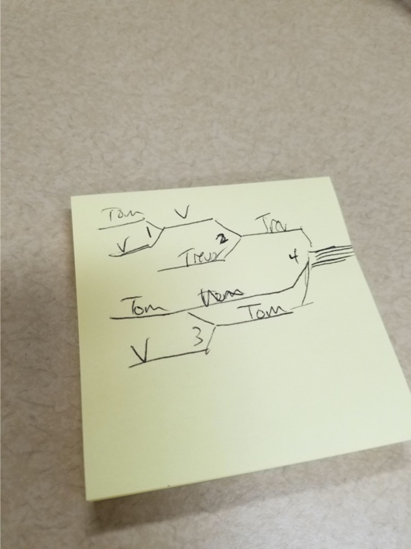
some guid | mita | 3 | some datetime | Tom | forfeit | Valeria
some guid | mita | 3 | some datetime | Tom | forfeit | Valeria
some guid | mita | 3 | some datetime | Tom | forfeit | Valeria
some guid | mita | 4 | …

