Sheet1
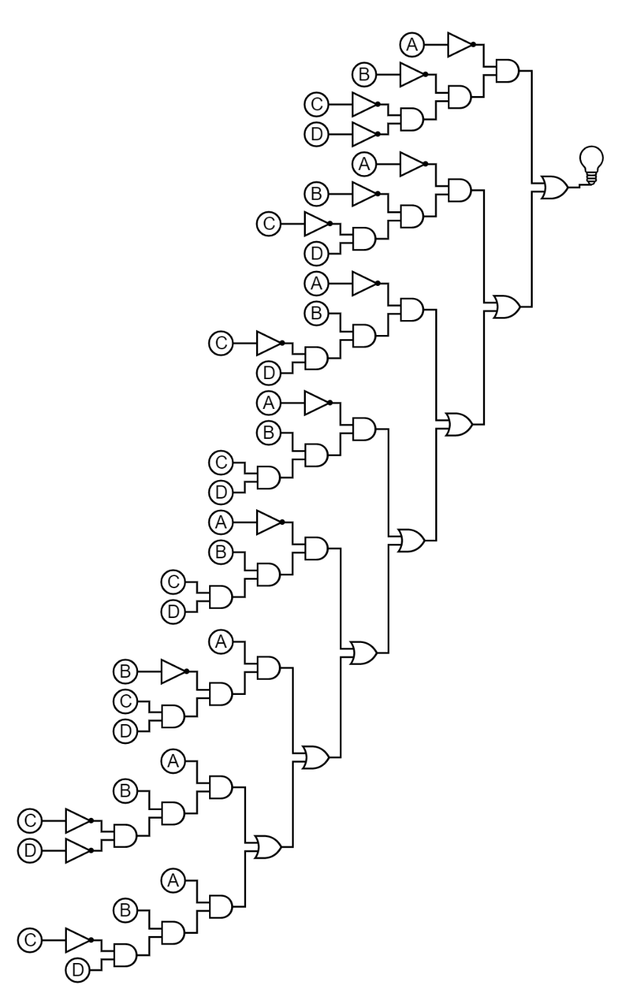
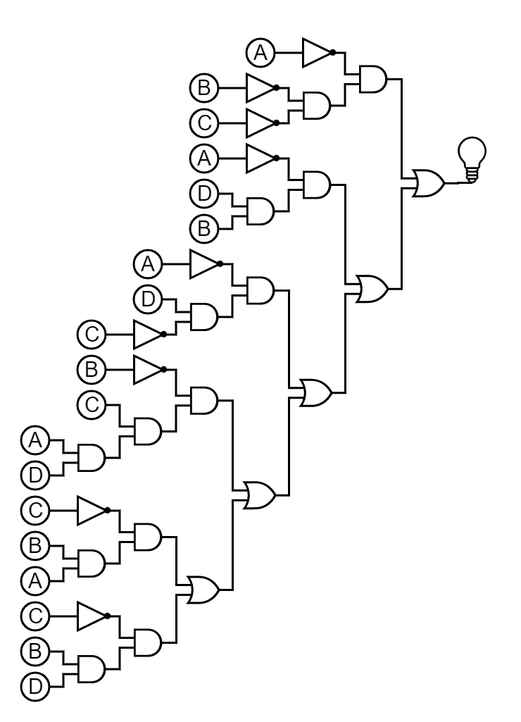
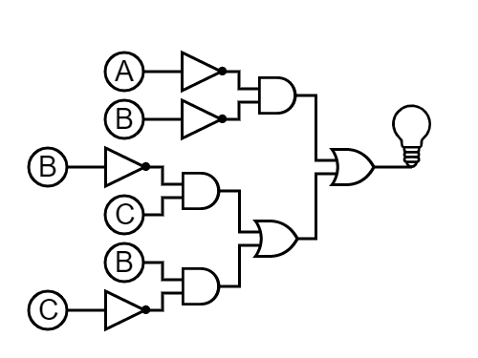
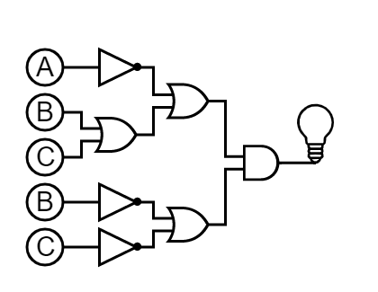
part 1 |  | ~B~C | ~BC | B~C | BC | A | B | C | I | Minterm | mn | Maxterm | Mn | !A!B + !BC + B!C | (!A+B+C)(!B+!C)
 |  | 00 | 01 | 10 | 11 | 0 | 0 | 0 | 1 | !A!B!C | m0 | !A+!B+!C | M0
~A | 0 | 1 | 1 | 1 | 0 | 0 | 0 | 1 | 1 | !A!BC | m1 | !A+!B+C | M1
A | 1 | 0 | 1 | 1 | 0 | 0 | 1 | 0 | 1 | !AB!C | m2 | !A+B+!C | M2
!A!B!C + !A!BC |  | !A!B | (!A+!B+!C )(!A+!B+C) |  | !A+!B | 0 | 1 | 1 | 0 | !ABC | m3 | !A+B+C | M3
!A!BC + A!BC |  | !BC | (!A+!B+C)(A+!B+C) |  | !B+C | 1 | 0 | 0 | 0 | A!B!C | m4 | A+!B+!C | M4
!AB!C + AB!C |  | B!C | (!A+B+!C)(A+B+!C) |  | B+!C | 1 | 0 | 1 | 1 | AB!C | m5 | A+!B+C | M5
!A!B + !BC + B!C |  | SOP | (!A+!B)(!B+C)(B+!C) |  | POS | 1 | 1 | 0 | 1 | AB!C | m6 | A+B+!C | M6
 |  |  | (!A+B+C)(!B+!C) |  |  | 1 | 1 | 1 | 0 | ABC | m7 | A+B+C | M7

PART 5
A | B | C | D | Out | Minterm | Maxterm | SOP:
0 | 0 | 0 | 0 | 1 | !A!B!C!D | !A+!B+!C+!D | !A!B!C!D + !A!B!CD +!AB!CD+!ABCD+A!BCD+AB!C!D+AB!CD
0 | 0 | 0 | 1 | 1 | !A!B!CD | !A+!B+!C+D | !A!C!B+!ADB+!AD!C+A!BCD+AB!C
0 | 0 | 1 | 0 | 0 | !A!BC!D | !A+!B+C+!D | POS:
0 | 0 | 1 | 1 | 0 | !A!BCD | !A+!B+C+D | (!A+!B+!C+!D)(!A+!B+!C+D)(!A+B+!C+D)(!A+B+C+D)(A+!B+C+D)(A+B+!C+!D)(A+B+!C+D)
0 | 1 | 0 | 0 | 0 | !AB!C!D | !A+B+!C+!D | (!A + !B+ !C)(!A + B +C)(A + !B + D)(A +B + !C)(!C +D)
0 | 1 | 0 | 1 | 1 | !AB!CD | !A+B+!C+D
0 | 1 | 1 | 0 | 0 | !ABC!D | !A+B+C+!D
0 | 1 | 1 | 1 | 1 | !ABCD | !A+B+C+D
1 | 0 | 0 | 0 | 0 | A!B!C!D | A+!B+!C+!D
1 | 0 | 0 | 1 | 0 | A!B!CD | A+!B+!C+D
1 | 0 | 1 | 0 | 0 | A!BC!D | A+!B+C+!D
1 | 0 | 1 | 1 | 1 | A!BCD | A+!B+C+D
1 | 1 | 0 | 0 | 1 | AB!C!D | A+B+!C+!D
1 | 1 | 0 | 1 | 1 | AB!CD | A+B+!C+D
1 | 1 | 1 | 0 | 0 | ABC!D | A+B+C+!D
1 | 1 | 1 | 1 | 0 | ABCD | A+B+C+D
!A!C!B+!ADB+!AD!C+A!BCD+AB!C |  |  |  |  |  |  | (!A + !B+ !C)(!A + B +C)(A + !B + D)(A +B + !C)(!C +D)

