Sheet1
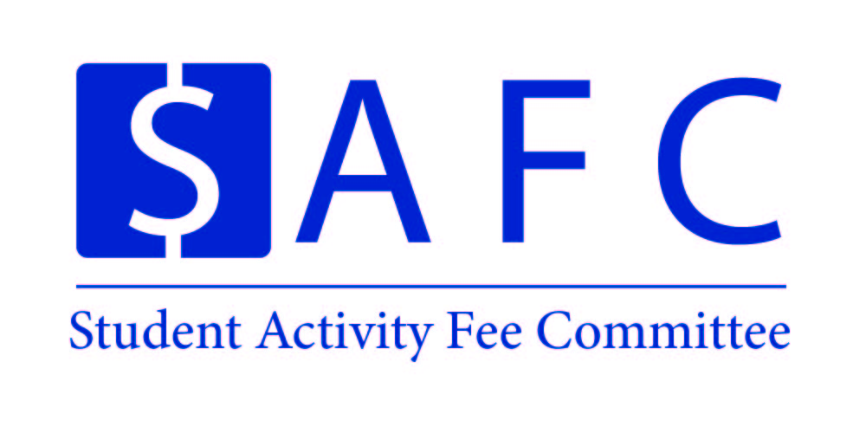 |  |  |  |  | Organization Name |  | Event Name
 |  |  |  |  | UNH SEDS |  | SpaceVision

 |  |  |  |  | Event Date: | November 1st | Location: |  | San Diego
 |  |  |  |  | Time: |  | PPR Due: |  | #VALUE!

Proposed Expenses |  |  |  |  | Amount | Amended Expenses |  |  |  |  | Amount
SpaceVision
Airplane Ticket and General Travel |  |  |  |  | $6,880
Hotel Housing (3 Nights) |  |  |  |  | $1,600
Admission to the SEDS Conference |  |  |  |  | $1,360

Average $440.00 per Round-Trip Flight
(16*$430 = $6,880
$100.00 per student for Hotel Stay (3 Nights)
(16*$100=$1,600)
$85.00 entrance fee for the Entire Conference
(16*$85 = $1360

The 16 UNH Students going paid all expenses upfront. UNH SEDS seeks financial assistance in reimbursing each student $65.00 for attending this conference representing UNH.
Powerpoint Presentation Provided.

Total Expenses |  |  |  |  | 9,840.00 | Total Expenses: |  |  |  |  | 0.00

Attendance: |  |  |  |  |  | Attendance:
Students | 16 | @ | $550 | = | $8,800 | Students | 0 | @ | $- | = | $-
Non-Students | 5000 | @ | $- | = | $- | Non-Students | 0 | @ | $- | = | $-
Additional Revenue |  |  |  |  |  | Additional Revenue
Total Revenue |  |  |  |  | $8,800 | Total Revenue |  |  |  |  | $-

Total SAF Subsidy |  |  |  |  | $1,040 | Total SAF Subsidy |  |  |  |  | $-
Cost Per Student |  |  |  |  | $65 | Cost Per Student |  |  |  |  | #DIV/0!
Organization/Event Information
Primary Contact: | Charlie Nitschelm |  |  |  |  | Secondary Contact: | Ross Thyne
Email: | cjn1012@wildcats.unh.edu |  |  |  |  | Email: | rdt1002@wildcats.unh.edu
Notice: The Post-Programming Report for this event is due two weeks after the event has concluded, or until all receipts have come in. Please email SAF.CFO1@unh.edu or SAF.CFO2@unh.edu if you have any questions about the Proposal or PPR process.

