About
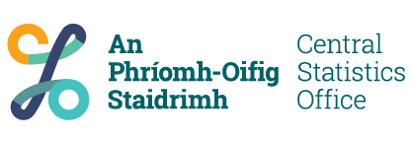

Table
Code | F2022
Name | Weekly Rent of Rented Private Households and Average rent in Permanent Housing Units
Frequency | Annual
Last Updated | 27/07/2023 11:00:00
Note
Url | https://ws.cso.ie/public/api.restful/PxStat.Data.Cube_API.ReadDataset/F2022/XLSX/2007/en

Product
Code | C2022P2
Name | Profile 2 - Housing in Ireland

Contacts
Name | Bernie Casey
Email | census@cso.ie
Phone | (+353) 1 895 1460

Copyright
Code | CSO
Name | Central Statistics Office, Ireland
Url | https://www.cso.ie/

Properties
Official Statistics | Yes
Exceptional | No
Archived | No
Analytical | No
Frontier Series | No

Language
ISO Code | en
ISO Name | English

