PRD
Product Requirement Document (PRD) - Version: 1.0

Template Name |  | Online vet consultation
Goals & Objective |  | It is a digital platform that provides immediate medical assistance or information to pet owners facing urgent need for their pets or emergencies via the internet. These services are used to connect individuals with veterinarians. Veterinarians are medical professionals who specialize in the diagnosis, treatment, and care of animals. Our webpage ensures timely and potentially life-saving support. From this website user/veterinarian can : -Can quickly connect with a vet for emergencies. -can book for vet and grooming appointments. -Personalize user profiles. -Can leave reviews and ratings for services. -Rate and review veterinarians. -Can easily access to pet food and accessories.
Client Information |  | Client can be a pet owner or a doctor "veterinarian" |  |  |  | Name | ID
Product Type |  | Web Application |  |  |  | Sadiah Alansar | 21-45612-3
Domain |  | Web2 |  |  |  | Afsana Sultana | 20-42230-1
Access Layers |  | User, Miner |  |  |  | MD. SAJID JOARDDER | 20-42230-1
Design Required |  | Yes |  |  |  | IMRAN HOSSAIN | 21-44800-1

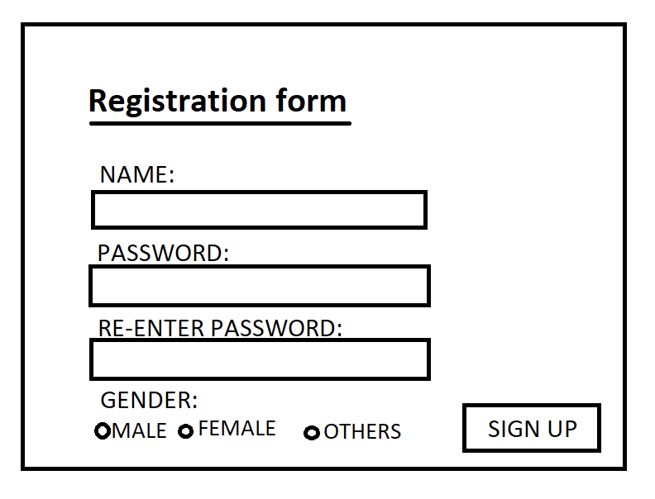
Phase | Item No | Specification [Role] | Screen Definition | User Story | Acceptance Criteria | UI Screen / Wireframe | Tags
Feature: 1 |  | Auth Feature for customer
phase 1 | 1 | Register [User] | <Form> <input=name> <input=gender> <input=password> <input=re-password> <button=register> <link=register> | - Enter Full name (input) - Enter unregistered email (input) - Enter password (input) [Logic: At least 8 characters long, atleast one special character] - Enter password again (input) [Logic: should match password input] - Choose user type [user] - choose gender type - Click Signup (button) [Logic: If the email is unique, user will be registered to the sysmem (databse)] | - Password (input) should be minimum 8 characters long. Otherwise show an invalid message. - Re-password (input) should match password. Otherwise show 'password do not match' message. - User type must be selected. Otherwise show 'Please select a user type'. - On clicking signup button, credential will be stored in database, user will be redirected to his dashboard. -user will have to select thier gender |  | register
phase 1 | 2 | Login [User] | <Form> <input=password> <option=remember me> <button=login> <link=signup> <link=forgot password> | =C38- Enter password (input) - signin (button) - signup (link) - forgot password (link) | - password must match database password - User is promt with an error. "password does not match!". (if password match with database) - clicking signup should take user to registration page - clicking forgot password should take him to forgot password page | 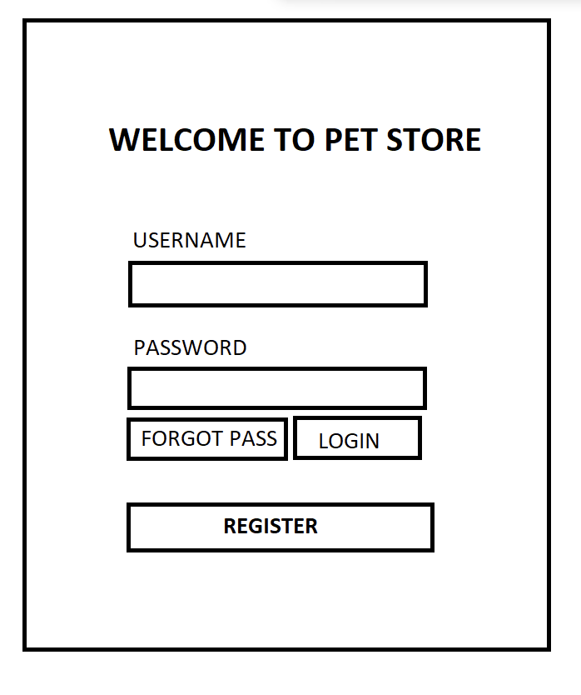 | login
phase 1 | 3 | Forgot password[user] | <Form> <input=email> <button=send code> <input=code> <input=password> <input=confirm Password> <button=submit> | - Enter email (input) - Press send code (button) - Enter new password (input) - Re-enter new password (input) - click on change passowrd to update password (button) | - email must match DB email or promt "No email found!" - pressing send code will print a message "code sent!" and the code can be found at user info row. - enter new password [At least 8 characters long] - re-enter new password [it should match new password] - clicking submit button will show user -> "password changed" if all info match criteria or it'll indicate what's wrong | 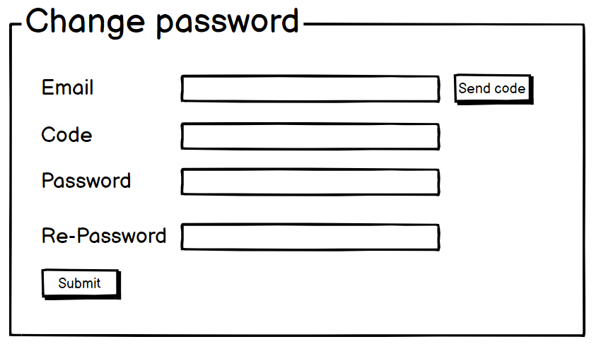 | forgot_password
Feature: 2 |  | Dashboard
phase 1 | 4 | dashboard(usre) | <text>contact info <text> link link | Contact (text) About (link) Help (link) | - clicking dashboard will take user to dashboard page - user can read the contact information from under conatct - user can click About to get more information - user can click Help to get more help | 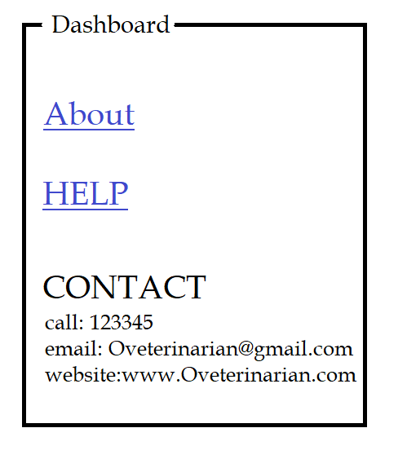 | Dashboard
Feature: 3 |  | Emergency calls
phase 1 | 5 | Emergency calls[user] | <form> <input =call a doctor> <a href="tel:+17890">Call doctor</a> <button = sign with private key> <input = chat with a doctor> <button = chat with a doctor> </body | - clicking call now will take user to emergancy call center - clicking chat with a doctor will start live chat with available doctor | - user should have an account first - user login to the site - can call or chat with doctors | 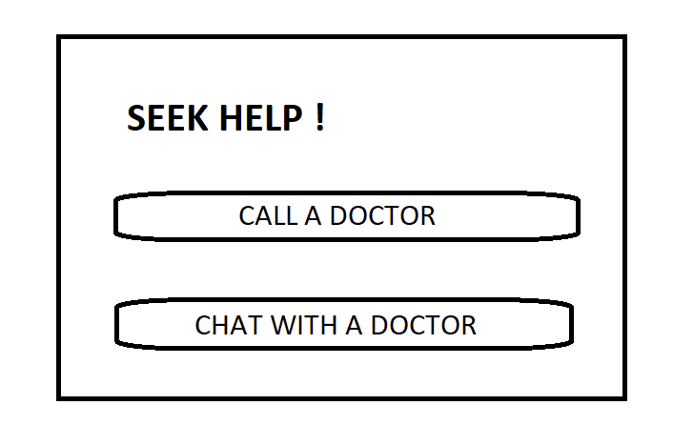 | Emergency
Feature: 4 |  | Pedigree
phase 1 | 6 | List of products | <table> <text> <picturet> <button = details> <button = place order> | - clicking on details will take user to product details -click Place order | - clicking on details will take user to product details -click Place order | 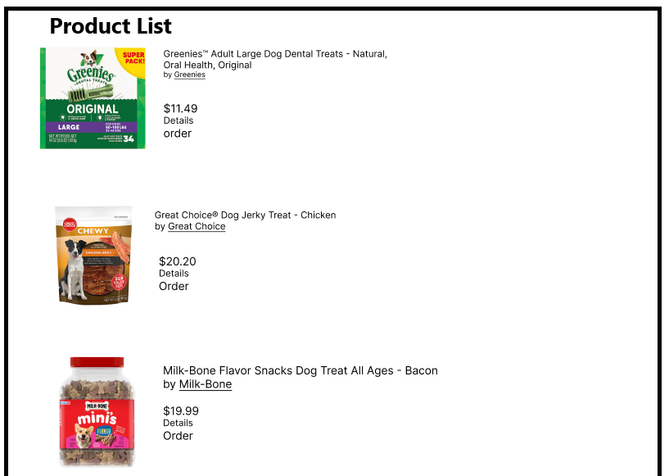 | products
phase 2 | 7 | Product details | <table> <Picture> <text> <text> | - User can see Product details | none | 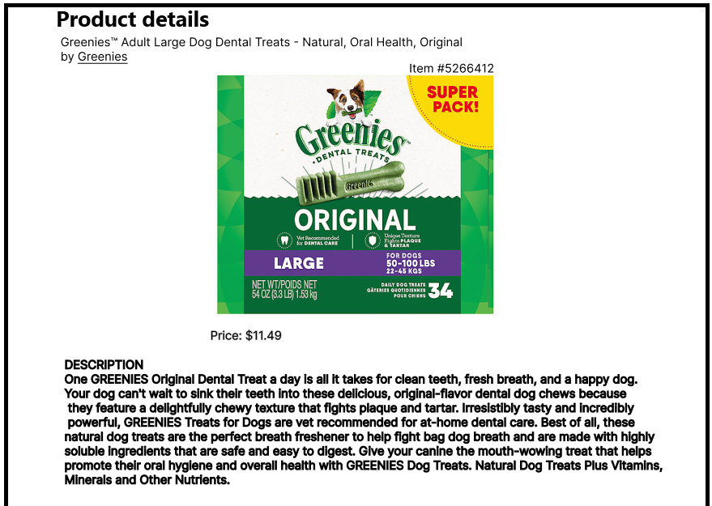 | product details
phase 3 | 8 | Place order | <Form> <input=Street address> <input=city> <input= House no.> <input = ZIP code> <button= place order> | - enter address - clicking on place order - clicking on username will take him to profile page | - Address must be right - zip code must be correct - clicking Place order button will show user -> " Thank You For Your Order" | 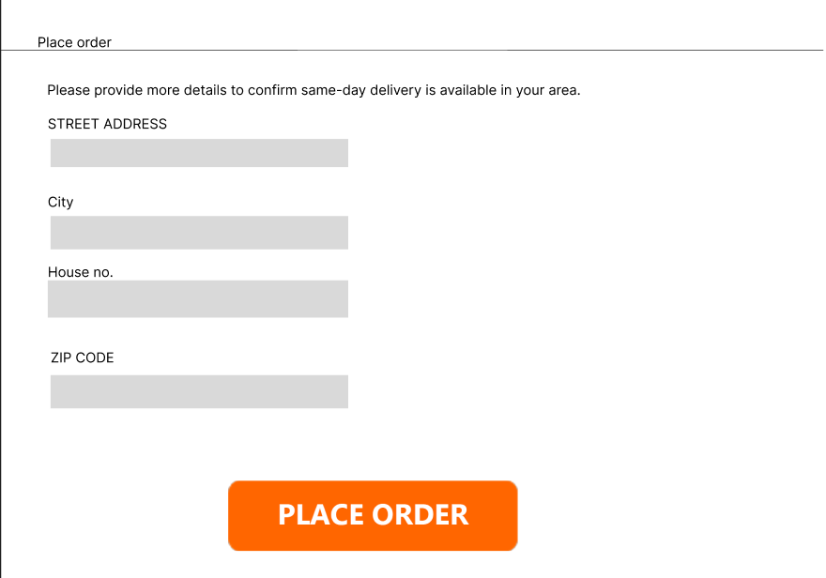 | place order
Feature: 5 |  | Pet salon
phase 2 | 9 | Pet salon[user] | <Form><text>*pet salon*</text> <input = book an appointmentt> <button=book an appointment> </form> | - User can book salon appointment for pets | 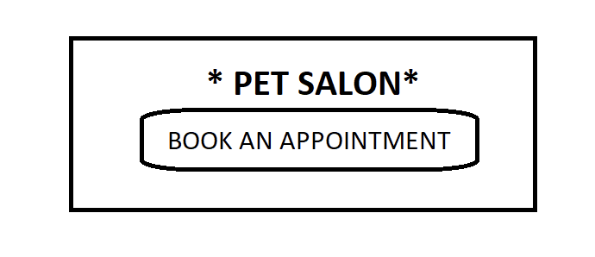 =C31+C30- clicking on thebutton will accept appointments |  | saloon
Feature: 6 |  | Pet Accressories
phase 1 | 10 | List of products | <table> <text> <picturet> <button = details> <button = place order> | - clicking on details will take user to product details -click Place order | none | 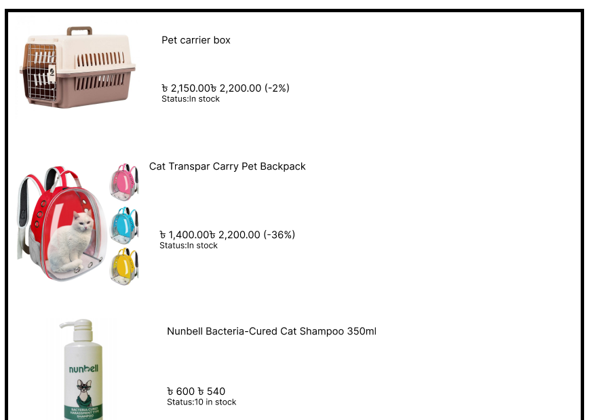 | products
phase 2 | 11 | Product details | <table> <Picture> <text> <text> | - User can see Product details | none | 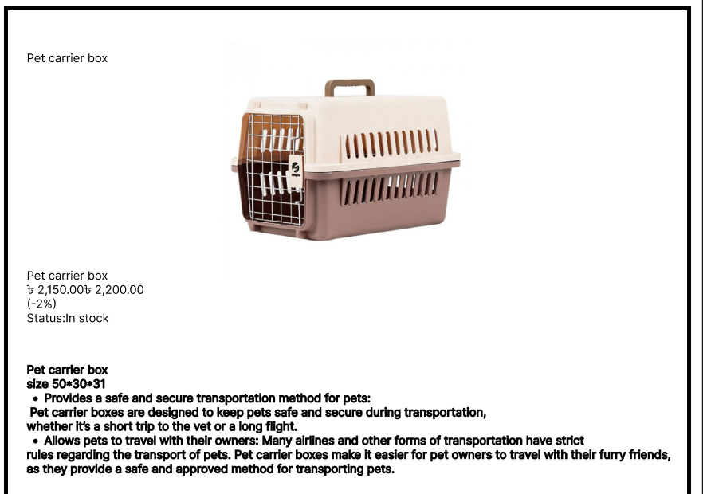 | product details
phase 3 | 12 | Place order | <Form> <input=Street address> <input=city> <input= House no.> <input = ZIP code> <button= place order> | - enter address - clicking on place order - clicking on username will take him to profile page | - Address must be right - zip code must be correct - clicking Place order button will show user -> " Thank You For Your Order" |  | cart
Feature: 7 |  | Cart
phase 2 | 13 | Cart[user] | <table> <col = img> <col = price> <col = qty> <col = total> <table> <row> <col = img> <col = price> <col = qty> <col = total> <row> | a. Add more item b. Remove item c. Submit d. Cancel order | - user can add to cart - user can delete from the cart - modify the cart - see the total -submit | 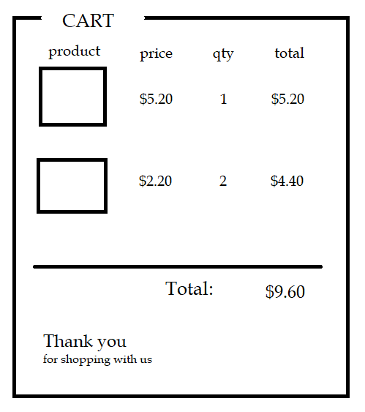 | cart
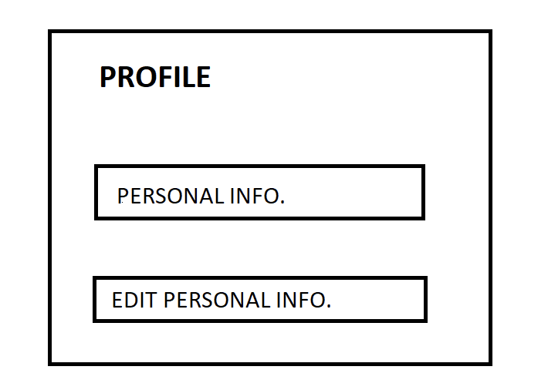
Feature: 8 |  | Customer profile
phase 2 | 14 | customer profile[user] | <Form> <input=personal information><button=perosnal information> <input=edit information> <button=edit personal information> </form> | - enter docotors information - can edit personal information | - the user profile should be upto date - user should input all accurate data - edit new data that needs updates |  | profile info
Feature: 9 |  | product search
phase 1 | 15 | search product | <form> <input= search item> <button= search> | -search item - search(button) | - search item have to be valid |  | search
Feature: 10 |  | Review
phase 1 | 16 | review(user) | <form> <text> <form> <text> | a. Rating | 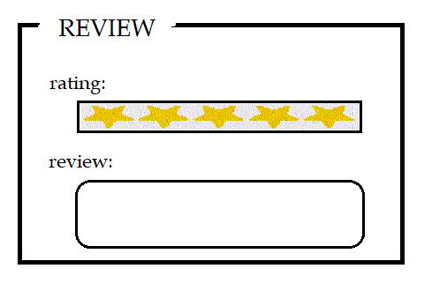 - add the level by selecting the starts -write the review |  | Review
phase 1 | 17 | rate the review(user and veterinarian) | <head> like <text> </head> | a. Like b. Comment | - user can like to the reviews -user can comment on the review | 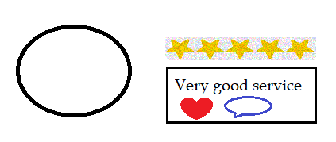 | rate review
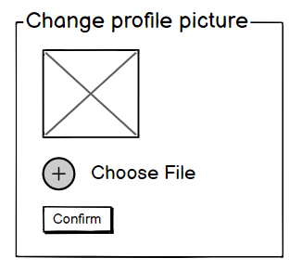
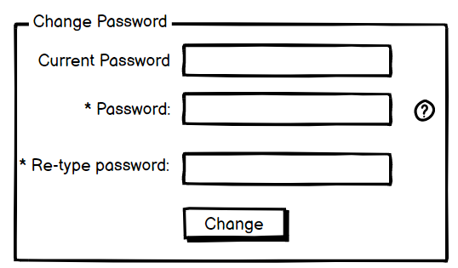
Feature: 11 |  | Doctors Appointment
phase 1 | 18 | Book Appointment | <form> <input= neme> <input =time> <input = problem> <button= book appointment> | - user can select doctor - user can book appointment by clicking Book | - doctor nem must be valid - time must be valid | 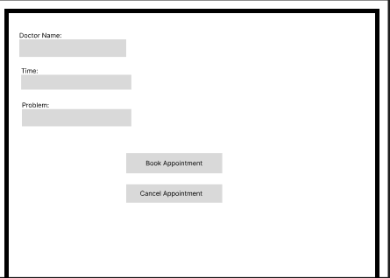 | book appt
phase 2 | 19 | Cancel appointment | <form> <input= neme> <input =time> <button= cancel appointment> | - user can select doctor - user can cancel appointment by clicking cancel | - doctor nem must be valid - time must be valid |  | cancel appt
Feature: 12 |  | Doctor's profile
phase 3 | 20 | Doctor's profile[user] | <Form> <Text>Doctor profile</Text> <input =information> <button =personal nfo> <button = schedule | - personal informatio - edit information - schedule appointment | =F3- the doctors profile should be upto date - doctor should input all accurate data - doctor has to update all the schedules - edit new data that are available | 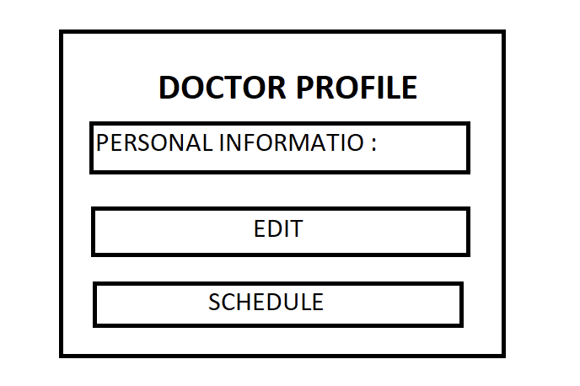 | Dr profile
Feature: 13 |  | doctor's activities
phase 3 | 21 | doctor's activities | <List> <ListItem> <Text>doctors are allowed to..</Text> <Text>2 hours ago</Text> </ListItem> </List> | a. Take a call b. Response to chat | - the doctor can Take a call - the doctor can Response to chat | 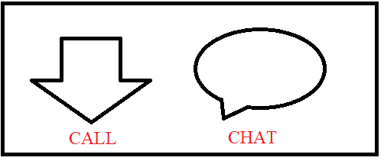 | ACTIVITIES
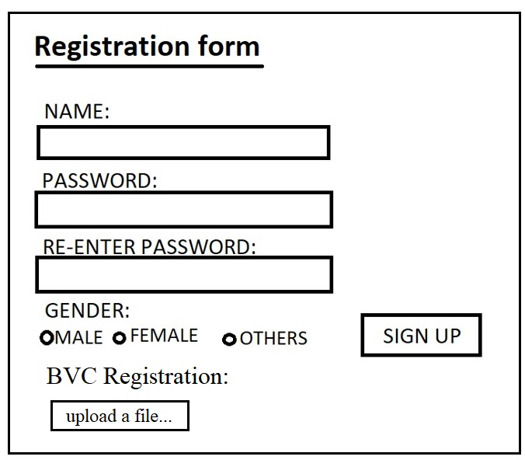
Feature: 14 |  | Auth Feature for doctor
phase 1 | 22 | Register [Veterinarian] | <Form> <input=name> <input=gender> <input=password> <input=re-password> <button=register> <link=register> | - Enter Full name (input) - Enter unregistered email (input) - Enter password (input) [Logic: At least 8 characters long, atleast one special character] - Enter password again (input) [Logic: should match password input] - Choose user type [user] - choose gender type - Click Signup (button) [Logic: If the email is unique, user will be registered to the sysmem (databse)] | - Password (input) should be minimum 8 characters long. Otherwise show an invalid message. - Re-password (input) should match password. Otherwise show 'password do not match' message. - User type must be selected. Otherwise show 'Please select a user type'. - On clicking signup button, credential will be stored in database, user will be redirected to his dashboard. -user will have to select thier gender |  | register
phase 1 | 23 | Login [Veterinarian] | <Form> <input=password> <option=remember me> <button=login> <link=signup> <link=forgot password> | =C38- Enter password (input) - signin (button) - signup (link) - forgot password (link) | - password must match database password - User is promt with an error. "password does not match!". (if password match with database) - clicking signup should take user to registration page - clicking forgot password should take him to forgot password page |  | login
phase 1 | 24 | Forgot password[Veterinarian] | <Form> <input=email> <button=send code> <input=code> <input=password> <input=confirm Password> <button=submit> | - Enter email (input) - Press send code (button) - Enter new password (input) - Re-enter new password (input) - click on change passowrd to update password (button) | - email must match DB email or promt "No email found!" - pressing send code will print a message "code sent!" and the code can be found at user info row. - enter new password [At least 8 characters long] - re-enter new password [it should match new password] - clicking submit button will show user -> "password changed" if all info match criteria or it'll indicate what's wrong |  | forgot_password
Feature: 15 |  | Wishlist
phase 3 | 25 | Transaction History | <table> <col = img> <col = price> <table> <row> <col = img> <col = price> <row> | a. Add more item b. Remove item | - user can addd items to the wishlist in case he needs it in future -user can remove items from wishlist | 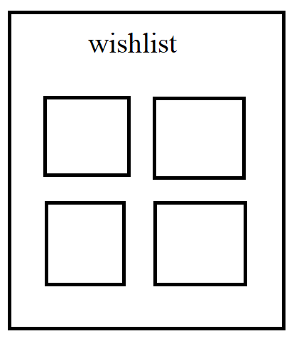
Feature: 16 |  | Pet Nutrition Guide
phase 3 | 26 | Pet Nutrition Guide(user) | <View> <Image>...</Image> <Text>information</Text> <Text>Website: www.veterinarian.com</Text> <Text>Pet Nutrition Guide</Text> <ScrollView> <Text>...Text content goes here...</Text> </ScrollView> </View> | a. Provide a comprehensive guide to pet nutrition b. Customized diet recommendations based on pet species, breed, and health condition | - write a comprehensive guide to pet nutrition -Customized diet recommendations based on pet species, breed, and health condition | 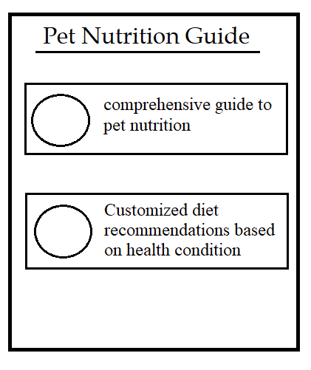 | Pet Nutrition Guide
Feature: 17 |  | Payment
phase 3 | 27 | payment(user) | <View> <Text>how would you like to pay</Text> <select>..cash, card.</select> </ScrollView> </View> | a. Pay by Card b. Pay by cash | -user can pay by card - user can Pay by cash | 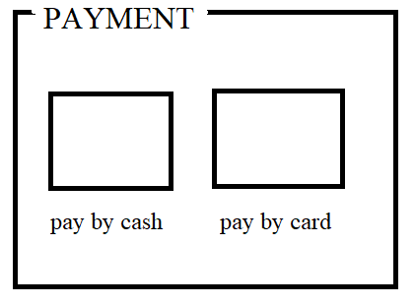 | payment
Feature: 18 |  | Reviewing the doctor
phase 3 | 28 | Dr. ratings | <head> like <text> </head> | leave a recommandation of a doctor | -the user canleave a recommandation of a doctor | 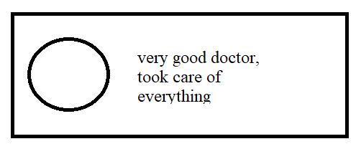 | Reviewing the doctor
Feature: 19 |  | FAQ
phase 3 | 29 | FAQ | <View> <Text>Frequently Asked Questions</Text> <ScrollView> <Text>Question 1: What is Bitcoin?</Text> <Text>...Answer 1 goes here...</Text> <Text>Question 1: What is Bitcoin?</Text> <Text>...Answer 1 goes here...</Text> </ScrollView> </View> | FAQ | -general repeated questions and answers | 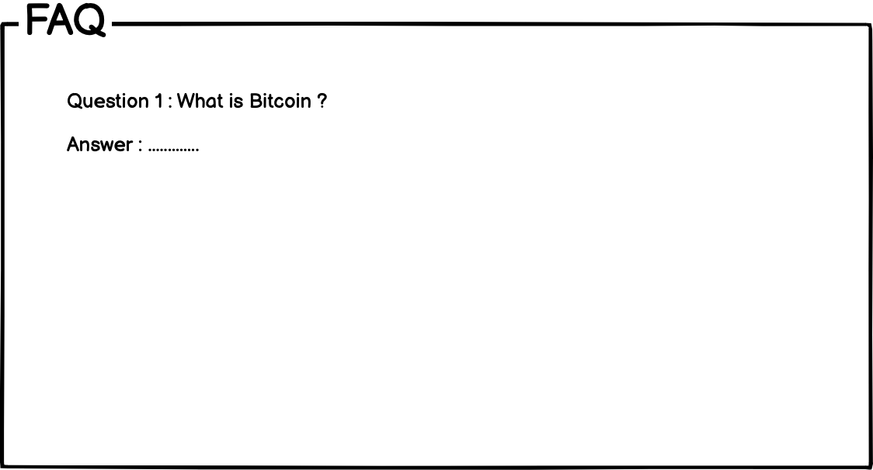 | FAQ
Feature: 20 |  | notifications
phase 3 | 30 | Notifications | <button id="showNotification">Show Notification</button> <div id="notification" class="hidden"> <span id="notificationText">This is a notification!</span> <button id="closeNotification">Close</button> </div> <script src="script.js"></script> | -when get response from the doctor - when the order is confirmed -when someone needs them for emergency (doctor) | -The user will get notification when they get response from the doctor -The user will get notification when the order is confirmed -The doctors will get notification when someone needs them for emergency | 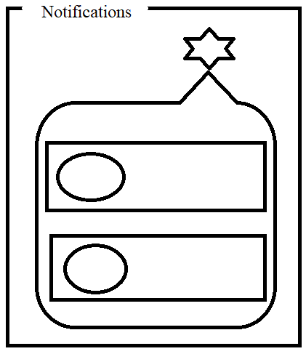 | Notifications

