Covid19_dead_vs_Recovered
 |  |  |  | Information on the incidence of COVID19 in the United States

 | 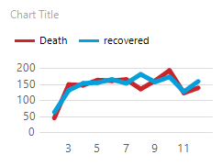 |  |  |  | 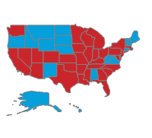

 | Information Of the Covid based on Occupation |  |  |  |  | 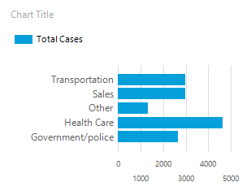

Occupation |  |  | Total Cases
Health Care |  |  | 4632
Sales |  |  | 2976
Transportation |  |  | 2970
Government/police |  |  | 2664
Other |  |  | 1332

 |  | Total Number of Covid19 Cases by States

 |  | Name |  | State Abbreviation |  |  | Total Cases
 |  | Alaska |  | AK |  |  | 30
 |  | Alabama |  | AL |  |  | 12
 |  | Arkansas |  | AR |  |  | 168
 |  | Arizona |  | AZ |  |  | 432
 |  | California |  | CA |  |  | 1902
 |  | Colorado |  | CO |  |  | 222
 |  | Connecticut |  | CT |  |  | 150
 |  | Delaware |  | DE |  |  | 42
 |  | Florida |  | FL |  |  | 996
 |  | Georgia |  | GA |  |  | 522
 |  | Hawaii |  | HI |  |  | 18
 |  | Iowa |  | IA |  |  | 180
 |  | Idaho |  | ID |  |  | 90
 |  | Illinois |  | IL |  |  | 636
 |  | Indiana |  | IN |  |  | 360
 |  | Kansas |  | KS |  |  | 162
 |  | Kentucky |  | KY |  |  | 210
 |  | Louisiana |  | LA |  |  | 228
 |  | Massachusetts |  | MA |  |  | 300
 |  | Maryland |  | MD |  |  | 204
 |  | Maine |  | ME |  |  | 24
 |  | Michigan |  | MI |  |  | 348
 |  | Minnesota |  | MN |  |  | 258
 |  | Missouri |  | MO |  |  | 282
 |  | Mississippi |  | MS |  |  | 156
 |  | Montana |  | MT |  |  | 54
 |  | North Carolina |  | NC |  |  | 444
 |  | North Dakota |  | ND |  |  | 60
 |  | Nebraska |  | NE |  |  | 108
 |  | New Hampshire |  | NH |  |  | 42
 |  | New Jersey |  | NJ |  |  | 408
 |  | New Mexico |  | NM |  |  | 102
 |  | Nevada |  | NV |  |  | 162
 |  | New York |  | NY |  |  | 852
 |  | Ohio |  | OH |  |  | 516
 |  | Oklahoma |  | OK |  |  | 228
 |  | Oregon |  | OR |  |  | 84
 |  | Pennsylvania |  | PA |  |  | 420
 |  | Rhode Island |  | RI |  |  | 66
 |  | South Carolina |  | SC |  |  | 264
 |  | South Dakota |  | SD |  |  | 60
 |  | Tennessee |  | TN |  |  | 414
 |  | Texas |  | TX |  |  | 1410
 |  | Utah |  | UT |  |  | 198
 |  | Virginia |  | VA |  |  | 150
 |  | Vermont |  | VT |  |  | 12
 |  | Washington |  | WA |  |  | 180
 |  | Wisconsin |  | WI |  |  | 300
 |  | West Virginia |  | WV |  |  | 72
 |  | Wyoming |  | WY |  |  | 36

