Sheet1
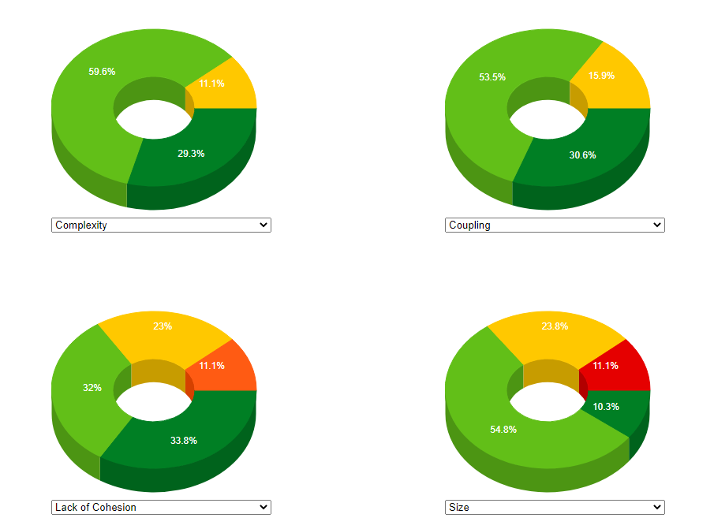
 | Links | Both Monolithic and Microservice(5) | Complexity Ranking | Traceability (LOC and Languages) | Metrics | Commits | Contributors | No of Ideal approach Services | Architecture Related Services
Petclinic | https://github.com/spring-petclinic/spring-framework-petclinic https://github.com/spring-petclinic/spring-petclinic-microservices | 5 | 3 | 3 | https://www.codemr.co.uk/case-reports/markdown-plugin/main_report/htmlx/lbd/metricdescriptions.html | 809 | 78 | 7 | 4
ftgo | https://github.com/microservices-patterns/ftgo-monolith https://github.com/microservices-patterns/ftgo-application | 5 | 4 | 4 |  | 48 | 2 | 7 | 0
Acme | https://github.com/blueperf/acmeair-monolithic-java https://github.com/IBM/acmeair-quarkus | 5 | 2 | 5 |  | 85 | 3 | 5 | 2
Sales order system | https://github.com/colinbut/sales-order-system https://github.com/colinbut/sales-order-system-2 | 5 | 5 | 2 |  | 275 | 2 | 4 | 0
Jpetstore | https://github.com/research-iobserve/jpetstore-6/tree/single-jpetstore https://github.com/research-iobserve/jpetstore-6 | 5 | 1 | 1 |  | 336 | 9 | 5 | 0

 |  |  |  | Acme has 50% Java code only rest is front-end so more trackability

 |  |  |  | Number of bugs | N/A
 |  |  |  | Complexity | Yes
 |  |  |  | Maintenance effort | Yes
 |  |  |  | Velocity | N/A
 |  |  |  | Response time | TODO
 |  |  |  | Lines of code | Yes
 |  |  |  | Performance | TODO
 |  |  |  | Extensibility | Yes
 |  |  |  | Change frequency | Yes
 |  |  |  | Scalability | N/A (VVIMP)

Acme
 |  |  |  | Petclinic

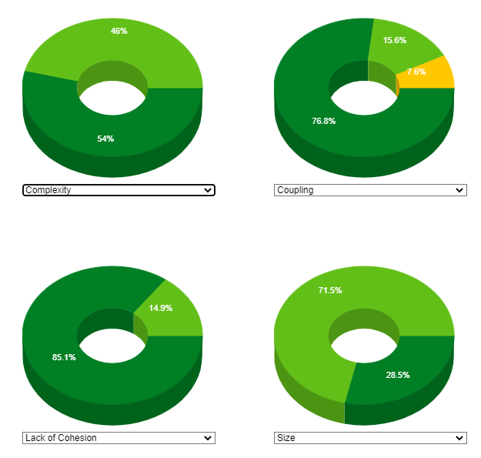
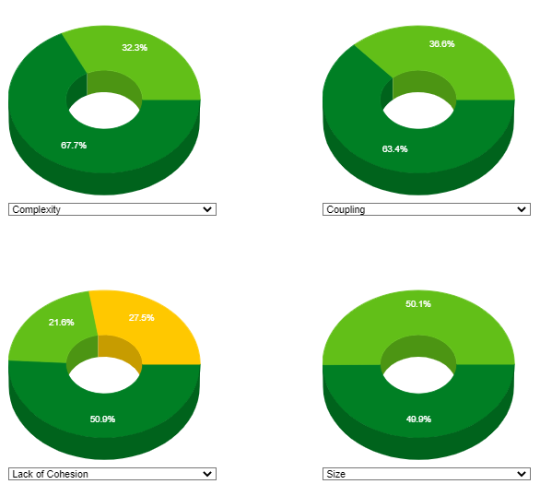

Ftgo |  |  | Sales Order System

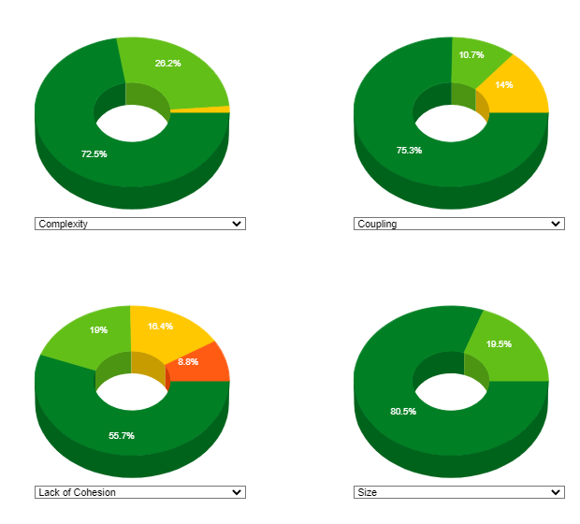
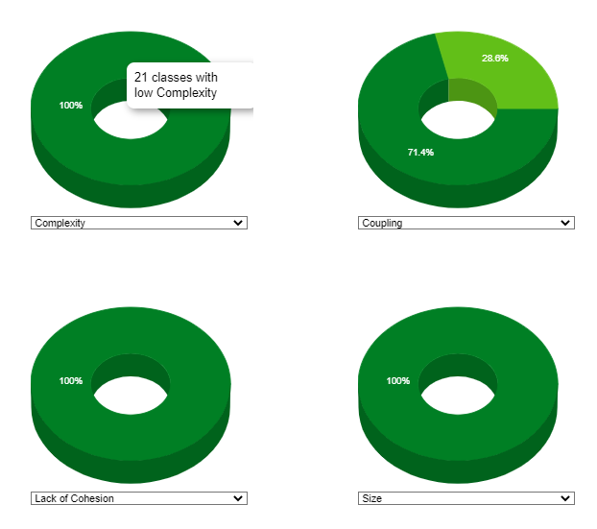
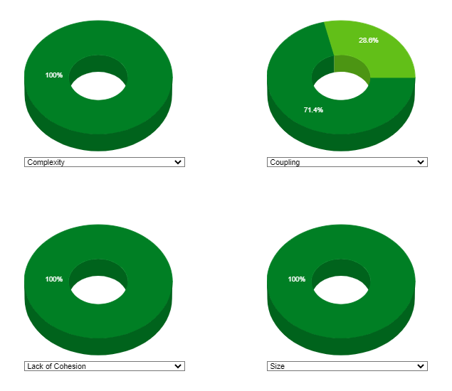

JPetstore

