time_well_spent
Time/Day | 2021-02-01 | 2021-02-02 | 2021-02-03 | 2021-02-04 | 2021-02-05 | 2021-02-06 | 2021-02-07 | 2021-02-08 | 2021-02-09 | 2021-02-10 | 2021-02-11 | 2021-02-12 | 2021-02-13 | 2021-02-14 | 2021-02-15 | 2021-02-16 | 2021-02-17 | 2021-02-18 | 2021-02-19 | 2021-02-20 | 2021-02-21 | 2021-02-22 | 2021-02-23 | 2021-02-24 | 2021-02-25 | 2021-02-26 | 2021-02-27 | 2021-02-28 | 2021-03-01 | 2021-03-02
0:00:00
1:00:00
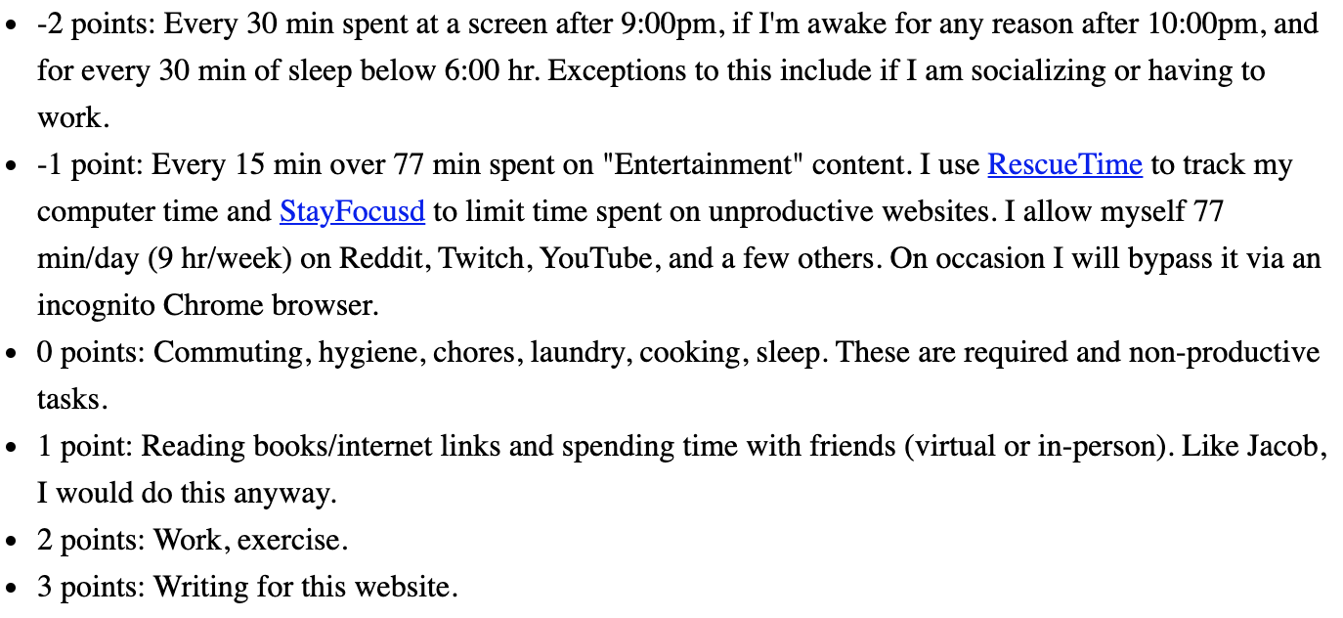
2:00:00
3:00:00
4:00:00
5:00:00
6:00:00
7:00:00
8:00:00
9:00:00
10:00:00
11:00:00
12:00:00
13:00:00
14:00:00
15:00:00
16:00:00
17:00:00
18:00:00
19:00:00
20:00:00
21:00:00
22:00:00
23:00:00
Sum of Points | 0 | 0 | 0 | 0 | 0 | 0 | 0 | 0 | 0 | 0 | 0 | 0 | 0 | 0 | 0 | 0 | 0 | 0 | 0 | 0 | 0 | 0 | 0 | 0 | 0 | 0 | 0 | 0 | 0 | 0

