Setup
Script Lab
Create, run and share Office API snippets.

This tutorial will introduce you to a basic Script Lab coding workflow. Let's set up first,

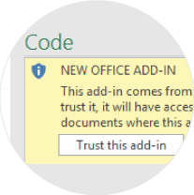

Trust Script lab to finish loading it in the pane.

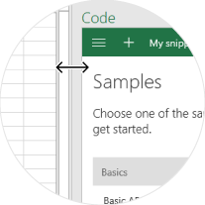

For a better fit, enlarge to Code pane.

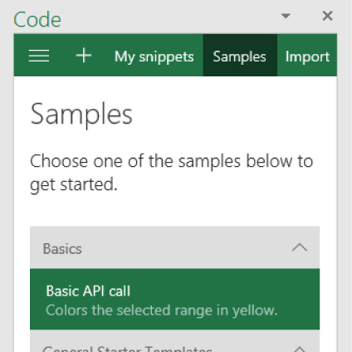

Open the Basic API call sample snippet.

Let's go>

Run
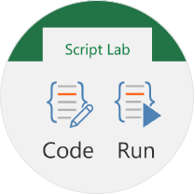
Run a snippet

1.
Open the Run pane from the Script Lab tab to code and run your snippet side by side.
In Run, select the snippet you are currently editing to sync the Code and Run panes.

Click here to select this cell
2.
Select the first cell to color it

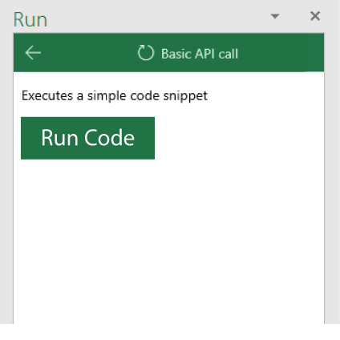

3.
In the run pane, click the Run Code button to color the cell with yellow.

Next >
< Back

Code
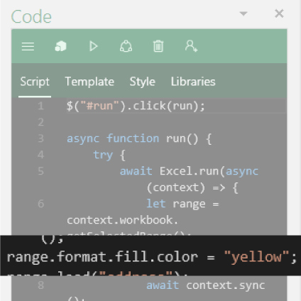
Change the code

In the code, find the entry for "yellow",
and change it to "blue".
1.

2.
Click here to select this cell
Select the second cell to color it with blue.

3.
Run the code to color the cell blue.

Next >
< Back

Share
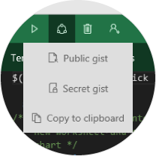
Share your snippets

Check out other samples in the samples section to play and learn about other Office API's.
You can share your code snippets as gists directly from the Script Lab add-in and to the developer community by signing in to your GitHub account.

Learn More >
< Back

Learn More
Script Lab
Create, run and share Office API snippets.

Office API's
Learn about Office API's and
the functionalities they offer.

Learn more

Fabric UI
Fabric UI components,
styles and design

Learn more

Add-in UX Design
UX documentation and
design recommendations.

Learn more

Start over
< Back

