Sheet1
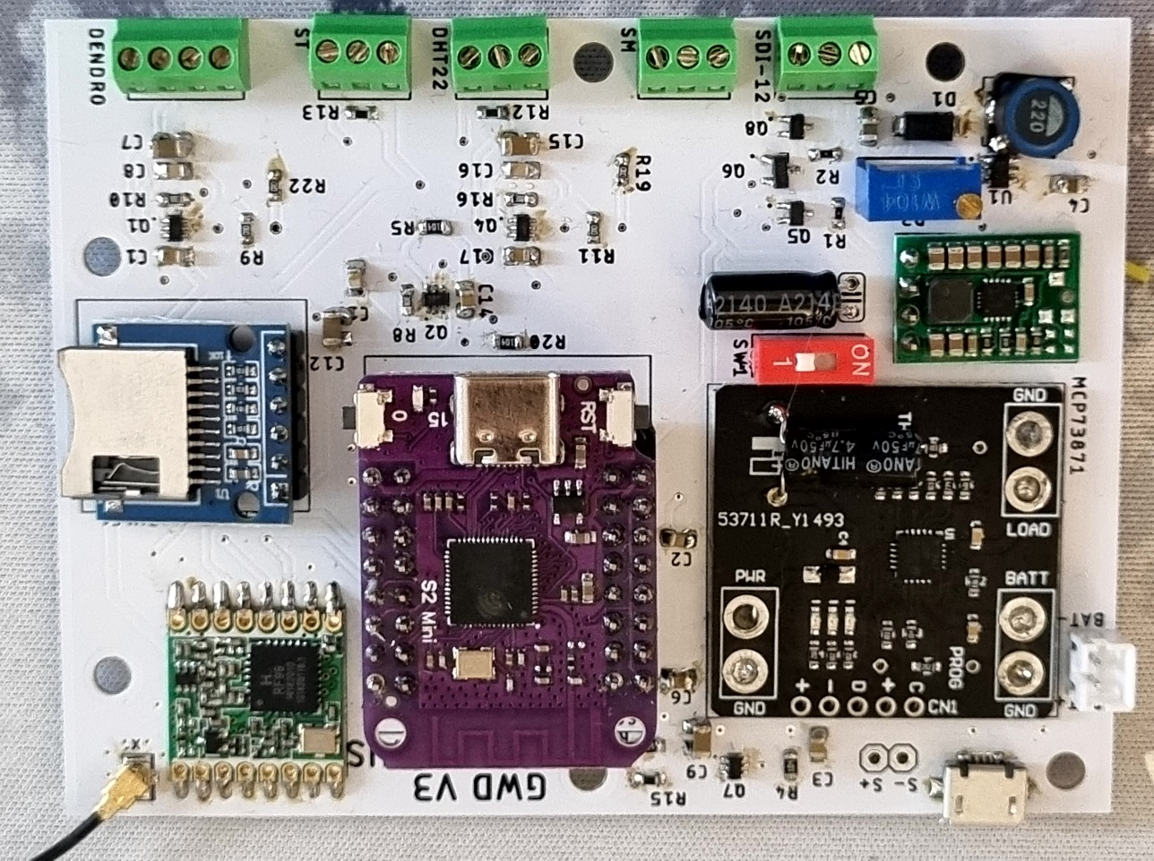
 |  |  | xxxx xxxx xxxxx xxPCS BOM (Sample Bill of Materials)

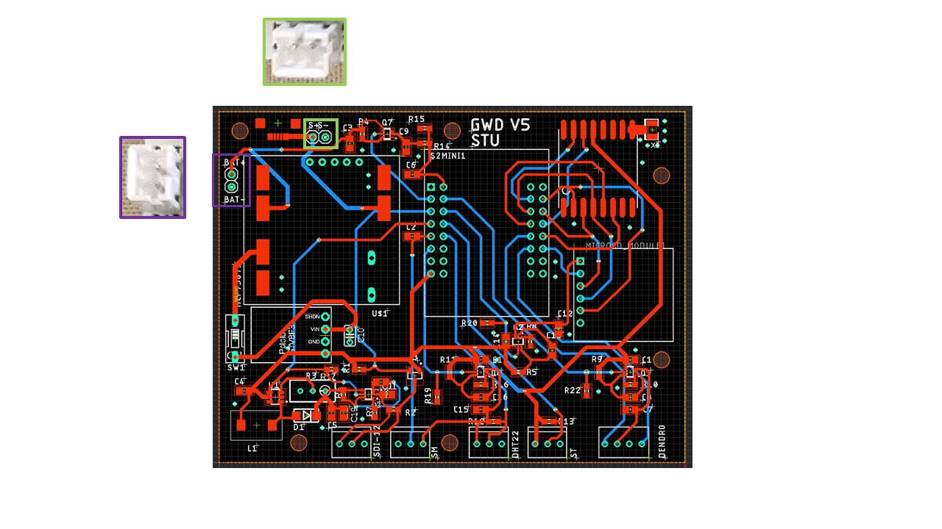

Item # | *Designator | *Qty | Manufacturer | *Mfg Part # | Description / Value | *Package/Footprint | Type | Your Instructions / Notes
1 | BAT+,BAT-,S+,S- | 2.00 | JST | B2B-PH-K-S(LF)(SN) | JST PH Series Straight Through Hole PCB Header, 2 Contact(s), 2.0mm Pitch, 1 Row(s), Shrouded | 2.0mm pitch | Through Hole | See JST Connector orientation to the left
2 | R4,R5,R6,R9,R11,R14,R17,R19,R20,R22 | 10.00 | TE Connectivity | CRG0603F100K | 100kΩ, 0603 (1608M) Thick Film SMD Resistor ±1% 0.1W | 0603 | SMD
3 | R1,R2,R12 | 3.00 | Panasonic | ERJU03F1002V | 10kΩ, 0603 (1608M) Thick Film SMD Resistor ±1% 0.1W | 0603 | SMD
4 | R13 | 1.00 | Panasonic | ERJ3RBD4701V | 4.7kΩ, 0603 (1608M) Thick Film SMD Resistor ±0.5% 0.1W | 0603 | SMD
5 | R15 | 1.00 | Vishay | CRCW060380K6FKEA | 80.6kΩ, 0603 (1608M) Thick Film SMD Resistor ±1% 0.1W | 0603 | SMD
6 | R7,R8,R10,R16 | 4.00 | Yageo | RC0603FR-072KL | 2kΩ, 0603 (1608M) Thick Film SMD Resistor ±1% 0.1 W, 0.2 W | 0603 | SMD
7 | R3 | 1.00 | Bourns | 3296W-1-104LF | 100kΩ, Through Hole Trimmer Potentiometer 0.5W Top Adjust Bourns, 3296 | 3296 | Through Hole | Solder on bottom layer
8 | C2, C6 | 2.00 | KYOCERA AVX | 08053C104KAT2A | 100nF Multilayer Ceramic Capacitor MLCC, 25V dc V, ±10% , SMD | 0805 | SMD
9 | C1,C3,C14,C17,C19 | 5.00 | Murata | GRM21BR61C106KE15K | 10μF Multilayer Ceramic Capacitor MLCC, 16V dc V, ±10% , SMD | 0805 | SMD
10 | C11,C12,C15,C7,C9 | 5.00 | Yageo | CC0805KKX7R9BB105 | 1μF MLCC, 50V dc V, ±10% , SMD | 0805 | SMD
11 | C4,C5 | 2.00 | Yageo | CC0805KKX5R5BB226 | 22μF MLCC, 6.3V dc V, ±10% , SMD | 0805 | SMD
12 | C10 | 1.00 | Rubycon | 25YXF33M5X11 | 33μF Aluminium Electrolytic Capacitor 25V dc, Radial, Through Hole - 25YXF33M5X11 | 5 (Dia.) x 11mm | Through Hole
13 | C13,C16,C18,C8 | 4.00 | Yageo | CC0805KRX7RBBB471 | 470pF MLCC, 500V dc V, ±10% , SMD | 0805 | SMD
14 | L1 | 1.00 | TDK | SLF7045T-220MR90-PF | TDK, SLF, 7045 Shielded Wire-wound SMD Inductor with a Ferrite Core, 22 μH ±20% Wire-Wound 1.34A Idc | SLF7045 | SMD
15 | Q6 | 1.00 | Onsemi | 2N7002 | N-Channel MOSFET, 115 mA, 60 V, 3-Pin SOT-23 onsemi 2N7002 | SOT-23 | SMD
16 | U$4,U$5,U$6,U$7 | 4.00 | ‎Hxchen | X2019050681 | 3-Pin 2.54mm Pitch 150V 6A PCB Mount Screw Terminal Block Connector | ‎2.05 x 1.97 x 0.28 inches | Through Hole
17 | U$8 | 1.00 | Hxchen | X2019050682 | 4-Pin 2.54mm Pitch 150V 6A PCB Mount Screw Terminal Block Connector | 3.54 x 2.09 x 0.31 inches | Through Hole
18 | MICROSD_MODULE1 | 1.00 | Unknown | Unknown | Micro SD SDHC TF Card Adapter Reader Module with SPI Interface Level Conversion Chip for Arduino | 48mm x31mm | Through Hole | I cannot find a manufacturer online. The device must be soldered with electronics facing upwards. The device is a generic micro SD module, such as this: | aliexpress
19 | RFM95W | 1.00 | RF Solutions | RFM95W-868S2 | 868 MHz LoRaWAN transciever module | 16 mm x 16 mm x 1.8 mm | SMD | Antenna pin (ANT) should line up with antenna trace.ANT pin should be closest pin to top right corner of the PCB.
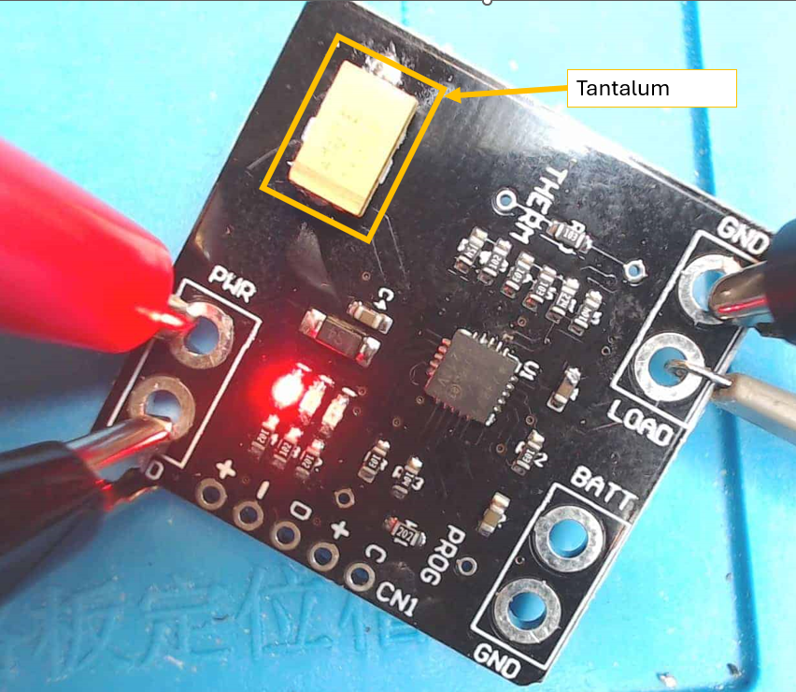
20 | U$1 | 1.00 | DiyMore | SKU:011825 | Battery Charging Board MCP73871 USB Solar Li-Ion Lithium Lon Polymer DC 5V 1A | 31mm x 32mm | SMD | Instead of the large 4700uF 25V Capacitor, use a KYOCERA AVX 4.7μF Electrolytic Tantalum Capactitor 35V dc, TAJ Series (TAJD475K035RNJ) across the capacator connection point. See image to the right | https://www.diymore.cc/products/mcp73871-usb-dc-solar-lipoly-lithium-lon-polymer-charger-3-7-4-2v-battery-module
21 | U$2 | Do not assemble! | Do not assemble! | Do not assemble! | Do not assemble! | Do not assemble! | Do not assemble! | Do not assemble!
22 | Q1, Q2, Q3, Q4, Q7 | 5.00 | Onsemi | NTJD1155LT1G | Dual N/P-Channel-Channel MOSFET, 1.3 A, 8 V, 6-Pin SOT-363 | SOT-363 | SMD
23 | S2MINI1 | 2.00 | 4UCON | 0527 | Header - 8-pin Female | standard 2.54mm spaced header pins | Through Hole
24 | S7V8F3 | 1.00 | Pololu | S7V8F3 | Pololu 3.3V Step-Up/Step-Down Voltage Regulator S7V8F3 | 11 × 17 × 3 mm | Through Hole
25 | D1 | 1.00 | HY Electronic Corp | SS34 | 40V 3A, Schottky Diode, 2-Pin DO-214AB SS34 | DO-214AB
26 | X1 | 1.00 | Molex inc. | ADA-1661 | uFL SMT Antenna Connector | 2.6mm x 2.6mm | SMD | https://cdn-shop.adafruit.com/datasheets/734120114_sd.pdf
27 | SW1 | 1.00 | APEM | NDS-01-V | 1 Way Through Hole DIP Switch SPST, Raised Actuator |  | Through hole
28 | U1 | 1.00 | AEROSEMI | MT3608 | MT3608 is a constant frequency, 6-pin SOT23 current mode step-up converter | SOT23 | SMD

Need a quick and accurante quote? Need an efficient production? Please read SMT Ordering Necessary Files & Info in 1 minute. Thank you very much!

Click for Instructions on How to Create a BOM

HERE IS A PREVIOUS VERSION OF THE BOARD FOR REFERENCE. Note this is an old version, design has slightly changed since then.

