Sheet1
Magazine Frame
 | len | len^2 | law of cosine | deg |  |  |  | V meas | Mag Ang | CosLaw volt | Pot Ang | Strap Ang | L Pot | L Strap | linear fit volts | pot err volts | pot len error | Angle Err degrees | Motor Rev
a | 19.196 | 368.5 | 0.47102 | 61.90 | Hinge to motor axis |  |  | 0.4541 | 20.7 | 0.454 | 6.73 | 15.20 | 2.46 | 6.31 | 0.454 | 0.000 | 0.000 | 0.000 | 0.00
b | 10.25 | 105.1 | 0.88212 | 28.10 | Motor axis to top bar |  |  |  | 25 | 0.975 | 11.03 | 19.50 | 3.88 | 7.81 | 0.982 | -0.006 | -0.002 | -0.007 | 16.46
c | 21.761179104 | 473.5 | 0.00000 | 90.00 | Hinge to motor axis horiz |  |  |  | 30 | 1.593 | 16.03 | 24.50 | 5.55 | 9.60 | 1.595 | -0.002 | -0.001 | -0.002 | 35.95
rt tri chk | 0 |  |  |  |  |  |  |  | 35 | 2.212 | 21.03 | 29.50 | 7.23 | 11.40 | 2.209 | 0.003 | 0.001 | 0.004 | 55.55
 |  |  |  |  |  |  |  |  | 40 | 2.828 | 26.03 | 34.50 | 8.90 | 13.19 | 2.822 | 0.006 | 0.002 | 0.006 | 75.08
d | 19.25 | 370.6 | 0.00477 | 89.73 | hinge to strap point |  |  |  | 45 | 3.439 | 31.03 | 39.50 | 10.56 | 14.96 | 3.436 | 0.003 | 0.001 | 0.004 | 94.46
e | 6.91 | 47.7 | 0.93335 | 21.04 | base to hinge |  |  | 3.718 | 47.3 | 3.718 | 33.33 | 41.80 | 11.32 | 15.77 | 3.718 | 0.000 | 0.000 | 0.000 | 103.29
f | 18 | 324.0 | 0.35450 | 69.24 | base
rt tri chk | -1.1856

Move the attach point for strap
d | 20.58 | 423.6 | 0.00000 | 90.00 | hinge to strap pt on bottom of sq beam
e | 7.91 | 62.6 | 0.92319 | 22.60 | base to hinge,+1 because strap on bot
f' | 19 | 361.0 | 0.38434 | 67.40 | +1 outside of bar, new strap point
rt tri chk | 0

Motor Strap Constants |  |  |  |  |  | kRevPerIn | 10.913
pully | 1.36 | @40deg | really a function of rotation
 |  |  | d = dp + Cds - th*ds
d' | 20.58 | inches
c+pully | 23.12 | inches
E | 22.60 | degrees

Yo-yo Pot Calculations
pot y | 2.0 | est | zero extend height
pot x | 0.5 | est | x translation from base f
pot y top | 0.25 | est | fixed y for attachment

Pot Len vs Strap Len
f" | 19.5 | 380.3 | 0.24417 | 75.87 | F"
e" | 4.9 | 24.1 | 0.96973 | 14.13 | E"
d" | 20.11 | 404.4 | 0.00000 | 90.00 | D" |  | Mag Ang | = As + | 5.50
 |  |  |  |  |  |  | Mag Ang | = Ap + | 13.97
pot-att-X | -2.51 |  | relative to motor axis along c
pot-att-y | 0 |  | along c |  |  |  | As = strap angle Ap = yo-yo pot angle
Yo-yo Pot Constants
c" | 19.251179104 | inch | very close to same axis |  |  |  | Kv_deg | 0.12270300752 | volt/deg
d" | 20.11 | inch |  |  |  |  | Kv_len | 0.3686552642 | volt/inch
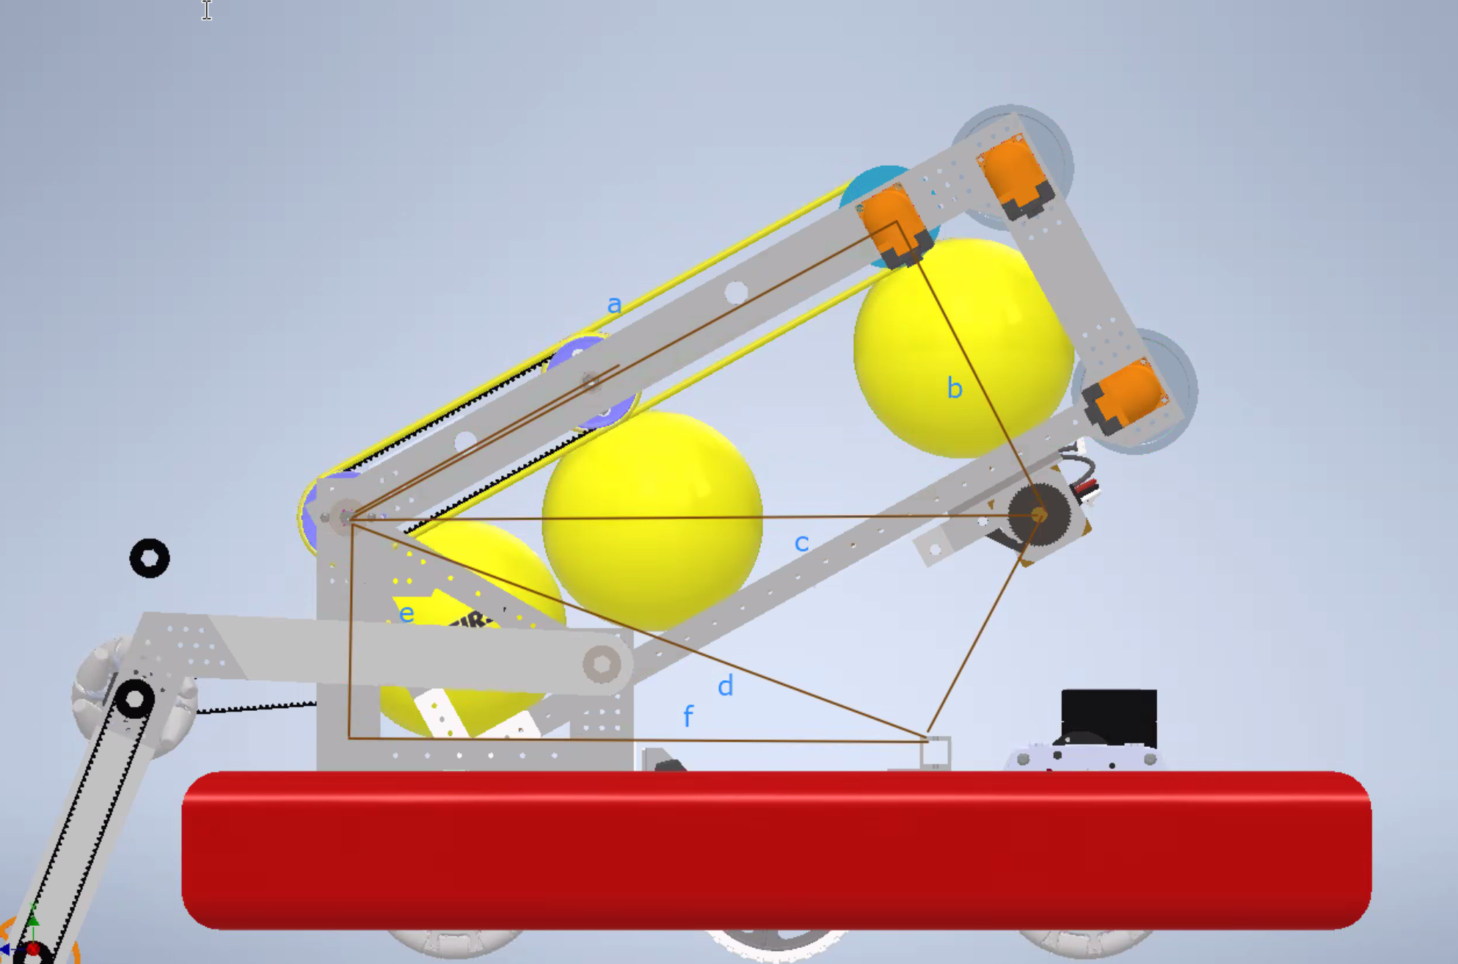
E" | 14.13 | degree

