Sheet1
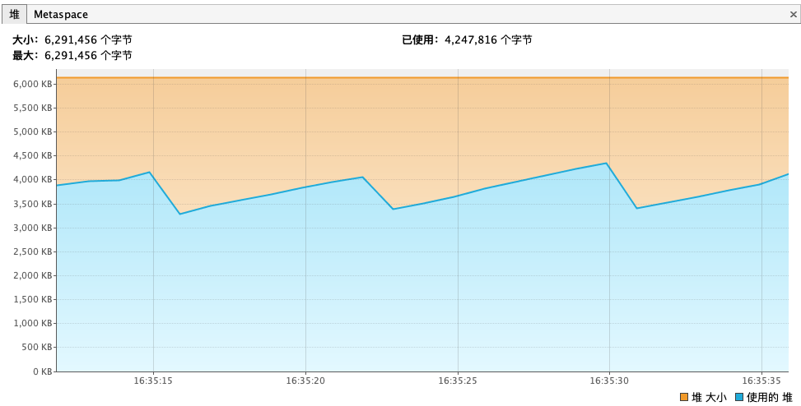

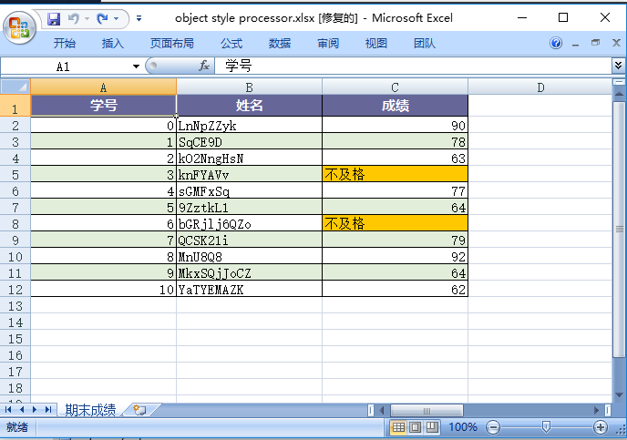



列1 | HEAD1 | HEAD2 | HEAD3
A | 1 | 2 | 3
B | 5 | 3 | 1
C | 3 | 2 | 2
D | 1 | 1 | 9

Sheet2
