Chart 1
Matches Won wrt Bat First or Field First
 | bat | field
Kings XI Punjab | 1 | 11
Kolkata Knight Riders | 3 | 8
Chennai Super Kings | 5 | 5
Rajasthan Royals | 2 | 5
Mumbai Indians | 3 | 4
Sunrisers Hyderabad | 2 | 4
Royal Challengers Bangalore | 1 | 4
Delhi Daredevils | 2
Count of Toss_Winner | Column Labels
Row Labels | bat | field | Grand Total
Kings XI Punjab | 1 | 11 | 12
Kolkata Knight Riders | 3 | 8 | 11
Chennai Super Kings | 5 | 5 | 10
Rajasthan Royals | 2 | 5 | 7
Mumbai Indians | 3 | 4 | 7
Sunrisers Hyderabad | 2 | 4 | 6
Royal Challengers Bangalore | 1 | 4 | 5
Delhi Daredevils | 2 |  | 2
Grand Total | 19 | 41 | 60

Chart 2
Row Labels | Count of Winner
bat | 31.67%
field | 68.33%
Winning % wrt Toss Decisions
Grand Total | 100.00%

No.of Matches Won
Row Labels | Count of Winner
Chennai Super Kings | 10 | Chennai Super Kings | 100
Kings XI Punjab | 12 | Deccan Chargers | 29
Kolkata Knight Riders | 11 | Delhi Capitals | 10
Mumbai Indians | 7 | Delhi Daredevils | 67
Rajasthan Royals | 7 | Gujarat Lions | 13
Royal Challengers Bangalore | 5 | Kings XI Punjab | 82
Sunrisers Hyderabad | 6 | Kochi Tuskers Kerala | 6
Grand Total | 58 | Kolkata Knight Riders | 92
 |  | Mumbai Indians | 109
 |  | Pune Warriors | 12
 |  | Rajasthan Royals | 75
 |  | Rising Pune Supergiant | 10
 |  | Royal Challengers Bangalore | 84
 |  | Sunrisers Hyderabad | 58

Chart 3
Matches Won based on Top 10 Venue and Toss Decision
 | bat | field
Sheikh Zayed Stadium | 4 | 3
Dubai International Cricket Stadium | 3 | 4
Wankhede Stadium | 1 | 5
Sharjah Cricket Stadium | 2 | 4
M Chinnaswamy Stadium | 1 | 5
Feroz Shah Kotla | 1 | 4
Eden Gardens |  | 4
JSCA International Stadium Complex | 3 | 1
Sardar Patel Stadium, Motera | 1 | 3
Rajiv Gandhi International Stadium, Uppal | 3 | 1
Count of Winner | Column Labels
Row Labels | bat | field | Grand Total
Sheikh Zayed Stadium | 4 | 3 | 7
Dubai International Cricket Stadium | 3 | 4 | 7
Wankhede Stadium | 1 | 5 | 6
Sharjah Cricket Stadium | 2 | 4 | 6
M Chinnaswamy Stadium | 1 | 5 | 6
Feroz Shah Kotla | 1 | 4 | 5
Eden Gardens |  | 4 | 4
JSCA International Stadium Complex | 3 | 1 | 4
Sardar Patel Stadium, Motera | 1 | 3 | 4
Rajiv Gandhi International Stadium, Uppal | 3 | 1 | 4
Grand Total | 19 | 34 | 53

Chart 4
Row Labels | Count of Player_of_the Match
GJ Maxwell | 4 | Man of the Match | Count
RA Jadeja | 3 | GJ Maxwell | 4
RV Uthappa | 3 | RA Jadeja | 3
DR Smith | 3 | RV Uthappa | 3
Sandeep Sharma | 3 | DR Smith | 3
B Kumar | 2 | Sandeep Sharma | 3
PV Tambe | 2 | B Kumar | 2
MEK Hussey | 2 | PV Tambe | 2
CJ Anderson | 2 | MEK Hussey | 2
DA Warner | 2 | CJ Anderson | 2
SK Raina | 2 | DA Warner | 2
JP Faulkner | 2
Man of the Matches
G Gambhir | 2
AM Rahane | 2
UT Yadav | 2
AB de Villiers | 2
JP Duminy | 1
RG Sharma | 1
YK Pathan | 1
LMP Simmons | 1
JH Kallis | 1
Yuvraj Singh | 1
V Sehwag | 1
M Vohra | 1
KK Nair | 1
AJ Finch | 1
AR Patel | 1
MK Pandey | 1
SE Marsh | 1
MM Sharma | 1
AT Rayudu | 1
MS Dhoni | 1
WP Saha | 1
PA Patel | 1
YS Chahal | 1
DW Steyn | 1
CA Lynn | 1
M Vijay | 1
Grand Total | 60

Chart 6
Count of Result | Column Labels
Row Labels | runs | tie | wickets | Grand Total | Row Labels | Sum of Defending | Sum of Draw | Sum of Chasing
Chennai Super Kings | 52 |  | 48 | 100 | Kolkata Knight Riders | 36 |  | 56
Deccan Chargers | 18 |  | 11 | 29 | Grand Total | 36 |  | 56
Delhi Capitals | 3 | 1 | 6 | 10
Gujarat Lions | 1 |  | 12 | 13
 | Sum of Defending | Sum of Draw | Sum of Chasing
Kolkata Knight Riders | 36 |  | 56
Kings XI Punjab | 38 | 2 | 42 | 82
Kochi Tuskers Kerala | 2 |  | 4 | 6
Kolkata Knight Riders | 36 |  | 56 | 92
Mumbai Indians | 57 | 2 | 50 | 109
Rajasthan Royals | 27 | 2 | 46 | 75
Rising Pune Supergiants | 2 |  | 3 | 5
Royal Challengers Bangalore | 35 | 1 | 48 | 84
Sunrisers Hyderabad | 30 | 1 | 27 | 58
Grand Total | 301 | 9 | 353 | 663

Teams | Defending | Draw | Chasing
Chennai Super Kings | 52 |  | 48
Deccan Chargers | 18 |  | 11
Delhi Capitals | 3 | 1 | 6
Gujarat Lions | 1 |  | 12
Kings XI Punjab | 38 | 2 | 42
Kochi Tuskers Kerala | 2 |  | 4
Kolkata Knight Riders | 36 |  | 56
Mumbai Indians | 57 | 2 | 50
Rajasthan Royals | 27 | 2 | 46
Rising Pune Supergiants | 2 |  | 3
Royal Challengers Bangalore | 35 | 1 | 48
Sunrisers Hyderabad | 30 | 1 | 27

Designing KPI's
Row Labels
IPL-2014
Grand Total

Season | Winner | Runner-Up | Player of the Match | Player of the Season
IPL-2014 | Kolkata Knight Riders | Royal Challengers Bangalore | Manish Pandey | Glenn Maxwell

Season | Winner | Runner-Up | Player of the Match | Player of the Season
IPL-2019 | Mumbai Indians | Chennai Super Kings | Jasprit Bumrah | Andre Russell
IPL-2018 | Chennai Super Kings | Sunrisers Hyderabad | Shane Watson | Sunil Narine
IPL-2017 | Mumbai Indians | Rising Pune Supergiants | Krunal Pandya | Ben Stokes
IPL-2016 | Sunrisers Hyderabad | Royal Challengers Bangalore | Ben Cutting | Virat Kohli
IPL-2015 | Mumbai Indians | Chennai Super Kings | Rohit Sharma | Andre Russell
IPL-2014 | Kolkata Knight Riders | Royal Challengers Bangalore | Manish Pandey | Glenn Maxwell
IPL-2013 | Mumbai Indians | Chennai Super Kings | Lieron Pollard | Shane Watson
IPL-2012 | Kolkata Knight Riders | Chennai Super Kings | Manvinder Bisla | Sunail Narine
IPL-2011 | Chennai Super Kings | Royal Challengers Bangalore | Murli Vijay | Chris Gayle
IPL-2010 | Chennai Super Kings | Mumbai Indians | Suresh Raina | Sachin Tendulkar
IPL-2009 | Deccan Chargers | Royal Challengers Banglore | Anil Kumble | Adam Gilchrist
IPL-2008 | Rajasthan Royals | Chennai Super Kings | Yusuf Pathan | Shane Watson

 |  | Image Section

Season | Winner
IPL-2019 | Mumbai Indians
IPL-2018 | Chennai Super Kings
IPL-2017 | Mumbai Indians
IPL-2016 | Sunrisers Hyderabad
IPL-2015 | Mumbai Indians
IPL-2014 | Kolkata Knight Riders
IPL-2013 | Mumbai Indians
IPL-2012 | Kolkata Knight Riders
IPL-2011 | Chennai Super Kings
IPL-2010 | Chennai Super Kings
IPL-2009 | Deccan Chargers
IPL-2008 | Rajasthan Royals

Season | Winner | Logo
IPL-2019 | Mumbai Indians
IPL-2018 | Chennai Super Kings | 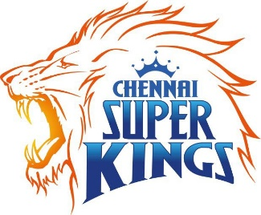
IPL-2017 | Mumbai Indians
IPL-2016 | Sunrisers Hyderabad | 
IPL-2015 | Mumbai Indians | 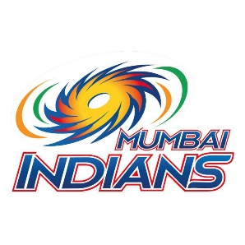
IPL-2014 | Kolkata Knight Riders | 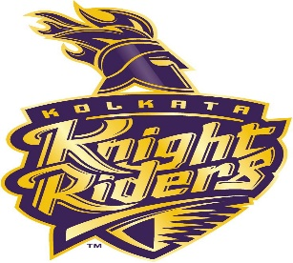
IPL-2013 | Mumbai Indians
IPL-2012 | Kolkata Knight Riders
IPL-2011 | Chennai Super Kings
IPL-2010 | Chennai Super Kings
IPL-2009 | Deccan Chargers | 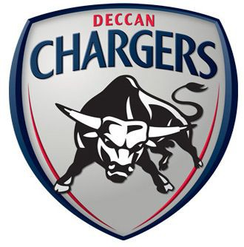
IPL-2008 | Rajasthan Royals | 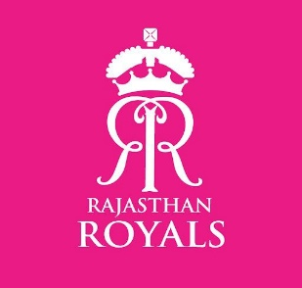

Dashboard
Matches Won wrt Bat First or Field First
 | bat | field
Kings XI Punjab | 1 | 11
Kolkata Knight Riders | 3 | 8
Chennai Super Kings | 5 | 5
Rajasthan Royals | 2 | 5
Mumbai Indians | 3 | 4
Sunrisers Hyderabad | 2 | 4
Royal Challengers Bangalore | 1 | 4
Delhi Daredevils | 2
Winning % wrt Toss Decisions
 | Total
bat | 31.67%
field | 68.33%
Matches Won based on Top 10 Venue and Toss Decision
 | bat | field
Sheikh Zayed Stadium | 4 | 3
Dubai International Cricket Stadium | 3 | 4
Wankhede Stadium | 1 | 5
Sharjah Cricket Stadium | 2 | 4
M Chinnaswamy Stadium | 1 | 5
Feroz Shah Kotla | 1 | 4
Eden Gardens |  | 4
JSCA International Stadium Complex | 3 | 1
Sardar Patel Stadium, Motera | 1 | 3
Rajiv Gandhi International Stadium, Uppal | 3 | 1
 | Sum of Defending | Sum of Draw | Sum of Chasing
Kolkata Knight Riders | 36 |  | 56
Man of the Matches
 | Count
GJ Maxwell | 4
RA Jadeja | 3
RV Uthappa | 3
DR Smith | 3
Sandeep Sharma | 3
B Kumar | 2
PV Tambe | 2
MEK Hussey | 2
CJ Anderson | 2
DA Warner | 2
IPL-2014
Season
Kolkata Knight Riders
Winner
Royal Challengers Bangalore
Runner-Up
Glenn Maxwell
Player of the Season

