Quotation
 |  | EC InfoTech Limited |  |  | QUOTATION
 |  | Unit D, 3/F, Block 2, Camel Paint Building, 62 Hoi Yuen Road, Kwun Tong, Kowloon Security License No.: 1275 Tel: 2876 2990 Fax: 3101 0616 Email: cs@ecinfohk.com Website: www.ecinfohk.com
To : |  |  |  |  |  | Date :
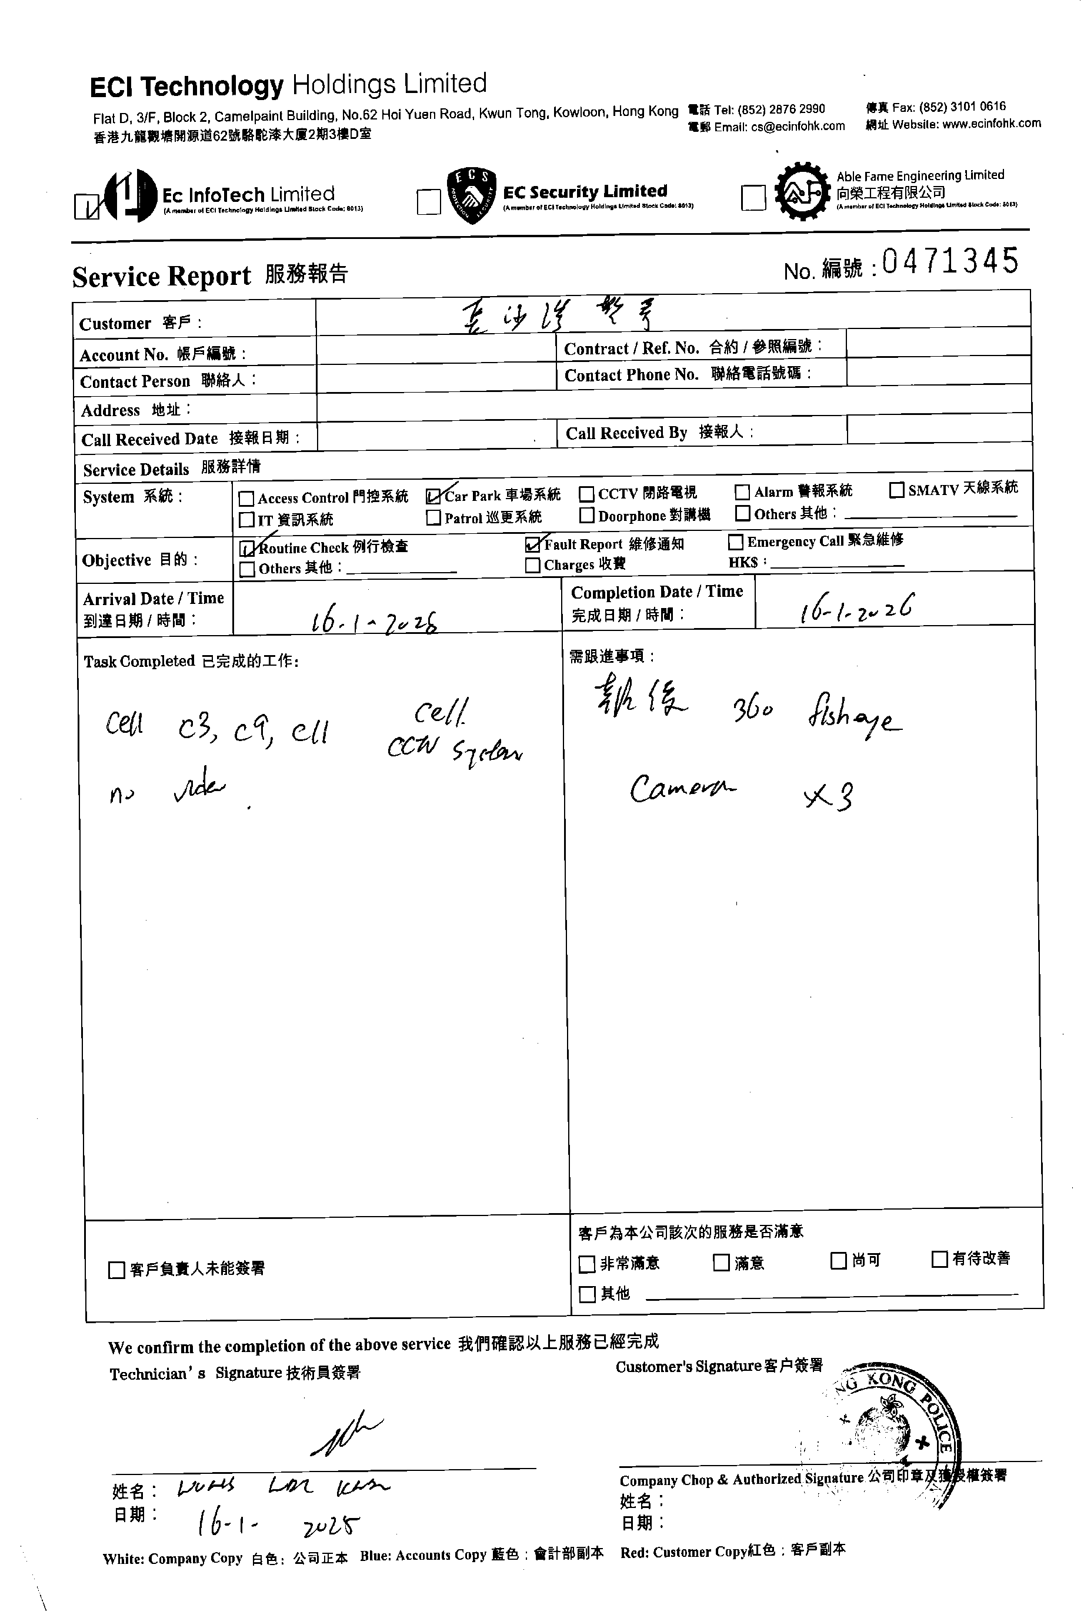
Site : |  |  |  |  |  | Our Ref. :
Attn : |  |  |  |  |  | You Ref. :
Tel : |  |  |  |  |  | From :
E-mail : |  |  |  |  |  | Tel :
S/R No : |  |  |  |  |  | Fax:
 |  |  |  |  |  | Email:
 |  |  |  |  |  | Contract No:
 |  |  |  |  |  | KLN

Replacement work of IP Dome Camera - CHEUNG SHA WAN DIVISIONAL POLICE STATION - 長沙灣警署
Item | Description |  | Rate | Net Price (HKD) | Qty | Unit | Discount | Amount (HKD)

 |  |  |  |  |  |  | Total: | HK$0.00

Terms & Conditions
Payment :
Validity:
Delivery time:
Warranty:

The undersigned confirms and places order for the aforesaid. |  |  |  |  |  | For and on behalf of EC InfoTech Limited.
 |  |  |  |  |  | Prepared by:
 |  |  |  |  |  | Checked by:

Authorized Signature & Company Chop |  |  |  |  |  | Name:
Name: |  |  |  |  |  | Date:
Title:

