WORKING
PSU BANKING SECTOR (MAY - JUNE 2026)
DATES | INDEX | DATES | NAV
2026-05-11 | 948.28 | 2026-05-18 | 9.42
2026-05-12 | 991.25 | 2026-05-19 | 9.81
2026-05-13 | 998.45 | 2026-05-20 | 9.82
2026-05-14 | 1011.54 | 2026-05-21 | 9.85
2026-05-15 | 983.15 | 2026-05-22 | 9.86
2026-05-18 | 979.49 | 2026-05-25 | 10.08
2026-05-19 | 1010.54 | 2026-05-26 | 9.41
2026-05-20 | 1000.72 | 2026-05-27 | 9.43
2026-05-21 | 1002.25 | 2026-05-29 | 9.33
2026-05-22 | 999.5 | 2026-06-01 | 9.76
2026-05-25 | 1025.75 | 2026-06-02 | 10.03
2026-05-26 | 996.8 | 2026-06-03 | 9.92
2026-05-27 | 1001.71 | 2026-06-04 | 9.97
2026-05-29 | 992.02 | 2026-06-05 | 9.96
2026-06-01 | 983.87 | 2026-06-08 | 9.88
2026-06-02 | 1012.53 | 2026-06-09 | 10.27
2026-06-03 | 998.76 | 2026-06-10 | 10.12
2026-06-04 | 1015.13 | 2026-06-11 | 9.97
2026-06-05 | 1001.7 | 2026-06-12 | 10.23
2026-06-08 | 996.02 | 2026-06-15 | 9.72
2026-06-09 | 1031.04 | 2026-06-16 | 9.72
2026-06-10 | 989.65 | 2026-06-17 | 10
2026-06-11 | 992.31 | 2026-06-18 | 9.99
PORTFOLIO NAV TREND
 | NAV
2026-05-18 | 9.42
2026-05-19 | 9.81
2026-05-20 | 9.82
2026-05-21 | 9.85
2026-05-22 | 9.86
2026-05-25 | 10.08
2026-05-26 | 9.41
2026-05-27 | 9.43
2026-05-29 | 9.33
2026-06-01 | 9.76
2026-06-02 | 10.03
2026-06-03 | 9.92
2026-06-04 | 9.97
2026-06-05 | 9.96
2026-06-08 | 9.88
2026-06-09 | 10.27
2026-06-10 | 10.12
2026-06-11 | 9.97
2026-06-12 | 10.23
2026-06-15 | 9.72
2026-06-16 | 9.72
2026-06-17 | 10
2026-06-18 | 9.99
2026-06-19 | 9.94
2026-06-22 | 10.59
2026-06-23 | 10.4
2026-06-24 | 10.43
2026-06-25 | 10.39
2026-06-29 | 10.36
2026-06-30 | 10.3
2026-07-01 | 10.34
2026-07-02 | 10.4
2026-07-03 | 10.19
2026-07-06 | 10.08
2026-07-07 | 10
2026-07-08 | 9.74
2026-07-09 | 9.91
2026-07-10 | 10.18
2026-06-12 | 1009 | 2026-06-19 | 9.94
2026-06-15 | 1005.89 | 2026-06-22 | 10.59
2026-06-16 | 997.15 | 2026-06-23 | 10.4
2026-06-17 | 1017.69 | 2026-06-24 | 10.43
2026-06-18 | 1008.36 | 2026-06-25 | 10.39
2026-06-19 | 1000.69 | 2026-06-29 | 10.36
2026-06-22 | 1004.92 | 2026-06-30 | 10.3
2026-06-23 | 982.184 | 2026-07-01 | 10.34
2026-06-24 | 1005.86 | 2026-07-02 | 10.4
2026-06-25 | 1003.11 | 2026-07-03 | 10.19
2026-06-29 | 993.75 | 2026-07-06 | 10.08
2026-06-30 | 990.4 | 2026-07-07 | 10
2026-07-01 | 1007.44 | 2026-07-08 | 9.74
2026-07-02 | 1001.87 | 2026-07-09 | 9.91
2026-07-03 | 1005.94 | 2026-07-10 | 10.18
2026-07-06 | 994.38
2026-07-07 | 997.22
2026-07-08 | 975.23
2026-07-09 | 1013.62
2026-07-10 | 1019.05

TechnicalAnalysis_LongTerm
TECHNICAL ANALYSIS - LONG TERM

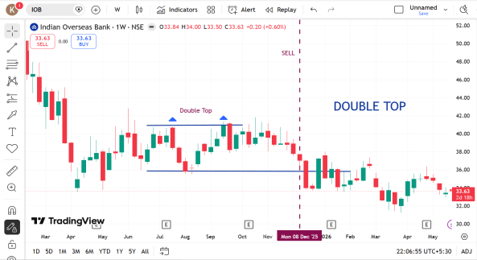
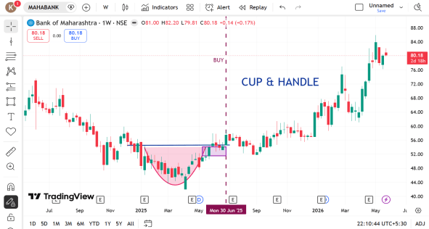
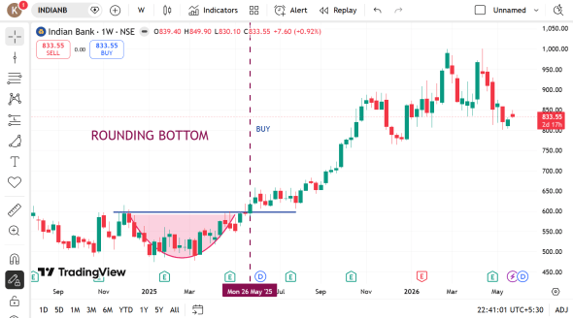
1 |  | 2 |  | 3

 | INDIAN OVERSEAS BANK |  | BANK OF MAHARASHTRA |  | INDIAN BANK

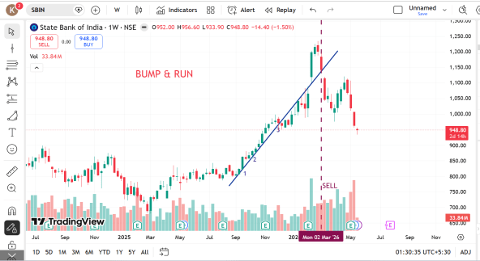
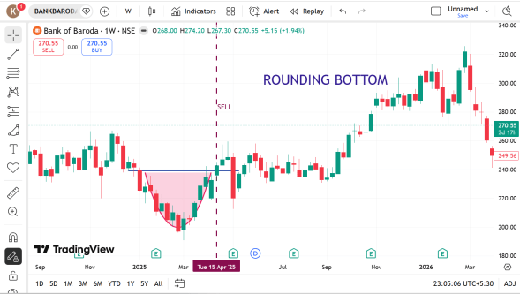
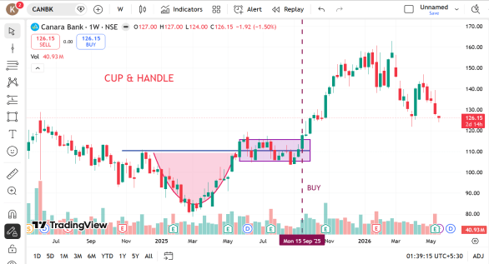
4 |  | 5 |  | 6

 | STATE BANK OF INDIA |  | BANK OF BARODA |  | CANARA BANK

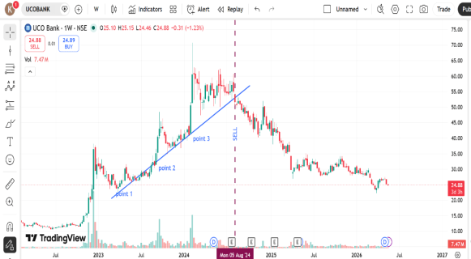
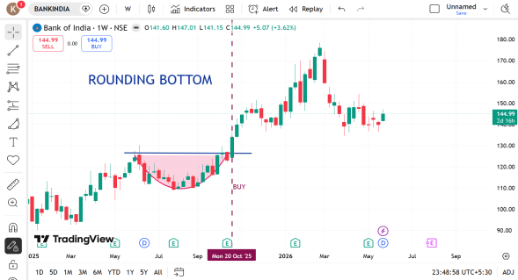
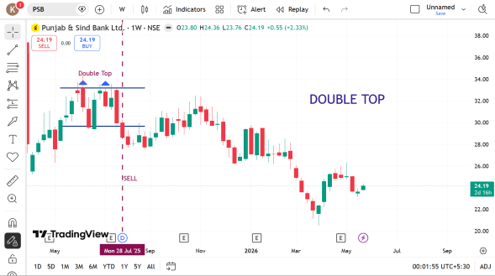
7 |  | 8 |  | 9

 | UCO BANK |  | BANK OF INDIA |  | PUNJAB & SIND BANK

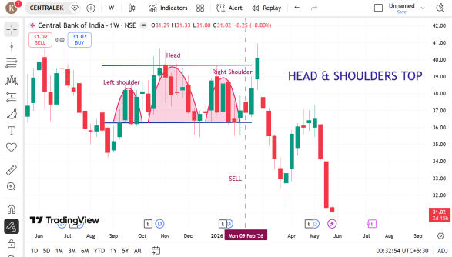
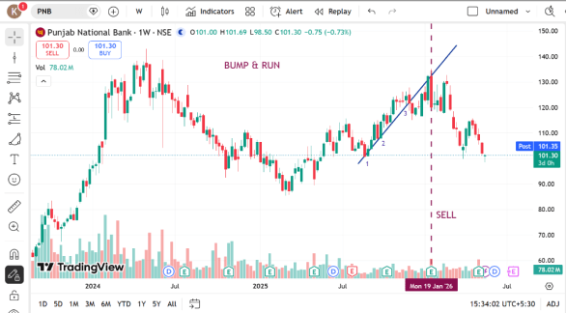
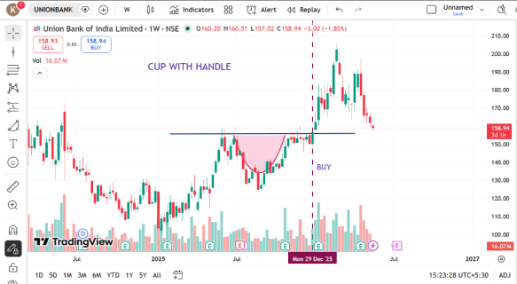
10 |  | 11 |  | 12

 | CENTRAL BANK OF INDIA |  | PUNJAB NATIONAL BANK |  | UNION BANK OF INDIA

TechnicalAnalysis_SwingTrading
TECHNICAL ANALYSIS - SWING TRADING

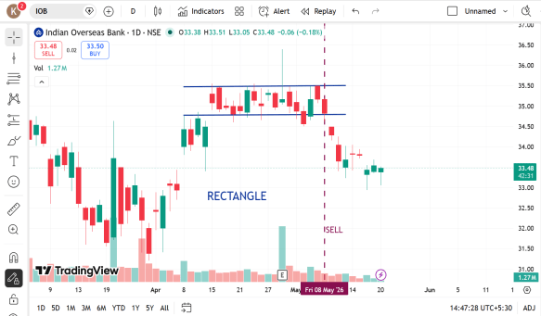
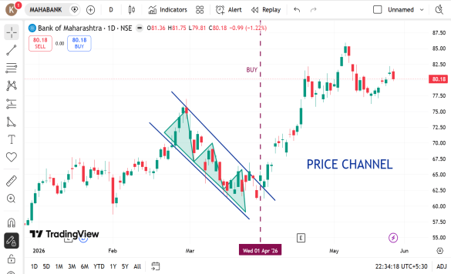
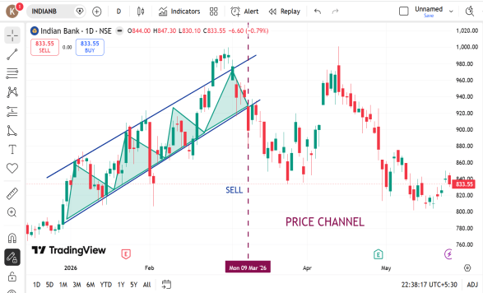
1 |  | 2 |  | 3

 | INDIAN OVERSEAS BANK |  | BANK OF MAHARASHTRA |  | INDIAN BANK

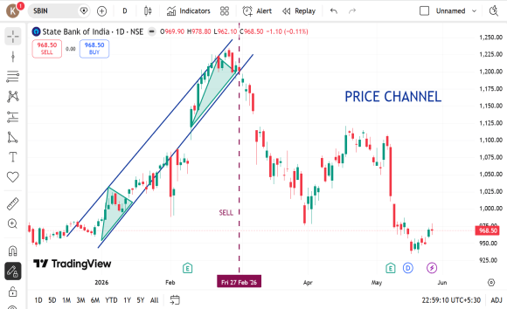
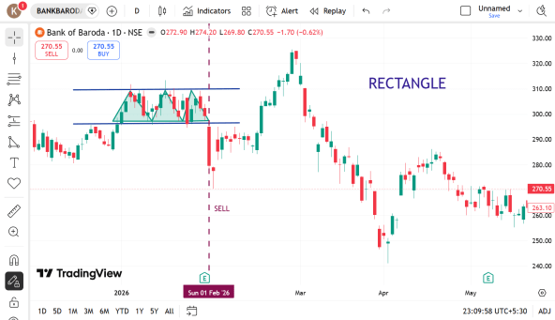
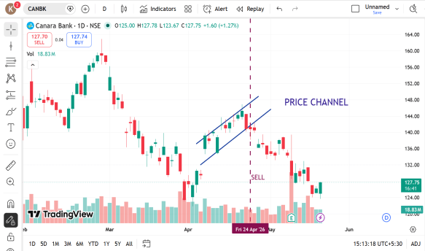
4 |  | 5 |  | 6

 | STATE BANK OF INDIA |  | BANK OF BARODA |  | CANARA BANK

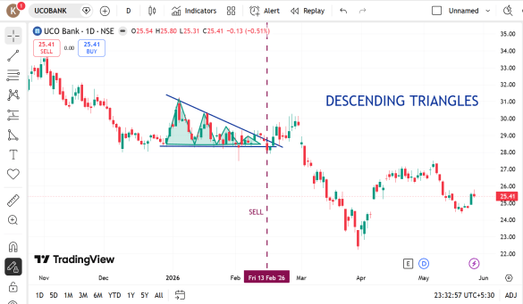
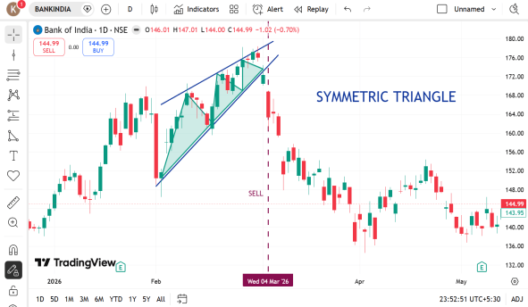
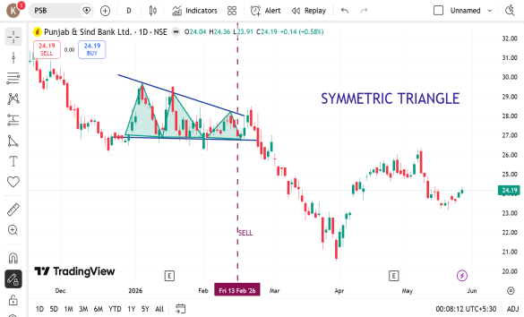
7 |  | 8 |  | 9

 | UCO BANK |  | BANK OF INDIA |  | PUNJAB & SIND BANK

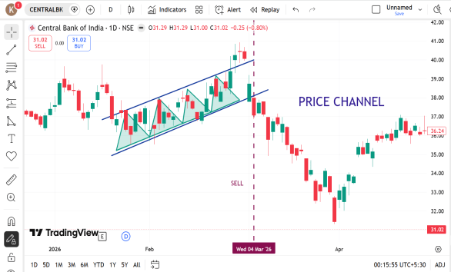
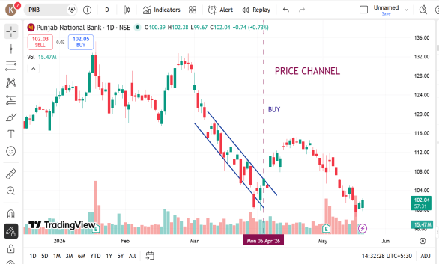
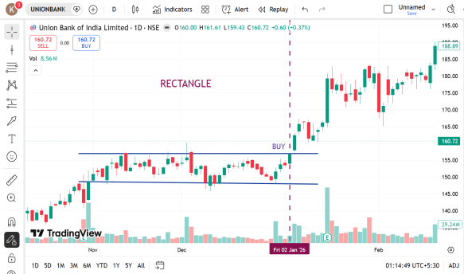
10 |  | 11 |  | 12

 | CENTRAL BANK OF INDIA |  | PUNJAB NATIONAL BANK |  | UNION BANK OF INDIA

TechnicalAnalysis_Short Term
TECHNICAL ANALYSIS - SHORT TERM

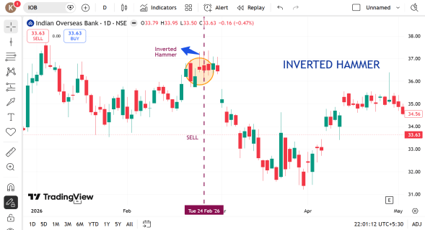
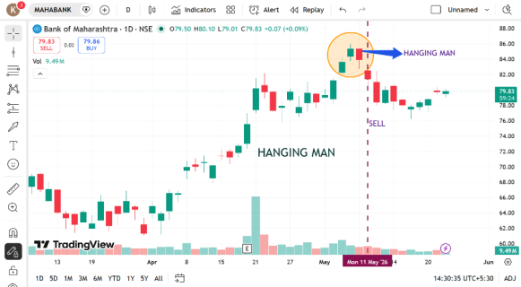
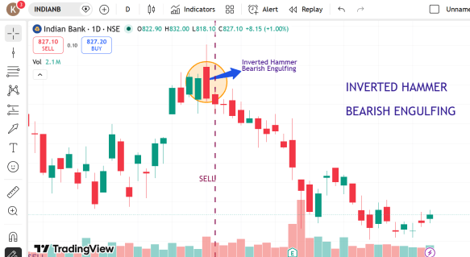
1 |  | 2 |  | 3

 | INDIAN OVERSEAS BANK |  | BANK OF MAHARASHTRA |  | INDIAN BANK

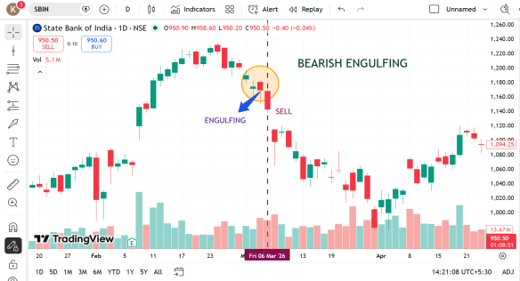
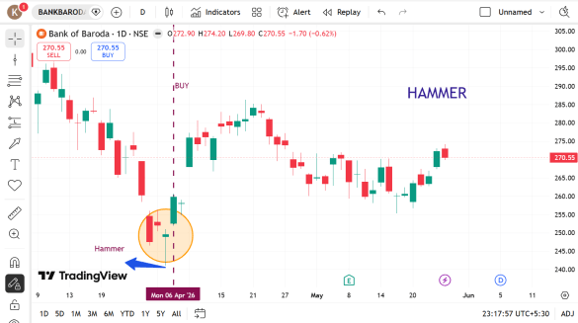
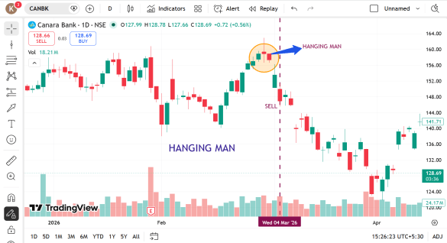
4 |  | 5 |  | 6

 | STATE BANK OF INDIA |  | BANK OF BARODA |  | CANARA BANK

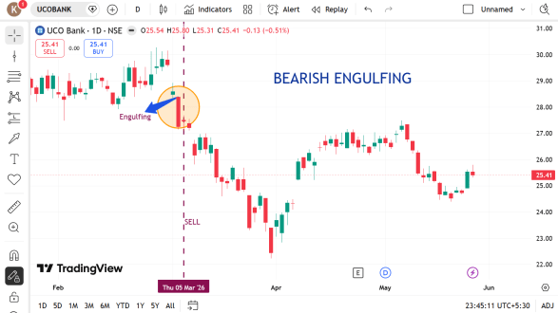
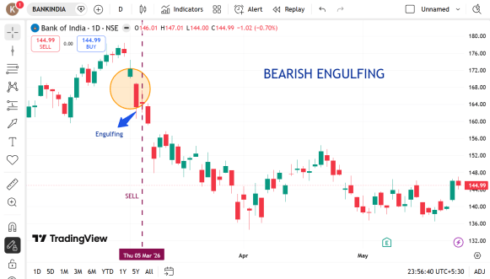
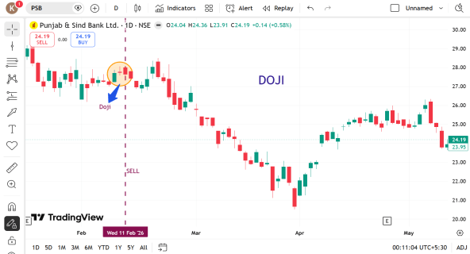
7 |  | 8 |  | 9

 | UCO BANK |  | BANK OF INDIA |  | PUNJAB & SIND BANK

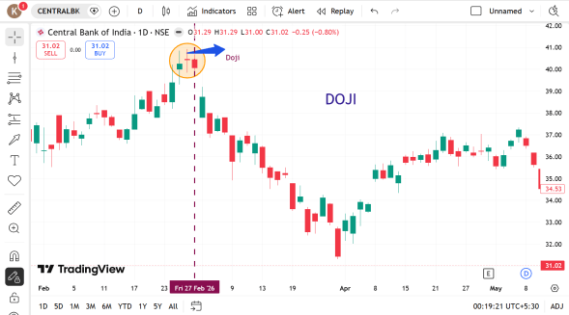
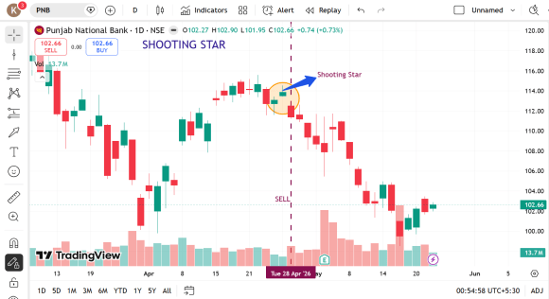
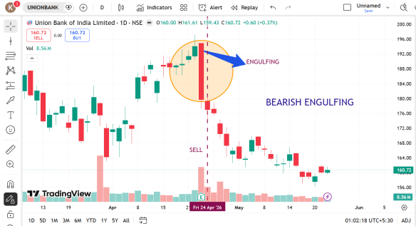
10 |  | 11 |  | 12

 | CENTRAL BANK OF INDIA |  | PUNJAB NATIONAL BANK |  | UNION BANK OF INDIA

