Tata Mutual Fund
Net AUM (Cr.) | 11329.85
Tata Small Cap Fund
Company Name | % of Assets
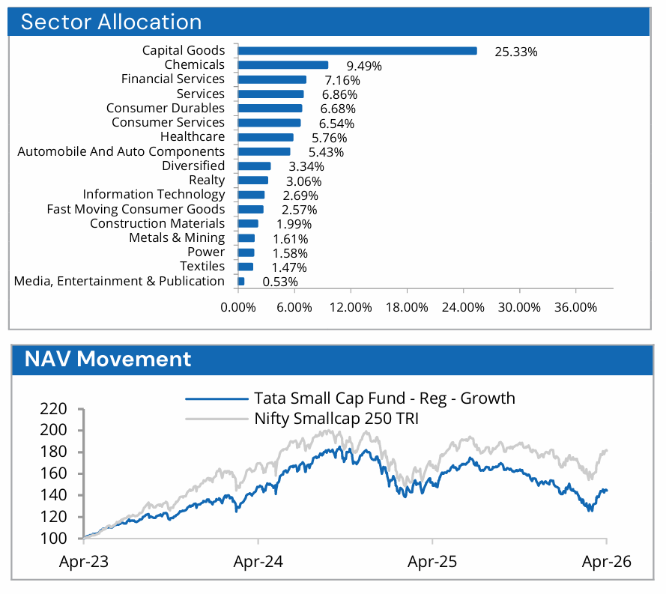
Equity & Equity Related Total | 92.21
Agricultural Food & Other Products
Sundrop Brands Ltd. | 1.04
Balrampur Chini Mills Ltd. | 1.01
Auto Components
Sundaram Clayton Ltd. | 1.93
CIE Automotive India Ltd. | 1.35
Ask Automotive Ltd. | 1.23
MM Forgings Ltd. | 0.69
Automotive Axles Ltd. | 0.23
Banks
IDFC First Bank Ltd. | 3.67
DCB Bank Ltd. | 1.87
Cement & Cement Products
The Ramco Cements Ltd. | 1.45
Chemicals & Petrochemicals
Sudarshan Chemical Industries Ltd. | 4.03
BASF India Ltd. | 2.45
Elantas Beck India Ltd. | 1.78
PCBL Chemical Ltd. | 1.11
Commercial Services & Supplies
Quess Corp Ltd. | 1.61
Redington (India) Ltd. | 1.23
Smartworks Coworking Spaces Ltd. | 0.83
Bluspring Enterprises Ltd. | 0.48
Consumer Durables
Cello World Ltd. | 2.56
Greenply Industries Ltd. | 1.65
VIP Industries Ltd. | 1.23
JSW Dulux Ltd. | 0.75
Eureka Forbes Ltd. | 0.49
Diversified
Godrej Industries Ltd. | 3.34
Entertainment
Saregama India Ltd. | 0.53
Ferrous Metals
Kirloskar Ferrous Industries Ltd. | 1.61
Fertilizers & Agrochemicals
Rallis India Ltd. | 0.13
Financial Technology (Fintech)
Network People Services Technologies Ltd. | 1.61
Healthcare Services
Krsnaa Diagnostics Ltd. | 1.36
Household Products
Eveready Industries India Ltd. | 0.52
IT - Services
Digitide Solutions Ltd. | 0.41
IT - Software
C.E. Info Systems Ltd. | 2.27
Industrial Manufacturing
Tega Industries Ltd. | 3.74
Honda India Power Products Ltd. | 1.06
Industrial Products
Kirloskar Pneumatic Company Ltd. | 5.57
Usha Martin Ltd. | 4.63
Time Technoplast Ltd. | 2.42
Graphite India Ltd. | 2.35
Carborundum Universal Ltd. | 2.01
KSB Ltd. | 2.01
Finolex Cables Ltd. | 0.79
Vardhman Special Steels Ltd. | 0.59
R R Kabel Ltd. | 0.18
Leisure Services
Wonderla Holidays Ltd. | 2
Samhi Hotels Ltd. | 1.64
Other Construction Materials
Ramco Industries Ltd. | 0.54
Pharmaceuticals & Biotechnology
Wockhardt Ltd. | 2.59
Alivus Life Sciences Ltd. | 0.74
Hikal Ltd. | 0.55
Natco Pharma Ltd. | 0.53
Power
Acme Solar Holdings Ltd. | 1.58
Powergrid Infrastructure Investment Trust | 0.09
Realty
Anant Raj Ltd. | 1.76
Keystone Realtors Ltd. | 0.95
Sri Lotus Developers And Realty Ltd. | 0.35
Retailing
Cartrade Tech Ltd. | 1.52
Shoppers Stop Ltd. | 1.38
Textiles & Apparels
Gokaldas Exports Ltd. | 0.93
Ganesha Ecosphere Ltd. | 0.54
Transport Infrastructure
Gujarat Pipavav Port Ltd. | 1.5
Transport Services
Transport Corporation Of India Ltd. | 0.64
Allcargo Global Ltd. | 0.36
Allcargo Logistics Ltd. | 0.15
Transindia Real Estate Ltd. | 0.07
TREPS | 1.47
Repo | 1.67
Portfolio Total | 95.35
Cash / Net Current Asset | 4.65
Net Assets | 100

Mirae Asset Mutual Fund
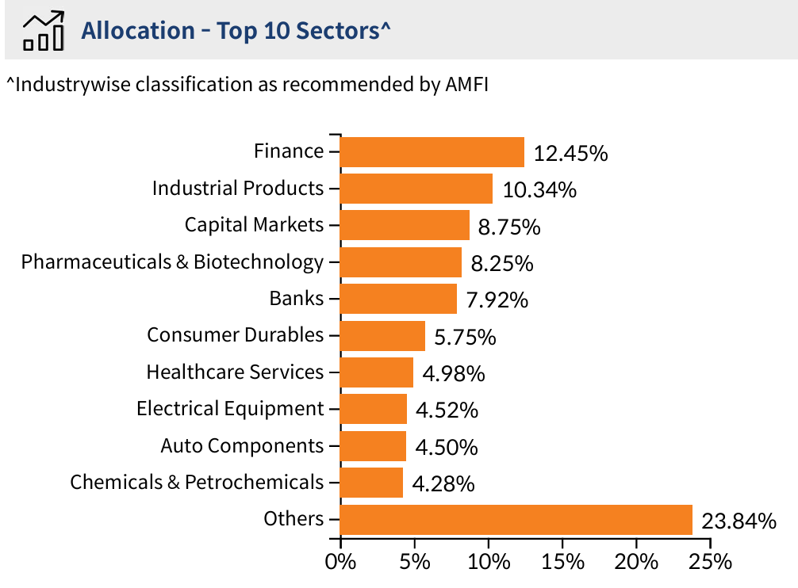
Net AUM (Cr.) | 3,333.01
MIRAE ASSET SMALL CAP FUND
Equity Shares | % of Assets
Karur Vysya Bank Ltd. | 3.45%
Cholamandalam Financial Holdings Ltd. | 2.91%
Godawari Power & Ispat Ltd. | 2.32%
Welspun Corp Ltd. | 2.28%
Kirloskar Oil Engines Ltd. | 2.18%
JK Cement Ltd. | 2.17%
Central Depository Services (I) Ltd. | 2.06%
Tenneco Clean Air India Ltd. | 2.05%
Multi Commodity Exchange of India Ltd. | 2.04%
DCB Bank Ltd. | 1.96%
Other Equities | 72.16%
Equity Holding Total | 95.58%
Cash & Other Receivables | 4.42%
Total | 100.00%

Axis Mutual Fund
 | MONTHLYAVERAGE | 26,190.64Cr.
 | AS ON 30thApril, 2026 | 27,363.97Cr.
AXIS SMALL CAP FUND
Instrument Type / Issuer Name | Industry | % of NAV
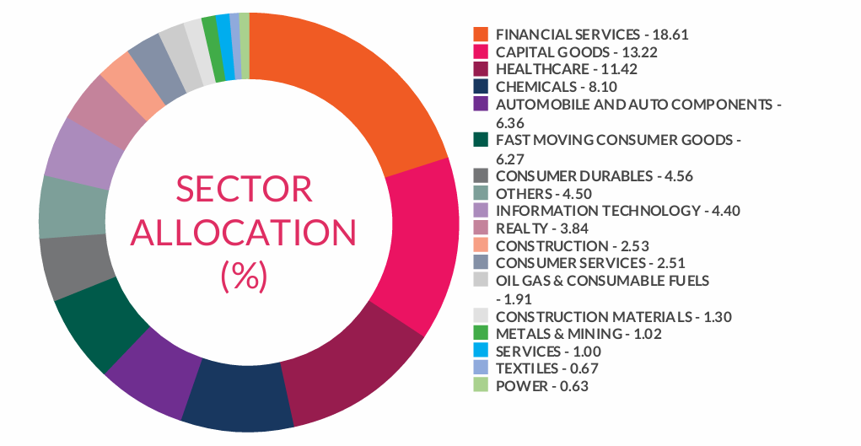
CCL Products (India) Limited | Agricultural Food & Other Products | 2.79%
NIFTY | Index | 2.74%
Krishna Institute Of Medical Sciences Limited | Healthcare Services | 2.47%
JB Chemicals & Pharmaceuticals Limited | Pharmaceuticals & Biotechnology | 2.23%
Multi Commodity Exchange of India Limited | Capital Markets | 2.23%
City Union Bank Limited | Banks | 1.94%
Brigade Enterprises Limited | Realty | 1.78%
Bank Nifty Index | Index | 1.76%
Blue Star Limited | Consumer Durables | 1.61%
Cholamandalam Financial Holdings Limited | Finance | 1.57%
Sai Life Sciences Limited | Pharmaceuticals & Biotechnology | 1.47%
Can Fin Homes Limited | Finance | 1.35%
Vesuvius India Limited | Industrial Products | 1.31%
Navin Fluorine International Limited | Chemicals & Petrochemicals | 1.30%
Karur Vysya Bank Limited | Banks | 1.30%
Craftsman Automation Limited | Auto Components | 1.26%
Minda Corporation Limited | Auto Components | 1.10%
The Phoenix Mills Limited | Realty | 1.08%
PB Fintech Limited | Financial Technology (Fintech) | 1.08%
Narayana Hrudayalaya Limited | Healthcare Services | 1.07%
Fine Organic Industries Limited | Chemicals & Petrochemicals | 1.07%
Kirloskar Oil Engines Limited | Industrial Products | 1.07%
Data Patterns (India) Limited | Aerospace & Defense | 1.05%
Ahluwalia Contracts (India) Limited | Construction | 1.05%
JK Lakshmi Cement Limited | Cement & Cement Products | 1.01%
Galaxy Surfactants Limited | Chemicals & Petrochemicals | 0.95%
Sansera Engineering Limited | Auto Components | 0.92%
PNB Housing Finance Limited | Finance | 0.92%
S.J.S. Enterprises Limited | Auto Components | 0.91%
Kalpataru Projects International Limited | Construction | 0.90%
Kaynes Technology India Limited | Industrial Manufacturing | 0.90%
Crompton Greaves Consumer Electricals Limited | Consumer Durables | 0.90%
Syrma SGS Technology Limited | Industrial Manufacturing | 0.87%
Vijaya Diagnostic Centre Limited | Healthcare Services | 0.85%
Reliance Industries Limited | Petroleum Products | 0.84%
Welspun Corp Limited | Industrial Products | 0.79%
KFin Technologies Limited | Capital Markets | 0.79%
Avalon Technologies Limited | Electrical Equipment | 0.78%
Doms Industries Limited | Household Products | 0.78%
Union Bank of India | Banks | 0.75%
HDFC Bank Limited | Banks | 0.74%
Neogen Chemicals Limited | Chemicals & Petrochemicals | 0.73%
CreditAccess Grameen Limited | Finance | 0.73%
Mrs. Bectors Food Specialities Limited | Food Products | 0.72%
Computer Age Management Services Limited | Capital Markets | 0.72%
India Shelter Finance Corporation Limited | Finance | 0.71%
Tata Consultancy Services Limited | IT - Software | 0.71%
Radico Khaitan Limited | Beverages | 0.69%
Jubilant Ingrevia Limited | Chemicals & Petrochemicals | 0.69%
Apar Industries Limited | Electrical Equipment | 0.67%
Laurus Labs Limited | Pharmaceuticals & Biotechnology | 0.65%
Sudarshan Chemical Industries Limited | Chemicals & Petrochemicals | 0.65%
RHI Magnesita India Limited | Industrial Products | 0.64%
Affle 3i Limited | IT - Services | 0.63%
Gujarat Fluorochemicals Limited | Chemicals & Petrochemicals | 0.61%
CIE Automotive India Limited | Auto Components | 0.61%
Sagility Limited | IT - Services | 0.59%
Coal India Limited | Consumable Fuels | 0.59%
Onesource Specialty Pharma Limited | Pharmaceuticals & Biotechnology | 0.58%
Inventurus Knowledge Solutions Limited | IT - Services | 0.56%
Balrampur Chini Mills Limited | Agricultural Food & Other Products | 0.56%
Delhivery Limited | Transport Services | 0.55%
Tenneco Clean Air India Limited | Auto Components | 0.55%
Azad Engineering Limited | Electrical Equipment | 0.54%
Carborundum Universal Limited | Industrial Products | 0.54%
Hindalco Industries Limited | Non-Ferrous Metals | 0.54%
R R Kabel Limited | Industrial Products | 0.54%
Aptus Value Housing Finance India Limited | Finance | 0.53%
Ujjivan Small Finance Bank Limited | Banks | 0.53%
Aditya Infotech Limited | Industrial Manufacturing | 0.53%
Gokaldas Exports Limited | Textiles & Apparels | 0.53%
Rolex Rings Limited | Auto Components | 0.52%
Healthcare Global Enterprises Limited | Healthcare Services | 0.52%
Bharat Dynamics Limited | Aerospace & Defense | 0.52%
Sudeep Pharma Limited | Chemicals & Petrochemicals | 0.52%
Grindwell Norton Limited | Industrial Products | 0.52%
Devyani International Limited | Leisure Services | 0.52%
Amber Enterprises India Limited | Consumer Durables | 0.51%
Other Domestic Equity (Less than 0.50% of corpus) |  | 18.52%
Debt, Cash & Other Current Assets |  | 7.15%
Grand Total |  | 100.00%

Aditya Birla SunLife Fund
AUM as on April 30, 2026 | 6387.78 Cr.
Monthly Average AUM | 6194.7 Cr.
Aditya Birla Sun Life Small Cap Fund
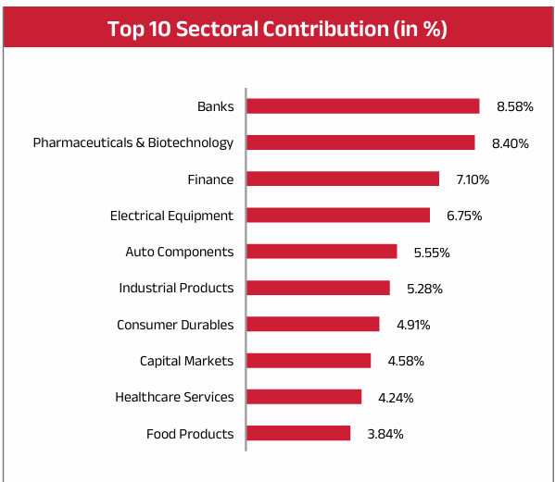
Sector / Issuer Name | % Net AUM
Banks | 8.58%
Ujjivan Small Finance Bank Limited | 1.85%
Karur Vysya Bank Ltd | 1.72%
RBL Bank Limited | 1.38%
DCB Bank Limited | 1.15%
Bank of India | 1.03%
Indian Bank | 0.99%
Bandhan Bank Limited | 0.47%
Pharmaceuticals & Biotechnology | 8.40%
SAI Life Sciences Ltd | 2.62%
Granules India Limited | 1.47%
Sanofi Consumer Healthcare | 1.04%
Jubilant Pharmova Ltd | 0.88%
Piramal Pharma Ltd | 0.66%
Acutaas Chemicals Ltd | 0.49%
Sudeep Pharma Ltd | 0.48%
Shilpa Medicare Ltd | 0.43%
Emcure Pharmaceuticals Ltd | 0.32%
Finance | 7.10%
PNB Housing Finance Limited | 2.15%
Manappuram Finance Limited | 1.64%
Aptus Value Housing Finance India Ltd | 1.08%
Cholamandalam Financial Holdings Ltd | 0.97%
Repco Home Finance Limited | 0.70%
Home First Finance Company India Ltd | 0.56%
Electrical Equipment | 6.75%
TD Power Systems Limited | 2.88%
Voltamp Transformers Limited | 1.37%
Apar Industries Limited | 1.31%
Hitachi Energy India Limited | 1.18%
Auto Components | 5.55%
Craftsman Automation Ltd | 1.61%
SJS Enterprises Pvt Limited | 1.44%
Minda Corporation Limited | 1.38%
CEAT Limited | 1.12%
Industrial Products | 5.28%
Shaily Engineering Plastics Ltd | 1.74%
Shivalik Bimetal Controls Ltd | 1.18%
RHI Magnesita India Limited | 0.72%
Jindal Saw Limited | 0.71%
Kirloskar Pneumatic Co Ltd | 0.57%
IFGL Refractories Limited | 0.25%
AGI Greenpac Limited | 0.11%
Consumer Durables | 4.91%
PG Electroplast Ltd | 1.31%
Whirlpool of India Limited | 1.06%
Crompton Greaves Consumer Electricals Ltd | 0.96%
Bluestone Jewellery And Lifestyle Ltd | 0.55%
Stylam Industries Ltd | 0.51%
Orient Electric Ltd | 0.51%
Capital Markets | 4.58%
Multi Commodity Exchange of India Ltd | 2.70%
Angel One Limited | 1.44%
Canara Robeco Asset Management Co Ltd | 0.43%
Healthcare Services | 4.24%
Krishna Institute of Medical Sciences Ltd | 1.49%
Fortis Healthcare Limited | 1.40%
Dr. Lal Path Labs Limited | 1.35%
Food Products | 3.84%
Bikaji Foods International Ltd | 1.46%
Manorama Industries Ltd | 1.44%
Mrs Bectors Food Specialities Ltd | 0.94%
Chemicals & Petrochemicals | 3.59%
Navin Fluorine International Limited | 2.99%
Phillips Carbon Black Ltd | 0.61%
Textiles & Apparels | 3.31%
Arvind Limited | 2.00%
Gokaldas Exports Ltd | 0.67%
K.P.R. Mill Limited | 0.64%
Retailing | 2.86%
Meesho Ltd | 1.52%
Swiggy Ltd | 0.87%
Aditya Birla Fashion and Retail Ltd | 0.47%
Cement & Cement Products | 2.74%
Ramco Cements Limited | 1.68%
JK Cement Limited | 1.07%
Realty | 2.35%
Sobha Limited | 1.55%
Prestige Estates Projects Limited | 0.81%
Agricultural Food & Other Products | 2.29%
CCL Products (India) Limited | 2.29%
Industrial Manufacturing | 2.19%
Aditya Infotech Ltd | 0.94%
Pitti Engineering Ltd | 0.72%
Lakshmi Machine Works Ltd | 0.53%
Beverages | 2.13%
Radico Khaitan Limited | 2.13%
IT - Services | 1.65%
Cyient Limited | 0.72%
Sagility Ltd | 0.69%
Amagi Media Labs Ltd | 0.24%
Construction | 1.64%
KEC International Limited | 0.75%
M&B Engineering Ltd | 0.63%
Power Mech Projects Limited | 0.25%
Power | 1.57%
CESC Limited | 1.57%
IT - Software | 1.49%
Latent View Analytics Limited | 0.83%
Birlasoft Limited | 0.66%
Paper Forest & Jute Products | 1.27%
Aditya Birla Real Estate Ltd | 1.27%
Non-Ferrous Metals | 1.03%
National Aluminium Company Limited | 1.03%
Commercial Services & Supplies | 1.00%
Firstsource Solutions Limited | 0.57%
Indiqube Spaces Ltd | 0.44%
Ferrous Metals | 0.94%
NMDC Steel Ltd | 0.94%
Financial Technology (Fintech) | 0.71%
PB Fintech Limited | 0.71%
Automobiles | 0.65%
Ather Energy Ltd | 0.65%
Sedemac Mechatronics | 0.35%
Sedemac Mechatronics Ltd | 0.35%
Personal Products | 0.25%
Emami Limited | 0.25%
Leisure Services | 0.20%
Chalet Hotels Limited | 0.20%
Net Cash and Cash Equivalent | 6.55%
Grand Total | 100.00%

UTI Mutual Fund
AUM Monthly Average | 4311.41Cr
Closing AUM | 4163.68Cr
UTI SMALL CAP FUND |  | Top Sector
Equity | % to NAV | Rank | Sector | % of NAV
TD Power Systems Ltd. | 2.66 | 1 | Banks | 6.48
The Karur Vysya Bank Ltd. | 2.64 | 2 | Chemicals & Petrochemicals | 5.98
Multi Commodity Exchange Of India Ltd. | 2.62 | 3 | Capital Markets | 4.06
Acutaas Chemicals Ltd. | 2.07 | 4 | Electrical Equipment | 4.02
Navin Fluorine International Ltd. | 2.05 | 5 | Pharmaceuticals | 3.99
Aster DM Healthcare Ltd. | 1.98 | 6 | Finance | 2.82
Ujjivan Small Finance Bank Ltd. | 1.96 | 7 | Industrial Manufacturing | 2.74
Inox India Ltd. | 1.89 | 8 | Auto Components | 2.51
City Union Bank Ltd. | 1.88 | 9 | Healthcare Services | 1.98
Jubilant Ingrevia Ltd. | 1.86 | 10 | Industrial Products | 1.89
Affle 3I Ltd. | 1.67
Delhivery Ltd. | 1.62
Great Eastern Shipping Co. Ltd. | 1.57
Techno Electric & Engineering Co Ltd. | 1.53
Eris Lifesciences Ltd. | 1.46
India Shelter Finance Corporation Ltd. | 1.45
KFIN Technologies Ltd. | 1.44
Tips Music Ltd. | 1.41
Praj Industries Ltd. | 1.41
Aditya Birla Capital Ltd. | 1.37
Voltamp Transformers Ltd. | 1.36
Nesco Ltd. | 1.34
MTAR Technologies Ltd. | 1.33
Caplin Point Laboratories Ltd. | 1.32
Subros Ltd. | 1.32
Gravita India Ltd. | 1.31
Suzlon Energy Ltd. | 1.28
Marksans Pharma Ltd. | 1.21
Brigade Enterprises Ltd. | 1.19
Tube Investments Of India Ltd. | 1.19
Others | 47.33
Net Current Assets | 3.27
TOTAL | 100

Quant Mutual Fund
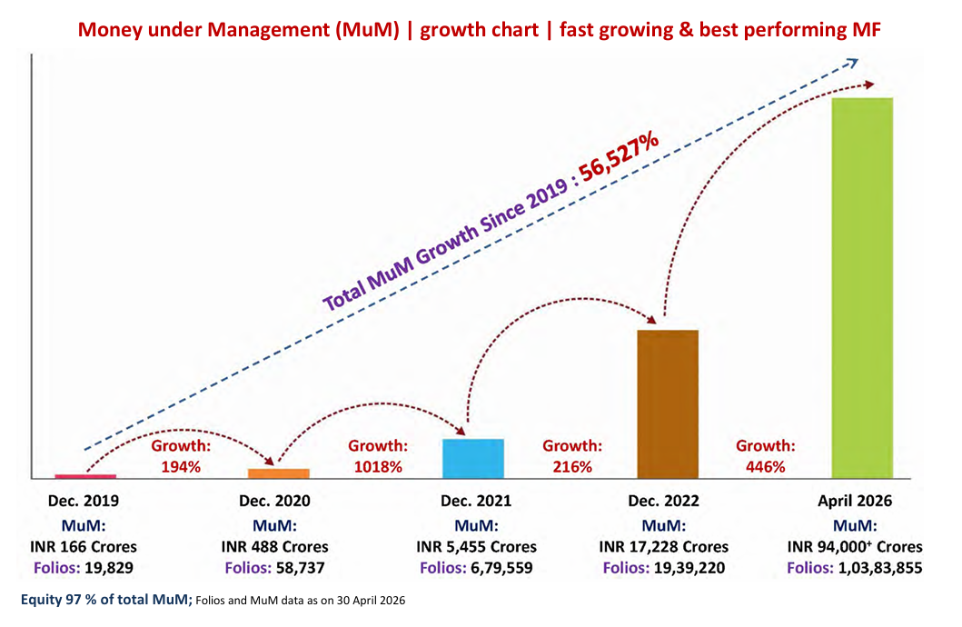
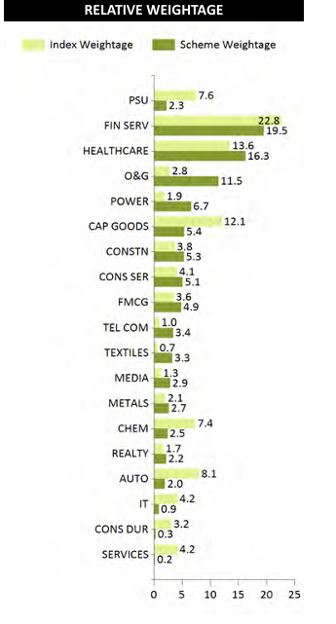
 | Fund Size | ₹ 30,374 Cr.
Quant Small Cap Fund
Sector | Company | % to NAV
Oil & Gas | Reliance Industries Ltd. | 9.47
Banking | RBL Bank Ltd. | 5.77
Power | Adani Power Ltd. | 4.38
Telecom Equipment | HFCL Ltd. | 3.44
Media & Entertainment | Sun TV Network Ltd. | 2.92
Finance (NBFC) | Piramal Finance Ltd. | 2.85
Capital Markets / Wealth Management | Anand Rathi Wealth Ltd. | 2.81
Healthcare Services | Aster DM Healthcare Ltd. | 2.61
Pharmaceuticals | Aurobindo Pharma Ltd. | 2.31
Renewable Energy / Utilities | Adani Green Energy Ltd. | 2.2
Others | Remaining Portfolio | 63.24
Total Equity |  | 95.21
Debt & Cash |  | 4.79
Grand Total |  | 100

Franklin India Small Cap Fund
Fund Size (AUM)
Month End | Rs13850.25 Cr
Monthly Average | Rs13119.74 Cr
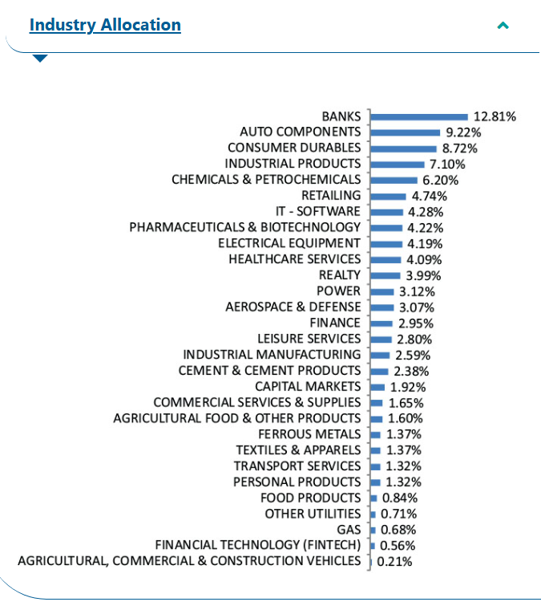
Franklin India Small Cap Fund
Sector | % of Assets
Auto Components | 8.71
Banks | 12.12
Consumer Durables | 8.25
Industrial Products | 6.73
Retailing | 4.49
Chemicals & Petrochemicals | 5.87
Pharmaceuticals & Biotechnology | 4
Realty | 3.78
Electrical Equipment | 3.97
Healthcare Services | 3.87
Industrial Manufacturing | 2.45
IT - Software | 4.06
Finance | 2.78
Power | 2.95
Leisure Services | 2.65
Aerospace & Defense | 2.9
Capital Markets | 1.81
Ferrous Metals | 1.3
Textiles & Apparels | 1.3
Personal Products | 1.24
Food Products | 0.8
Financial Technology (Fintech) | 0.53
Gas | 0.64
Other Utilities | 0.67
Commercial Services & Supplies | 1.56
Cement & Cement Products | 2.24
Agricultural Food & Other Products | 1.51
Agricultural, Commercial & Construction Vehicles | 0.2
Transport Services | 1.24
Gilts / Debt | 0.36
Cash & Current Assets | 5.03
Total | 100

