Company Cover
 | ADANI ENERGY SOLUTIONS LTD.
 | NSE/BSE Listed | Sector: Power | Industry: Power Transmission & Distribution | Part of Adani Group



ABOUT THE COMPANY
Adani Energy Solutions Ltd (AESL) is India's largest private power transmission company and part of the Adani Group. AESL operates across four segments: Power Transmission (~40%), Power Distribution (~50%), Smart Metering (~3%), and Trading/Others (~7%). The company serves 13 Mn+ consumers in Mumbai & Mundra SEZ and operates 36 transmission assets across 16 states with 27,949 ckm network. AESL's under-construction transmission pipeline stands at ~₹71,779 Cr with a smart metering pipeline of ₹29,519 Cr across 24.6 Mn meters. The company targets 30,000 ckm of transmission lines by 2030, backed by planned capex of ₹22,000 Cr (FY27) and ₹23,000 Cr (FY28).

REGISTERED OFFICE

Address: Shantigram, Near Vaishno Devi Circle, S.G. Highway, Khodiyar, Ahmedabad, Gujarat – 382421

S.No. | Name of Entity | Type
1 | Adani Energy Solutions Limited | Holding Company
2 | Adani Transmission Step-One Limited | Wholly Owned Subsidiary
3 | Adani Transmission Limited | Wholly Owned Subsidiary
4 | Adani Electricity Mumbai Limited | Subsidiary
5 | Adani Electricity Navi Mumbai Limited | Subsidiary
6 | Adani Electricity Services Limited | Subsidiary
7 | Adani Electricity Mulund Limited | Subsidiary
8 | Maharashtra Eastern Grid Power Transmission Company Limited | Subsidiary
9 | Kharghar Vikhroli Transmission Private Limited | Subsidiary
10 | Western Transmission (Maharashtra) Private Limited | Subsidiary
11 | Maru Transmission Service Company Limited | Subsidiary
12 | Fatehgarh Bhadla Transmission Limited | Subsidiary
13 | Raipur Rajnandgaon Warora Transmission Limited | Subsidiary
14 | Adani Smart Metering Limited | Subsidiary
15 | Adani Energy Solutions Smart Metering Projects Limited | Subsidiary
16 | Adani Cooling Solutions Limited | Subsidiary
17 | MPSEZ Utilities Limited | Subsidiary
18 | North Karanpura Transmission Company Limited | Subsidiary
19 | WRSS XXI (A) Transco Limited | Subsidiary
20 | Khavda Phase IV Part-A Transmission Limited | Subsidiary
21 | Khavda Phase IV Part-B Transmission Limited | Subsidiary
22 | Sangod Transmission Service Limited | Subsidiary
23 | Rajasthan Part-I Power Transmission Limited | Subsidiary
24 | Adani Transmission (India) Limited | Subsidiary
25 | Various Project SPVs acquired through TBCB bidding routes | Subsidiaries

Public
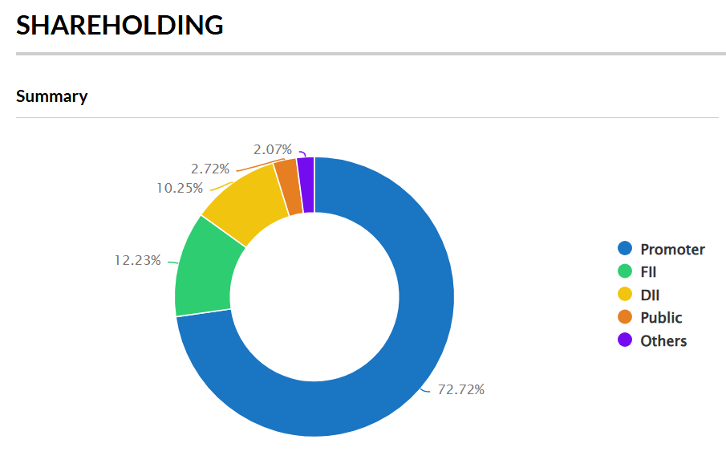
Shareholding Pattern Public Shareholder
Adani Energy Solutions Ltd
Scrip Code : 539254 |  |  | Quarter Ending : Mar-26

Statement showing shareholding pattern of the Public shareholder

Category & Name of the Shareholders | No. of shareholder | No. of fully paid up equity shares held | Total no. shares held | Shareholding % calculated as per SCRR, 1957 As a % of (A+B+C2) | No. of Voting Rights | Total as a % of Total Voting right | Total No. Of shares on fully diluted basis (including warrants, ESOP, Convertible Securities etc.) | Shareholding , as a % assuming full conversion of convertible securities ( as a percentage of diluted share capital)As a % of (A+B+C2) | No. of equity shares held in dematerialized form(Not Applicable) | Sub-categorization of shares (XV)
 |  |  |  |  |  |  |  |  |  | Shareholding (No. of shares) under
 |  |  |  |  |  |  |  |  |  | SubCategory_I | SubCategory_II | SubCategory_III
Institutions | 0 | 0 | - | 0 | - | 0 | - | 0 | - | - | - | -
B2) Institutions (Domestic) | 0 | 0 | - | 0 | - | 0 | - | 0 | - | - | - | -
Mutual Funds/ | 33 | 79,195,541 | 79,195,541 | 6.59 | 79,195,541 | 6.59 | 79,195,541 | 6.59 | 79,195,541 | - | - | -
SBI Equity Hybrid Fund | 1 | 44,073,466 | 44,073,466 | 3.67 | 44,073,466 | 3.67 | 44,073,466 | 3.67 | 44,073,466 | - | - | -
Venture Capital Funds | 0 | 0 | - | 0 | - | 0 | - | 0 | - | - | - | -
Alternate Investment Funds | 7 | 897,195 | 897,195 | 0.07 | 897,195 | 0.07 | 897,195 | 0.07 | 897,195 | - | - | -
Banks | 3 | 387 | 387 | 0 | 387 | 0 | 387 | 0 | 387 | - | - | -
Insurance Companies | 6 | 43,049,610 | 43,049,610 | 3.58 | 43,049,610 | 3.58 | 43,049,610 | 3.58 | 43,049,610 | - | - | -
Life Insurance Corporation Of India | 1 | 41,081,207 | 41,081,207 | 3.42 | 41,081,207 | 3.42 | 41,081,207 | 3.42 | 41,081,207 | - | - | -
Provident Funds/ Pension Funds | 0 | 0 | - | 0 | - | 0 | - | 0 | - | - | - | -
Asset reconstruction companies | 0 | 0 | - | 0 | - | 0 | - | 0 | - | - | - | -
Sovereign Wealth Funds | 0 | 0 | - | 0 | - | 0 | - | 0 | - | - | - | -
NBFCs registered with RBI | 4 | 1,709 | 1,709 | 0 | 1,709 | 0 | 1,709 | 0 | 1,709 | - | - | -
Other Financial Institutions | 0 | 0 | - | 0 | - | 0 | - | 0 | - | - | - | -
Any Other(Institutions (Domestic)) | 0 | 0 | - | 0 | - | 0 | - | 0 | - | - | - | -
Sub Total B1 | 53 | 123,144,442 | 123,144,442 | 10.25 | 123,144,442 | 10.25 | 123,144,442 | 10.25 | 123,144,442 | - | - | -
B17) Institutions (Foreign) | 0 | 0 | - | 0 | - | 0 | - | 0 | - | - | - | -
Foreign Direct Investment | 0 | 0 | - | 0 | - | 0 | - | 0 | - | - | - | -
Foreign Venture Capital Investors | 0 | 0 | - | 0 | - | 0 | - | 0 | - | - | - | -
Sovereign Wealth Funds | 0 | 0 | - | 0 | - | 0 | - | 0 | - | - | - | -
Foreign Portfolio Investors Category I | 173 | 130,640,837 | 130,640,837 | 10.88 | 130,640,837 | 10.88 | 130,640,837 | 10.88 | 130,640,837 | - | - | -
Inq Holding Llc | 1 | 12,868,770 | 12,868,770 | 1.07 | 12,868,770 | 1.07 | 12,868,770 | 1.07 | 12,868,770 | - | - | -
Gqg Partners Emerging Markets Equity Fund | 1 | 22,886,433 | 22,886,433 | 1.91 | 22,886,433 | 1.91 | 22,886,433 | 1.91 | 22,886,433 | - | - | -
Goldman Sachs Trust Ii - Goldman Sachs Gqg Partners International Opportunities Fund | 1 | 35,665,659 | 35,665,659 | 2.97 | 35,665,659 | 2.97 | 35,665,659 | 2.97 | 35,665,659 | - | - | -
Foreign Portfolio Investors Category II | 18 | 16,249,671 | 16,249,671 | 1.35 | 16,249,671 | 1.35 | 16,249,671 | 1.35 | 16,249,671 | - | - | -
Overseas Depositories (holding DRs) (balancing figure) | 0 | 0 | - | 0 | - | 0 | - | 0 | - | - | - | -
Any Other(Institutions (Foreign)) | 0 | 0 | - | 0 | - | 0 | - | 0 | - | - | - | -
Sub Total B2 | 191 | 146,890,508 | 146,890,508 | 12.23 | 146,890,508 | 12.23 | 146,890,508 | 12.23 | 146,890,508 | - | - | -
B29) Central Government/ State Government(s)/ President of India | 0 | 0 | - | 0 | - | 0 | - | 0 | - | - | - | -
Central Government / President of India | 0 | 0 | - | 0 | - | 0 | - | 0 | - | - | - | -
State Government / Governor | 0 | 0 | - | 0 | - | 0 | - | 0 | - | - | - | -
Shareholding by Companies or Bodies Corporate where Central / State Government is a promoter | 0 | 0 | - | 0 | - | 0 | - | 0 | - | - | - | -
Sub Total B3 | 0 | 0 | - | 0 | - | 0 | - | 0 | - | - | - | -
B34) Non-Institutions | 0 | 0 | - | 0 | - | 0 | - | 0 | - | - | - | -
Associate companies / Subsidiaries | 0 | 0 | - | 0 | - | 0 | - | 0 | - | - | - | -
Directors and their relatives (excluding independent directors and nominee directors) | 2 | 106,925 | 106,925 | 0.01 | 106,925 | 0.01 | 106,925 | 0.01 | 106,925 | - | - | -
Key Managerial Personnel | 2 | 49 | 49 | 0 | 49 | 0 | 49 | 0 | 49 | - | - | -
Relatives of promoters (other than 'immediate relatives' of promoters disclosed under 'Promoter and Promoter Group' category) | 0 | 0 | - | 0 | - | 0 | - | 0 | - | - | - | -
Trusts where any person belonging to 'Promoter and Promoter Group' category is 'trustee', 'beneficiary', or 'author of the trust' | 0 | 0 | - | 0 | - | 0 | - | 0 | - | - | - | -
Investor Education and Protection Fund (IEPF) | 0 | 0 | - | 0 | - | 0 | - | 0 | - | - | - | -
Resident Individuals holding nominal share capital up to Rs. 2 lakhs | 394,692 | 25,377,225 | 25,377,225 | 2.11 | 25,377,225 | 2.11 | 25,377,225 | 2.11 | 25,243,814 | - | - | -
Resident Individuals holding nominal share capital in excess of Rs. 2 lakhs | 95 | 7,270,279 | 7,270,279 | 0.61 | 7,270,279 | 0.61 | 7,270,279 | 0.61 | 7,240,279 | - | - | -
Non Resident Indians (NRIs) | 4,354 | 1,029,489 | 1,029,489 | 0.09 | 1,029,489 | 0.09 | 1,029,489 | 0.09 | 1,029,489 | - | - | -
Foreign Nationals | 1 | 10,000 | 10,000 | 0 | 10,000 | 0 | 10,000 | 0 | 10,000 | - | - | -
Foreign Companies | 1 | 15,682,600 | 15,682,600 | 1.31 | 15,682,600 | 1.31 | 15,682,600 | 1.31 | 15,682,600 | - | - | -
Multi Ventures Limited | 1 | 15,682,600 | 15,682,600 | 1.31 | 15,682,600 | 1.31 | 15,682,600 | 1.31 | 15,682,600 | - | - | -
Bodies Corporate | 635 | 5,711,688 | 5,711,688 | 0.48 | 5,711,688 | 0.48 | 5,711,688 | 0.48 | 5,711,688 | - | - | -
Any Other (specify) | 3,589 | 2,376,050 | 2,376,050 | 0.2 | 2,376,050 | 0.2 | 2,376,050 | 0.2 | 2,376,050 | - | - | -
Any Other (specify) | 3 | 1,336 | 1,336 | 0 | 1,336 | 0 | 1,336 | 0 | 1,336 | - | - | -
Body Corporate - LLP | 72 | 408,383 | 408,383 | 0.03 | 408,383 | 0.03 | 408,383 | 0.03 | 408,383 | - | - | -
Any Other (specify) | 3,467 | 1,736,635 | 1,736,635 | 0.14 | 1,736,635 | 0.14 | 1,736,635 | 0.14 | 1,736,635 | - | - | -
Any Other (specify) | 47 | 229,696 | 229,696 | 0.02 | 229,696 | 0.02 | 229,696 | 0.02 | 229,696 | - | - | -
Sub Total B4 | 403,371 | 57,564,305 | 57,564,305 | 4.79 | 57,564,305 | 4.79 | 57,564,305 | 4.79 | 57,400,894 | - | - | -
B=B1+B2+B3+B4 | 403,615 | 327,599,255 | 327,599,255 | 27.27 | 327,599,255 | 27.27 | 327,599,255 | 27.27 | 327,435,844 | - | - | -

Stock Analysis
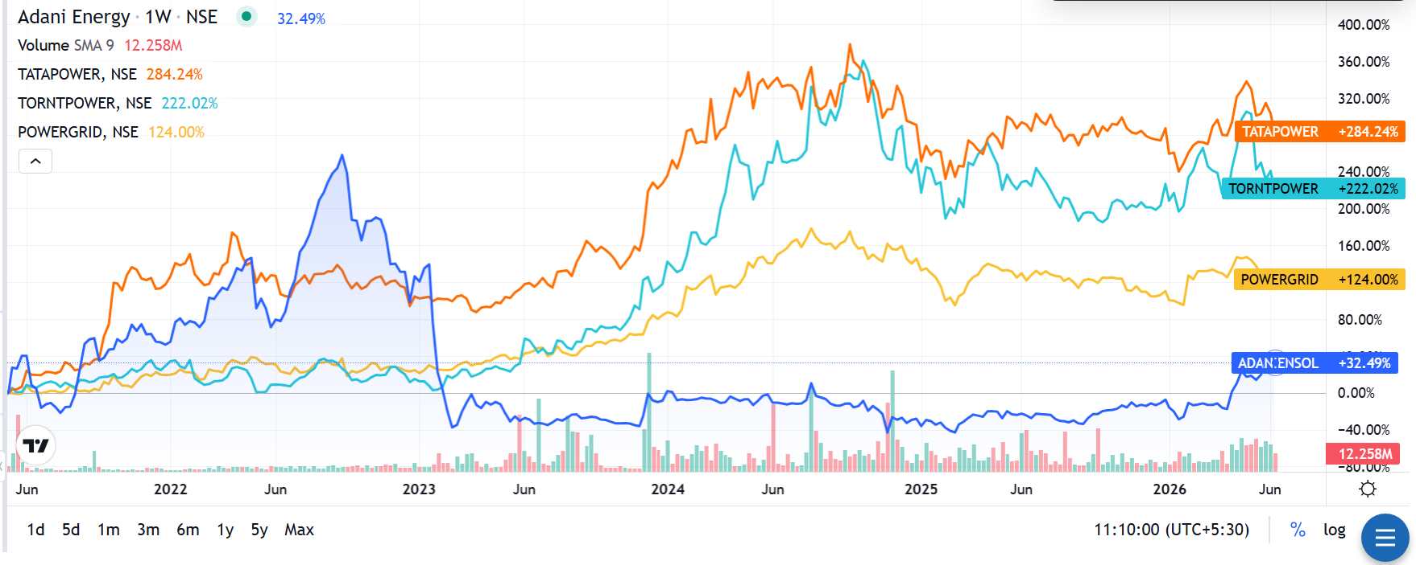
STOCK ANALYSIS — ADANI ENERGY SOLUTIONS LTD.

MARKET SNAPSHOT |  | Recommendation:
Shares Outstanding (Cr) | 120.13 | AVOID/HOLD – Adani Energy Solutions Ltd, despite operating in a structurally favourable space of power transmission, distribution, and smart metering infrastructure, currently trades at a significant premium to its intrinsic value, with our DCF-based fair value estimate of ₹543 standing nearly 64% below the current market price of ₹1,495. The company's WACC of 12.77% and projected 10-year revenue CAGR of apx13.5% with EBIT margins near 30% reflect a fundamentally sound and growing business, but these growth assumptions appear to already be priced in, and then some. On the price front, AESL has been the weakest performer among its peer set over the past five years, returning just +32.49% compared to Tata Power (+284.24%), Torrent Power (+222.02%), and Power Grid (+124.00%), having crashed over 60% in early 2023 amid group-level concerns and remaining range-bound since, with no relative-strength reversal yet visible. While the company's exposure to India's grid modernization capex cycle and potential optionality from newer verticals such as data centre power and smart metering could support a future re-rating, this remains a forward-looking, sentiment-driven case rather than one supported by current cash flow projections. Elevated valuation versus DCF fair value, persistent underperformance versus sector peers, and sensitivity of the investment case to cost-of-capital normalization for the Adani group remain key monitorables.
Book Value per Share (₹) | 211.7
Gross Debt (₹ Cr) | 48,898
Net Debt (₹ Cr) | 44,951
Net Debt / EBITDA (x) | 4.58x
Debt / Equity (x) | 1.92x
Interest Coverage (x) | 1.16x
Return on Equity | 9.5%
Return on Assets | 2.5%
Basic EPS (₹) FY26 | 19.0
EPS CAGR (FY22-FY26) | 20.5%
Revenue CAGR (FY22-FY26) | 25.5%
PAT CAGR (FY22-FY26) | 17.3%
Dividend | Nil

