Stock Analysis
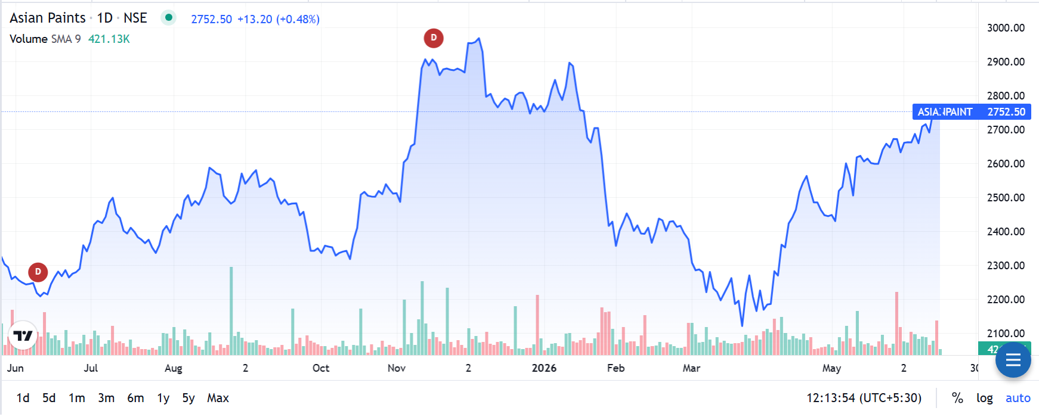

Recommendation - Asian Paints Ltd: | Financial Year | Revenue | PAT | Revenue Change | PAT Change
"HOLD" Asian Paints Ltd remains India's dominant decorative paint franchise with 52% market share, but FY25 marks a structural inflection point driven by intensifying competition from Grasim's Birla Opus, muted urban demand, and raw-material-led margin compression. FY25 standalone revenue declined 4.5% YoY to ₹33,906 Cr, while net profit fell 34% YoY to ₹3,569 Cr OPM contracted from 21.7% to 17.1%, the sharpest single-year margin compression in over a decade. The chart reflects this reset: the stock has corrected 22% from its 52-week high, partially de-rating from 70x P/E toward 55x still elevated relative to peers (Berger at 58x, Kansai at 31x) and not yet at levels that price in the market share risk fully. Birla Opus captured ~6-10% market share in FY25 alone, with Asian Paints losing ~7 percentage points (59% → 52%); Morgan Stanley flags a further 209bps loss through FY28. Long-term moat remains intact: 70,000+ dealer touchpoints, brand equity built over 75+ years, low leverage (D/E < 0.1x), consistent 65%+ dividend payout ratio, and ROCE of 27.2% well above cost of capital. A recovery in urban housing demand, raw material cost tailwinds (crude-linked inputs), and new capacity from Vizag and Mysuru plants could support earnings revival in FY27. BUY trigger: price dip to ₹2,100-2,200 or visible PAT recovery of 20%+ in H1 FY26 results. | 2024-25 | 33906 | 3569 | -4.5% | -34.6%
 | 2023-24 | 35495 | 5460 | 2.9% | 33.0%
 | 2022-23 | 34489 | 4106 | 19.2% | 0.1%
 | 2021-22 | 28923 | 4101 | 33.2% | 29.0%
 | 2020-21 | 21712 | 3178 | 0.0% | 0.0%

Peer Comps.
Asian Paints Ltd - Peer Comparison

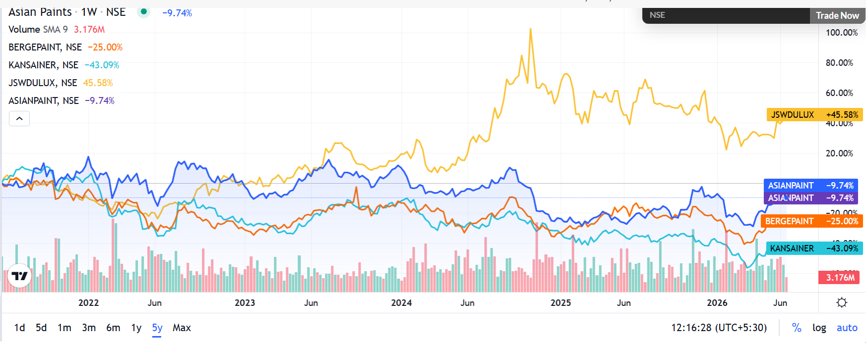
Company | Business Overview |  |  |  |  |  |  |  | Trend-Chart of 5Yr
Asian Paints Ltd | Asian Paints Ltd is India's largest paint and décor company commanding ~52% of the domestic decorative paints market. It operates across interior/exterior paints, waterproofing, industrial coatings, adhesives, and home décor with presence in 15+ countries. The company is a Nifty 50 constituent and a benchmark for consumer staples in India.
Berger Paints India Ltd | Berger Paints India Ltd is the second-largest paint company in India, engaged in decorative and industrial coatings. Known for consistent volume growth and expanding premium product offerings, Berger has steadily gained distribution reach and reported resilient performance in FY25 despite muted urban demand and competitive intensity.
Kansai Nerolac Paints Ltd | Kansai Nerolac Paints Ltd is India's largest industrial paint company and third-largest decorative paints player, a subsidiary of Japan's Kansai Paint Co. Ltd. The company operates across decorative, automotive, and industrial coatings segments from six manufacturing plants across India.
Indigo Paints Ltd | Indigo Paints Ltd is a fast-growing mid-tier decorative paint company known for its differentiated product portfolio in cement paints, tile coatings, and wood coatings. With a unique distribution strategy focusing on Tier 2/3 towns and strong brand recall via advertising, it has carved a niche in the competitive paints market.

Attribute | Asian Paints | Berger Paints | Kansai Nerolac | Indigo Paints | Metric | Asian Paints | Berger Paints | Kansai Nerolac
LTP (₹) | 2450 | 555 | 258 | 995 | Debtor Days (FY25) | 35 | 28 | 32
Sales (₹ Cr.) | 33906 | 11545 | 7823 | 1620 | Inventory Days (FY25) | 55 | 45 | 58
Net Profit 12M (₹ Cr.) | 3569 | 1180 | 1109 | 86.4 | Days Payable (FY25) | 78 | 65 | 72
Debt (₹ Cr.) | 1125 | 300 | 100 | 18.37 | Cash Conversion Cycle (FY25) | 12 | 8 | 18
Cash (₹ Cr.) | 1200 | 852 | 800 | 55 | Working Capital Days (FY25) | 15 | 12 | 22
OPM % | 0.171 | 0.158 | 0.138 | 0.136 | ROCE % (FY25) | 27.2% | 25.1% | 23.4%
P/E Ratio | Premium Valuation | 58 | 31.15 | 54
ROCE % | 0.272 | 0.251 | 0.234 | 0.192
ROE % | Strong | 22.0% | 17.3% | 15.1%
EV/EBITDA | Premium | 3486.0% | 2200.0% | 2850.0%
EPS (₹) | Strong | 1230.0% | 840.0% | 1810.0%

