About
BAJAJ FINSERV LTD
NSE: BAJAJFINSV | BSE: 532978 | Sector: Financial Services | Holding Company
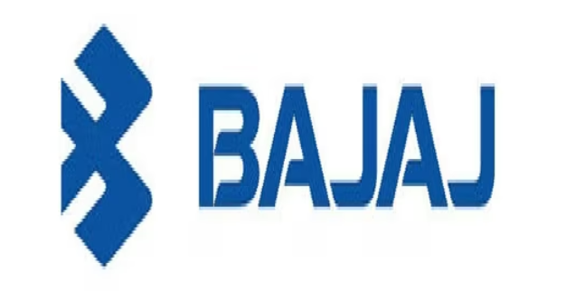

Company Snapshot
Legal Name | Bajaj Finserv Limited | CIN | L65923PN2007PLC130075
Incorporated | 30-Apr-2007 (demerger from Bajaj Auto Limited) | Registered Office | Bajaj Auto Limited Complex, Mumbai-Pune Road, Pune, Maharashtra 411035
Chairman & Managing Dir. | Sanjiv Bajaj | Website | www.bajajfinserv.in
Face Value | ₹1 per share | NSE / BSE | Financial Services > Finance > Holding Company

Business Description
Bajaj Finserv Ltd. is the listed holding company for the financial services businesses of the Bajaj Group. It is an unregistered Core Investment Company (CIC) under RBI's CIC Directions and does not itself carry out an operating business value accrues from its stakes in operating subsidiaries spanning retail/SME/commercial lending (Bajaj Finance Ltd.), general & health insurance (Bajaj General Insurance Co. Ltd., formerly BAGIC), life insurance (Bajaj Life Insurance Co. Ltd., formerly BALIC), and a small direct-to-consumer platform (Bajaj Markets). Post Allianz buy-out in FY26, BFS holds 100% of both insurance arms.

Group Structure - Holdings
Entity | Business | BFS Effective Stake | Listing Status
Bajaj Finance Limited | NBFC - retail, SME & commercial lending | 51.32% | Listed (BAJFINANCE)
Bajaj Housing Finance Limited | Housing finance (88.70%-owned subsidiary of Bajaj Finance) | ~45.5% look-through | Listed (BAJAJHFL)
Bajaj General Insurance Co. Ltd. | General & health insurance (fka BAGIC) | 100% (post Allianz buy-out, FY26) | Unlisted
Bajaj Life Insurance Co. Ltd. | Life insurance (fka BALIC) | 100% (post Allianz buy-out, FY26) | Unlisted
Bajaj Markets (Finserv Direct) | Digital consumer platform - loans, cards, insurance, MF | 100% | Unlisted

Stock Analysis
Stock Analysis
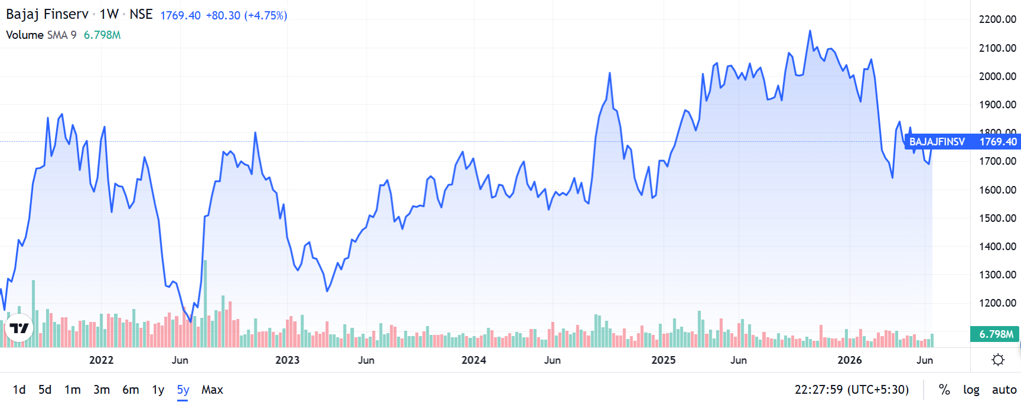

Recommendation:
BUY – Bajaj Finserv Ltd. is the listed holding company for the Bajaj Group's financial services businesses, with stakes in Bajaj Finance (51.3%), and post-Allianz buyout in FY26, 100% ownership of both Bajaj Life Insurance (BALIC) and Bajaj General Insurance (BAGIC). FY26 consolidated revenues stood at ₹1,50,530 Cr with PAT of ₹20,059 Cr. The consolidated loan book crossed ₹5,00,016 Cr (up 22% YoY). ROE sustained above 26% and BVPS reached ₹975/share. At CMP ₹1,754, BFS trades at 1.80x FY26 P/B vs. intrinsic value estimate of ₹2,050+; with loan book CAGR of ~27% over FY22-26 and improving insurance profitability post-buyout, the holdco discount to NAV offers a compelling entry. Key risks: BFL credit cost spike, regulatory tightening on NBFC lending, and insurance JV restructuring costs.

Financial Year | Total Income (₹ Cr) | PAT (₹ Cr) | Total Income Change | PAT Change (%)
FY 2025-26 | 150,530.38 | 20,059.11 | 12.5% | 14.4%
FY 2024-25 | 133,822.12 | 17,540.72 | 21.2% | 12.5%
FY 2023-24 | 110,383.00 | 15,588.36 | 34.5% | 27.7%
FY 2022-23 | 82,072.01 | 12,209.12 | 19.9% | 46.3%
FY 2021-22 | 68,438.98 | 8,346.79 | 0 | 0

Particulars | 2022 | 2023 | 2024 | 2025 | 2026 | Avg 5Y

