About


About

Canara Bank is one of India's largest public sector banks, headquartered in Bengaluru, Karnataka. Established in 1906, the bank was nationalised in 1969 and operates under the ownership of the Government of India. It serves over 100 million customers through a network of 10,000+ branches and 12,000+ ATMs across India and select international locations. Canara Bank offers a comprehensive suite of banking products and services spanning retail banking, corporate banking, MSME lending, agricultural finance, and treasury operations. The bank is listed on both NSE (CANBK) and BSE and forms part of the Nifty PSU Bank index. It is well regarded for its strong government banking franchise, improving asset quality metrics, and expanding digital banking initiatives. FY25 marked continued improvement in Gross NPA ratios and consistent profitability growth.

Subsidiaries (as on 31 March 2026) |  | Associate Companies / Units

Subsidiary | Ownership | Associate | Ownership
Canbank Venture Capital Fund Ltd. | 100% | Can Fin Homes Ltd. | 29.99%
Canbank Financial Services Ltd. | 100% | Kerala Gramin Bank | 35.00%
Canara Bank Securities Ltd. | 100% | Karnataka Grameena Bank | 35.00%
Canbank Factors Ltd. | 70% | Canara Robeco Asset Management Company Ltd. | 38.00%
Canbank Computer Services Ltd. | 69.14% | Canara HSBC Life Insurance Company Ltd. | 36.50%
Canara Tanzania Ltd. (In Liquidation) | 100% | Joint Venture | Ownership
CRMF Trustee Private Ltd. | 51% | Higher Education Financing Agency (HEFA) | 9.09%

Stock Analysis
Stock Analysis
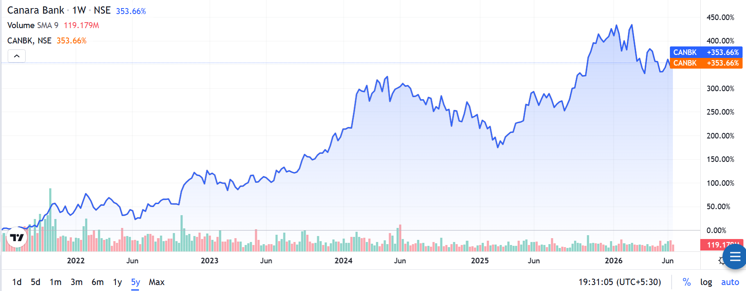

Recommendation: | Financial Year | Total Income (₹ Cr) | PAT (₹ Cr) | Total Income Change (%) | PAT Change (%)
BUY - Canara Bank is one of India's largest public sector banks, delivering consistent improvement in profitability, asset quality, and return ratios over FY2021–25. The bank reported FY25 Net Profit of ₹18,951 Cr (up 9.3% YoY) on Total Income of ₹1,53,083 Cr, with ROE of 15.9% and ROA of 1.0%. Gross NPA improved to 4.23% (from ~8.4% in FY21) reflecting strong credit discipline. CASA ratio stands at 33.5% and NIM at 2.17%. The bank's capital adequacy remains comfortable with Tier-1 CAR at 14.6%. At CMP ₹135, Canara trades at 1.04x FY25 P/B vs peer median of ~1.01x fairly valued with upside potential as ROE improves toward 17%+ in FY27E. Key risks: NPA re-emergence, deposit repricing pressure, and slower-than-expected credit growth in the agriculture/MSME book. | FY 2024-25 | 153,083 | 18,951 | 0.3% | 9.3%
 | FY 2023-24 | 152,658 | 17,336 | 9.7% | 17.3%
 | FY 2022-23 | 139,165 | 14,782 | 25.1% | 36.8%
 | FY 2021-22 | 111,210 | 10,808 | 18.0% | 86.5%
 | FY 2020-21 | 94,257 | 5,795 | 0.0% | 0.0%

WACC
Weighted Average Cost of Capital

Capital Structure
Total Debt | 155,288.0
Total Equity | 117,705.0
Total Mix | 272,993.0
% of Debt | 56.9%
% of Equity | 43.1%
Debt to Equity | 131.9%

Cost of Equity |  |  | Cost of Debt
Risk free rate(Rf) | 6.6%
Beta | 1.50 |  | Cost of debt* | 9.6%
Market risk premium | 7.0% |  | Tax rate | 25.0%
Cost of equity | 17.1% |  | Cost of Debt after tax | 7.2%

WACC
Source | Weight | Cost | Weighted Cost
Debt | 56.9% | 7.2% | 4.1%
Equity | 43.1% | 17.1% | 7.4%
WACC |  |  | 11.5%

