Company Overview
COAL INDIA LTD


About The Company:
Coal India Limited (CIL) is the world's largest coal-producing company and a Maharatna Public Sector Undertaking under the Ministry of Coal, Government of India. The company is primarily engaged in the mining and production of coal and also operates coal washeries. Coal India supplies around 80% of India's total coal production and is a key supplier to the power and steel sectors. Other major consumers include cement, fertilizer, brick kiln, and various industrial sectors.

 | Mining Areas / Major Operations
 | > Eastern Coalfields Limited (ECL) – West Bengal & Jharkhand > Bharat Coking Coal Limited (BCCL) – Jharkhand > Central Coalfields Limited (CCL) – Jharkhand > Western Coalfields Limited (WCL) – Maharashtra & Madhya Pradesh > South Eastern Coalfields Limited (SECL) – Chhattisgarh & Madhya Pradesh > Northern Coalfields Limited (NCL) – Madhya Pradesh & Uttar Pradesh > Mahanadi Coalfields Limited (MCL) – Odisha

Subsidiaries
1. Eastern Coalfields Limited (ECL), Sanctoria, West Bengal 2. Bharat Coking Coal Limited (BCCL), Dhanbad, Jharkhand 3. Central Coalfields Limited (CCL), Ranchi, Jharkhand 4. Western Coalfields Limited (WCL), Nagpur, Maharashtra 5. South Eastern Coalfields Limited (SECL), Bilaspur, Chhattisgarh 6. Northern Coalfields Limited (NCL), Singrauli, Madhya Pradesh 7. Mahanadi Coalfields Limited (MCL), Sambalpur, Odisha 8. Central Mine Planning & Design Institute Limited (CMPDI), Ranchi, Jharkhand 9. CIL Solar PV Limited, Kolkata, West Bengal 10. CIL Navikarniya Urja Limited, Kolkata, West Bengal 11. Coal India Africana Limitada, Mozambique (Wholly Owned Overseas Subsidiary)

 | Units

 | 1. Corporate Headquarters, Coal Bhawan, Premise No. 04 MAR, Plot No. AF-III, Action Area-1A, New Town, Rajarhat, Kolkata – 700156, West Bengal
 | 2. Central Mine Planning & Design Institute (CMPDI), Ranchi, Jharkhand
 | 3. CIL Solar PV Limited, Kolkata, West Bengal
 | 4. CIL Navikarniya Urja Limited, Kolkata, West Bengal
 | 5. Coal India Africana Limitada, Mozambique
 | 6. Various First Mile Connectivity (FMC) Infrastructure Projects across India
 | 7. Coal Washeries located across subsidiary mining areas

Promoters
Statement showing shareholding pattern of the Promoter and Promoter Group
Category of shareholder | Entity Type | Nos. of shareholders | No. of fully paid up equity shares held | Total nos. shares held | Shareholding as a % of total no. of shares (calculated as per SCRR, 1957)As a % of (A+B+C2) | Number of Voting Rights held in each class of securities |  | Total No. Of shares on fully diluted basis (including warrants, ESOP, Convertible Securities etc.) | Shareholding , as a % assuming full conversion of convertible securities ( as a percentage of diluted share capital)As a % of (A+B+C2) | Number of equity shares held in dematerialized form | 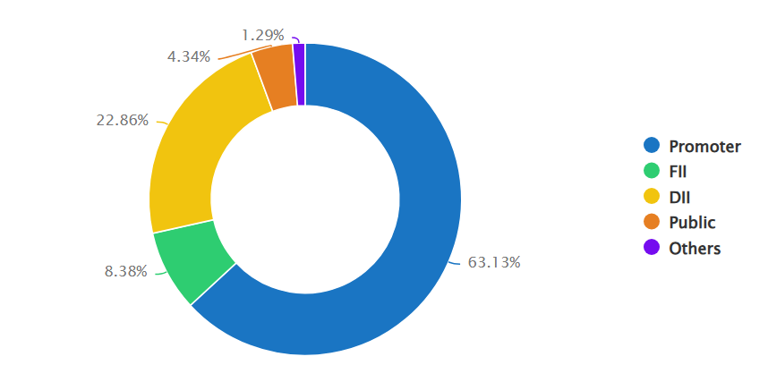
 |  |  |  |  |  | Class eg: X | Total

A1) Indian |  | - | - | - | 0 | - | 0 | - | 0 | -
Central Government/ State Government(s) |  | 1 | 3,890,735,938 | 3,890,735,938 | 63.13 | 3,890,735,938 | 63.13 | 3,890,735,938 | 63.13 | 3,890,735,938
PRESIDENT OF INDIA | Promoter | 1 | 3,890,735,938 | 3,890,735,938 | 63.13 | 3,890,735,938 | 63.13 | 3,890,735,938 | 63.13 | 3,890,735,938
Sub Total A1 |  | 1 | 3,890,735,938 | 3,890,735,938 | 63.13 | 3,890,735,938 | 63.13 | 3,890,735,938 | 63.13 | 3,890,735,938
A2) Foreign |  | - | - | - | 0 | - | 0 | - | 0 | -
A=A1+A2 |  | 1 | 3,890,735,938 | 3,890,735,938 | 63.13 | 3,890,735,938 | 63.13 | 3,890,735,938 | 63.13 | 3,890,735,938

Stock Analysis
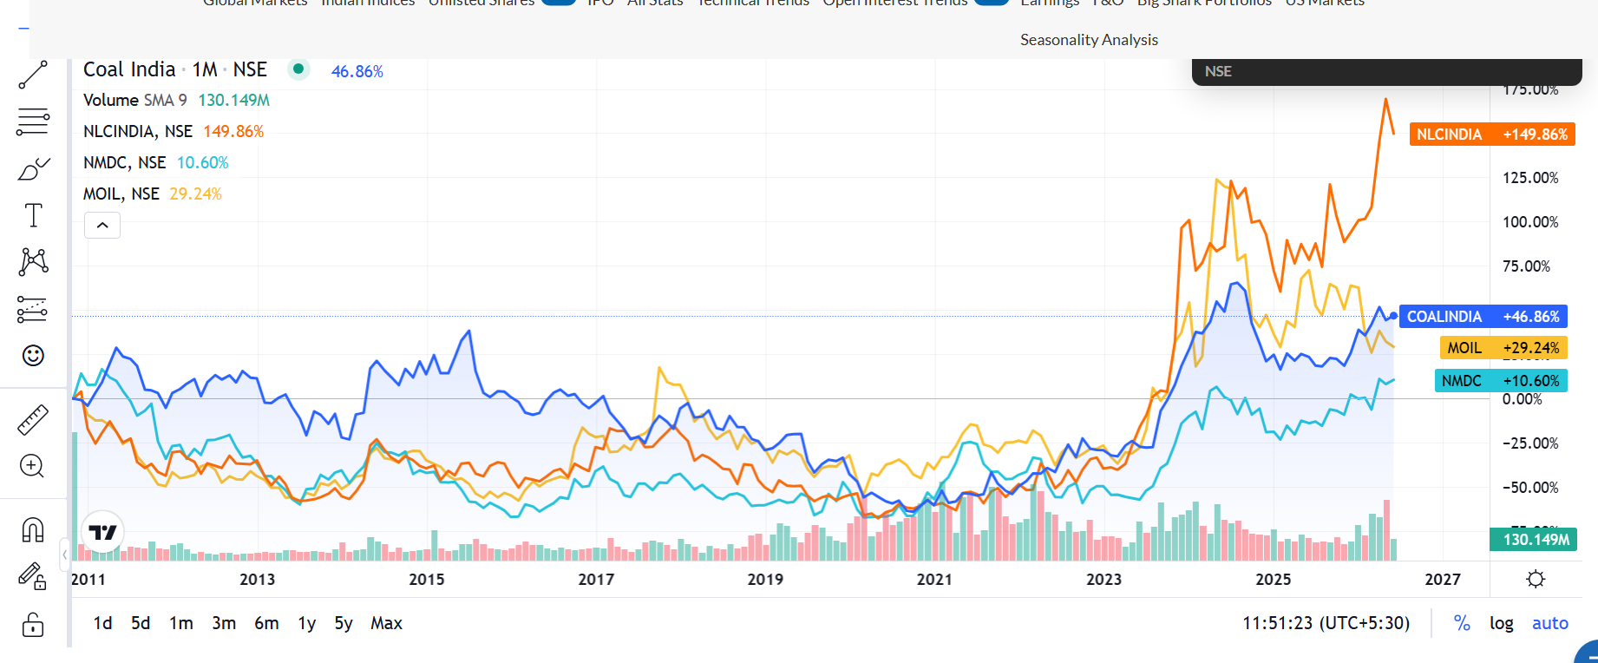

 | My Recommendation
 | Investor Type | View
 | Already Holding | HOLD
 | Long-Term Dividend Investor | BUY / ACCUMULATE
 | Looking for High Growth | Avoid
 | Value Investor | BUY ON DIPS

Stock Analysis:
Coal India appears fairly valued to slightly undervalued at current levels. The stock's biggest attraction remains its strong dividend yield, cash generation, and low valuation multiples rather than high earnings growth. Investors seeking stable income and value may continue to accumulate on corrections, while existing shareholders can comfortably hold the stock.

Forecasting
Forecasting

Sales Forecasting |  |  |  | EBITDA Forecasting |  |  |  | EPS Forecasting
Year Weight | Year | Sales (INR Cr.) | Sales Growth | Year Weight | Year | EBITDA (INR Cr.) | EBITDA Growth | Year Weight | Year | EPS (INR) | EPS Growth
1 | 2022 | 109,713.50 |  | 1 | 2022 | 24,690.51 |  | 1 | 2022 | 28.21
2 | 2023 | 138,251.91 | 26.0% | 2 | 2023 | 36,817.87 | 49.1% | 2 | 2023 | 45.65 | 61.8%
3 | 2024 | 142,323.98 | 2.9% | 3 | 2024 | 47,971.49 | 30.3% | 3 | 2024 | 59.94 | 31.3%
4 | 2025 | 143,368.92 | 0.7% | 4 | 2025 | 47,063.01 | (1.9%) | 4 | 2025 | 56.53 | (5.7%)
5 | 2026 | 168,400.29 | 17.5% | 5 | 2026 | 41,241.99 | (12.4%) | 5 | 2026 | 49.19 | (13.0%)
6 | 2027 | 177,158.90 | 5.2% | 6 | 2027 | 52,561.40 | 27.4% | 6 | 2027 | 63.75 | 29.6%
7 | 2028 | 189,407.96 | 6.9% | 7 | 2028 | 56,896.21 | 8.2% | 7 | 2028 | 69.04 | 8.3%
8 | 2029 | 201,657.02 | 6.5% | 8 | 2029 | 61,231.02 | 7.6% | 8 | 2029 | 74.32 | 7.7%
9 | 2030 | 213,906.07 | 6.1% | 9 | 2030 | 65,565.83 | 7.1% | 9 | 2030 | 79.60 | 7.1%
10 | 2031 | 226,155.13 | 5.7% | 10 | 2031 | 69,900.64 | 6.6% | 10 | 2031 | 84.89 | 6.6%

