Company Overview
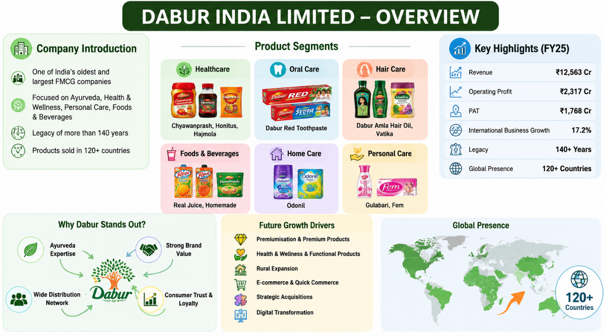
DABUR INDIA LIMITED
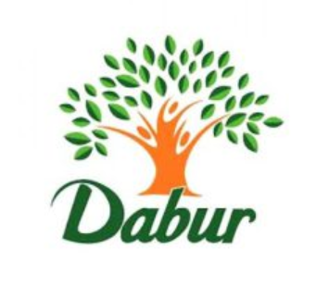 Sector : FMCG | Industry : Household & Personal Products
Section | Points for Equity Research
Company Name | Dabur India Ltd
Industry | FMCG / Consumer Defensive
Founded | 1884
Business Type | Ayurvedic & Natural Healthcare Company
Presence | 120+ Countries
Core Segments | Hair Care, Oral Care, Healthcare, Foods & Beverages, Home Care
Key Brands | Dabur Amla, Real, Dabur Red, Hajmola, Chyawanprash, Odonil
Business Strength | Strong Brand Value + Wide Distribution Network
Competitive Advantage | Ayurveda positioning, consumer trust, repeat purchases
Revenue Drivers | Rural expansion, premiumisation, wellness products, e-commerce
Future Growth Focus | Health & Wellness, Functional Beverages, Premium Products
Management Strategy | Double-digit CAGR target till FY28
FY25 Revenue | ₹12,563 Cr
FY25 Operating Profit | ₹2,317 Cr
FY25 PAT | ₹1,768 Cr
International Business Growth | 17.20%
ESG Highlights | 61% renewable energy usage, 87% recyclable packaging
Key Positives | Stable cash flows, strong margins, defensive business model
Risks | Competition, inflation, changing consumer demand
Valuation Methods | DCF, Relative Valuation, FCFF
Why Premium Valuation? | Predictable earnings and strong brand loyalty
Analyst View | Stable long-term FMCG company with consistent growth potential

Address | Dabur Registered Office:8/3, Asaf Ali Road, New Delhi – 110002

Stock Analysis
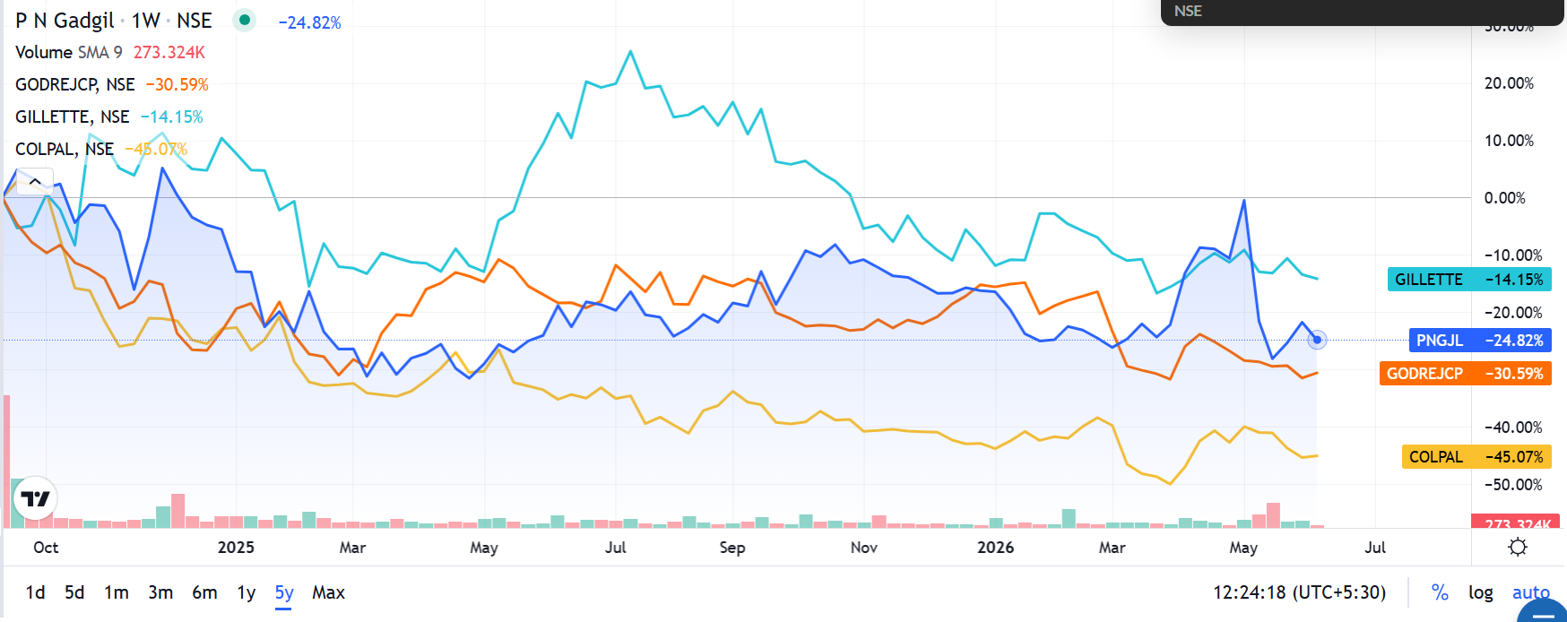

 | Recommendation
 | Investor Type
 | Existing Shareholder | HOLD
 | Long-Term Investor | ACCUMULATE
 | Value Investor | WAIT FOR DIPS
 | Short-Term Trader | NEUTRAL

Stock Analysis:
Despite the recent underperformance across the FMCG sector, Dabur India continues to demonstrate resilient fundamentals supported by strong brands, healthy cash generation, and a debt-free balance sheet. The correction seen across peers such as Godrej Consumer, Colgate-Palmolive, and Gillette suggests that sector-wide valuation compression rather than company-specific weakness has driven stock performance. While near-term growth remains moderate, improving rural demand and Dabur's strong market position provide a foundation for long-term value creation. Therefore, I maintain a HOLD recommendation, with accumulation advised on meaningful price corrections.

WACC
Weighted average cost of capital

All Figures are in INR unless stated otherwise

Peer Comp |  |  |  |  |  |  |  |  |  | S.No. | Name | CMP Rs. | Mar Cap Rs.Cr. | Debt Rs.Cr. | Debt / Eq | Beta
 |  |  |  |  |  |  |  |  |  | 1 | Godrej Consumer | 1027.5 | 105138.38 | 4415.81 | 0.35 | 0.63
 |  |  |  |  |  | Debt/ | Debt/ | Levered/ | Unlevered/ | 2 | Dabur India | 451.05 | 80002.3 | 1287.32 | 0.11 | 0.60
Name of the company |  | Country | Total Equity | Total Debt | Tax Rate 1 | Equity | Capital | beta 2 | beta 3 | 3 | Colgate-Palmoliv | 2156.9 | 58664.58 | 47.41 | 0.03 | 0.01
 |  |  |  |  |  |  |  |  |  | 4 | P & G Hygiene | 9585 | 31113.62 | 2.06 | 0 | 0.85
Dabur India |  | India | 80002.3 | 1287.32 | 25.00% | 11.00% | 1.58% | 0.60 | 0.56 | 5 | Gillette India | 7783.5 | 25366.43 | 0.05 | 0 | 0.43
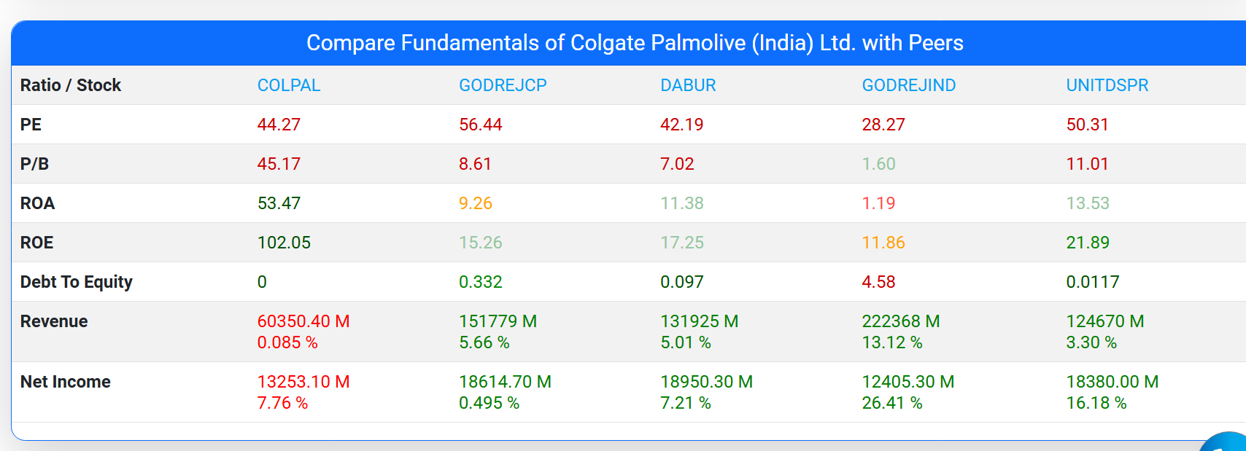
Godrej Consumer |  | India | 105138.38 | 4415.81 | 25.00% | 35.00% | 4.03% | 0.63 | 0.50
Colgate-Palmoliv |  | India | 58664.58 | 47.41 | 25.00% | 3.00% | 0.08% | 0.01 | 0.01
P & G Hygiene |  | India | 31113.62 | 2.06 | 25.00% | 0.00% | 0.01% | 0.85 | 0.85
Gillette India |  | India | 25366.43 | 0.05 | 25.00% | 0.00% | 0.00% | 0.43 | 0.43

 |  |  |  | Average | 25.00% | 9.80% | 1.14% | 0.51 | 0.47
 |  |  |  | Median | 25.00% | 3.00% | 0.08% | 0.60 | 0.50

Cost of Debt |  |  |  |  | Cost of Equity

Pre-tax Cost of Debt |  |  | 11.29% |  | Risk Free Rate |  |  |  | 7.09%
Tax Rate |  |  | 25.00% |  | Equity Risk Premium |  |  |  | 7.00%
After Tax Cost of Debt |  |  | 8.47% |  | Levered Beta 4 |  |  |  | 0.50
 |  |  |  |  | Cost of Equity |  |  |  | 10.61%

Capital Structure |  |  |  |  | Levered Beta

 |  | Current | Target |  | Comps Median Unlevered Beta |  |  |  | 0.50
Total Debt | 1287.32 | 1.6% | 1.14% |  | Target Debt/ Equity |  |  |  | 1.15%
Market Captailizatation | 80,002.3 | 98.4% | 98.86% |  | Tax Rate |  |  |  | 25.00%
Total Capital | 81,289.6 | 100% | 100.00% |  | Levered Beta |  |  |  | 0.50

Debt/equity |  | 1.61% | 1.15%
 |  |  |  |  | Weighted Average Cost of Capital

 |  |  |  |  | Cost of Equity |  |  |  | 10.61%
 |  |  |  |  | Equity Weight |  |  |  | 98.86%

 |  |  |  |  | Cost of Debt |  |  |  | 8.47%
 |  |  |  |  | Debt Weight |  |  |  | 1.14%

 |  |  |  |  | WACC |  |  |  | 10.58%

Forecasting
 | Forecasting - DABUR INDIA LTD

# | Sales Forecasting |  |  |  | EBITDA Forecasting |  |  |  | EPS Forecasting
 | Year Weight | Year | Sales (INR Cr.) | Sales Growth | Year Weight | Year | EBITDA (INR Cr.) | EBITDA Growth | Year Weight | Year | EPS (INR) | EPS Growth
 | 1 | 2022 | 10,888.68 |  | 1 | 2022 | 2,234.91 |  | 1 | 2022 | 9.76
 | 2 | 2023 | 11,529.89 | 5.9% | 2 | 2023 | 1,980.91 | (11.4%) | 2 | 2023 | 8.58 | (12.1%)
 | 3 | 2024 | 12,404.01 | 7.6% | 3 | 2024 | 2,497.62 | 26.1% | 3 | 2024 | 10.77 | 25.6%
 | 4 | 2025 | 12,563.09 | 1.3% | 4 | 2025 | 2,202.14 | (11.8%) | 4 | 2025 | 9.18 | (14.8%)
 | 5 | 2026 | 13,192.57 | 5.0% | 5 | 2026 | 2,285.48 | 3.8% | 5 | 2026 | 9.61 | 4.7%
 | 6 | 2027 | 13,807.94 | 4.7% | 6 | 2027 | 2,336.92 | 2.3% | 6 | 2027 | 9.67 | 0.6%
 | 7 | 2028 | 14,372.04 | 4.1% | 7 | 2028 | 2,369.16 | 1.4% | 7 | 2028 | 9.70 | 0.3%
 | 8 | 2029 | 14,936.14 | 3.9% | 8 | 2029 | 2,401.40 | 1.4% | 8 | 2029 | 9.73 | 0.3%
 | 9 | 2030 | 15,500.24 | 3.8% | 9 | 2030 | 2,433.63 | 1.3% | 9 | 2030 | 9.76 | 0.3%
 | 10 | 2031 | 16,064.33 | 3.6% | 10 | 2031 | 2,465.87 | 1.3% | 10 | 2031 | 9.79 | 0.3%

Sale Growth Forecast
 | Sales (INR Cr.) | Sales Growth
2022 | 10,888.68
2023 | 11,529.89 | 5.9%
2024 | 12,404.01 | 7.6%
2025 | 12,563.09 | 1.3%
2026 | 13,192.57 | 5.0%
2027 | 13,807.94 | 4.7%
2028 | 14,372.04 | 4.1%
2029 | 14,936.14 | 3.9%
2030 | 15,500.24 | 3.8%
2031 | 16,064.33 | 3.6%
#

