About
INDIAN OIL CORPORATION LIMITED

 |  |  | 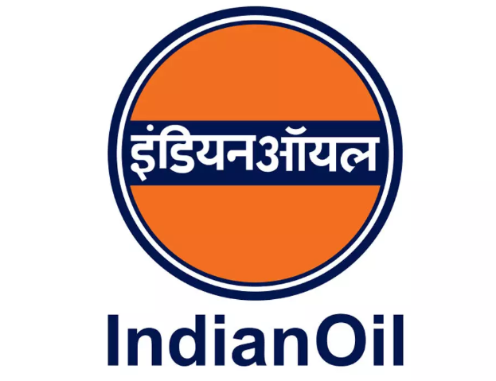

 | COMPANY OVERVIEW
 | ABOUT THE COMPANY |  |  |  |  |  | Source
 | Indian Oil Corporation Limited (NSE: IOC | BSE: 530965), commonly known as IndianOil, is India's largest oil refining and fuel marketing company and a Maharatna public sector enterprise functioning under the Ministry of Petroleum and Natural Gas. Formed in 1959 through the merger of Indian Refineries Limited and the original Indian Oil Company, the group today spans the entire hydrocarbon value chain - exploration and production, refining, pipeline transportation, marketing, petrochemicals and natural gas. IndianOil operates 11 refineries (including those of subsidiary Chennai Petroleum Corporation) with a combined capacity of over 80 million tonnes a year, moves crude and finished products through a cross-country pipeline network exceeding 20,000 km, and serves customers through more than 40,000 retail outlets - the largest fuel retail network in the country. Its portfolio includes well-known brands such as Indane LPG, SERVO lubricants and XtraPremium/XtraMile fuels. Majority owned by the Government of India (around 51.5%), the company is now steadily directing capital toward the energy transition - green hydrogen, biofuels, sustainable aviation fuel, EV charging infrastructure and renewable power - alongside its core refining and marketing businesses.
 | REGISTERED OFFICE
 | Address | Indian Oil Bhavan, G-9, Ali Yavar Jung Marg, Bandra (East), Mumbai - 400051, Maharashtra, India

 | S.No | Name of Entity | Type | Country / Region of Operation | Primary Business | Remarks
 | 1 | Chennai Petroleum Corporation Limited (CPCL) | Subsidiary | India | Refining & petrochemicals | ~51.9% IOCL stake; principal refining subsidiary
 | 2 | Lanka IOC PLC | Subsidiary | Sri Lanka | Refining, marketing & retail | ~75.1% IOCL stake; international downstream arm
 | 3 | IOC Middle East FZE | Subsidiary | UAE | Crude & product trading | Wholly owned trading and marketing hub
 | 4 | IndianOil (Mauritius) Ltd. | Subsidiary | Mauritius | Investment holding | Wholly owned holding entity for overseas ventures
 | 5 | IOC Sweden AB | Subsidiary | Sweden | Investment holding | Wholly owned European holding company
 | 6 | IOCL Singapore Pte. Limited | Subsidiary | Singapore | Trading & shipping | Wholly owned trading and chartering hub
 | 7 | IOCL (USA) Inc. | Subsidiary | USA | International trading | Wholly owned North America trading arm
 | 8 | Indian Oil Tanking Limited | Joint Venture | India | Petroleum storage & terminalling | ~49.4% JV with Oiltanking GmbH, Germany
 | 9 | Indian Oil Petronas Private Limited | Joint Venture | India | LPG bottling & auto LPG | ~50% JV with Petronas, Malaysia
 | 10 | Indian Oil Skytanking Private Limited | Joint Venture | India | Aviation fuel storage & handling | ~50% JV serving major Indian airports
 | 11 | Lubrizol India Private Limited | Joint Venture | India | Lubricant additives | ~26% JV with The Lubrizol Corporation, USA
 | 12 | NPCIL - IndianOil Nuclear Energy Corporation Ltd. | Joint Venture | India | Nuclear power generation | ~26% JV with NPCIL; diversification into nuclear energy
 | 13 | IndianOil Adani Ventures Private Limited | Joint Venture | India | City gas distribution | ~50% JV with Adani Total Gas
 | 14 | Indian Oil NTPC Green Energy Private Limited | Joint Venture | India | Renewable energy | ~50% JV with NTPC for solar & wind projects

