Promoter
 | Public Shareholding Pattern
Solar Industries India Limited | As at December 2025
Category & Name of the Shareholders | No. of shareholder | No. of fully paid up equity shares held | Total no. shares held | Shareholding % calculated as per SCRR, 1957 As a % of (A+B+C2) | No. of Voting Rights | Total as a % of Total Voting right | Total No. Of shares on fully diluted basis (including warrants, ESOP, Convertible Securities etc.) | Shareholding , as a % assuming full conversion of convertible securities ( as a percentage of diluted share capital)As a % of (A+B+C2) | No. of equity shares held in dematerialized form(Not Applicable) | Sub-categorization of shares (XV)
 |  |  |  |  |  |  |  |  |  | Shareholding (No. of shares) under
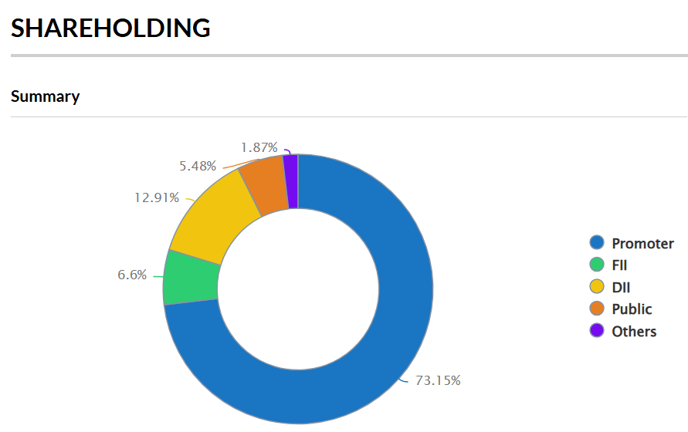
 |  |  |  |  |  |  |  |  |  | SubCategory_I | SubCategory_II | SubCategory_III
Institutions | - | - | - | 0 | - | 0 | - | 0 | - | - | - | -
B1) Institutions (Domestic) | - | - | - | 0 | - | 0 | - | 0 | - | - | - | -
Mutual Funds/ | 41 | 10,798,557 | 10,798,557 | 11.93 | 10,798,557 | 11.93 | 10,798,557 | 11.93 | 10,798,557 | - | - | -
Axis Mutual Fund Trustee Limited A/C Axis Mutual Fund A/C Axis Midcap Fund | 1 | 1,053,013 | 1,053,013 | 1.16 | 1,053,013 | 1.16 | 1,053,013 | 1.16 | 1,053,013 | - | - | -
Kotak Flexicap Fund | 1 | 2,579,213 | 2,579,213 | 2.85 | 2,579,213 | 2.85 | 2,579,213 | 2.85 | 2,579,213 | - | - | -
Sbi Equity Hybrid Fund | 1 | 3,251,372 | 3,251,372 | 3.59 | 3,251,372 | 3.59 | 3,251,372 | 3.59 | 3,251,372 | - | - | -
Venture Capital Funds | - | - | - | 0 | - | 0 | - | 0 | - | - | - | -
Alternate Investment Funds | 27 | 218,593 | 218,593 | 0.24 | 218,593 | 0.24 | 218,593 | 0.24 | 218,593 | - | - | -
Banks | 1 | 25 | 25 | 0 | 25 | 0 | 25 | 0 | 25 | - | - | -
Insurance Companies | 17 | 447,243 | 447,243 | 0.49 | 447,243 | 0.49 | 447,243 | 0.49 | 447,243 | - | - | -
Provident Funds/ Pension Funds | 1 | 207,363 | 207,363 | 0.23 | 207,363 | 0.23 | 207,363 | 0.23 | 207,363 | - | - | -
Asset reconstruction companies | - | - | - | 0 | - | 0 | - | 0 | - | - | - | -
Sovereign Wealth Funds | - | - | - | 0 | - | 0 | - | 0 | - | - | - | -
NBFCs registered with RBI | 4 | 3,080 | 3,080 | 0 | 3,080 | 0 | 3,080 | 0 | 3,080 | - | - | -
Other Financial Institutions | 1 | 2,000 | 2,000 | 0 | 2,000 | 0 | 2,000 | 0 | 2,000 | - | - | -
Any Other(Institutions (Domestic)) | - | - | - | 0 | - | 0 | - | 0 | - | - | - | -
Sub Total B1 | 92 | 11,676,861 | 11,676,861 | 12.9 | 11,676,861 | 12.9 | 11,676,861 | 12.9 | 11,676,861 | - | - | -
B17) Institutions (Foreign) | - | - | - | 0 | - | 0 | - | 0 | - | - | - | -
Foreign Direct Investment | - | - | - | 0 | - | 0 | - | 0 | - | - | - | -
Foreign Venture Capital Investors | - | - | - | 0 | - | 0 | - | 0 | - | - | - | -
Sovereign Wealth Funds | - | - | - | 0 | - | 0 | - | 0 | - | - | - | -
Foreign Portfolio Investors Category I | 371 | 5,766,958 | 5,766,958 | 6.37 | 5,766,958 | 6.37 | 5,766,958 | 6.37 | 5,766,958 | - | - | -
Foreign Portfolio Investors Category II | 20 | 202,861 | 202,861 | 0.22 | 202,861 | 0.22 | 202,861 | 0.22 | 202,861 | - | - | -
Overseas Depositories (holding DRs) (balancing figure) | - | - | - | 0 | - | 0 | - | 0 | - | - | - | -
Any Other(Institutions (Foreign)) | - | - | - | 0 | - | 0 | - | 0 | - | - | - | -
Sub Total B2 | 391 | 5,969,819 | 5,969,819 | 6.6 | 5,969,819 | 6.6 | 5,969,819 | 6.6 | 5,969,819 | - | - | -
B26) Central Government/ State Government(s)/ President of India | - | - | - | 0 | - | 0 | - | 0 | - | - | - | -
Central Government / President of India | 1 | 946 | 946 | 0 | 946 | 0 | 946 | 0 | 946 | - | - | -
State Government / Governor | - | - | - | 0 | - | 0 | - | 0 | - | - | - | -
Shareholding by Companies or Bodies Corporate where Central / State Government is a promoter | - | - | - | 0 | - | 0 | - | 0 | - | - | - | -
Sub Total B3 | 1 | 946 | 946 | 0 | 946 | 0 | 946 | 0 | 946 | - | - | -
B31) Non-Institutions | - | - | - | 0 | - | 0 | - | 0 | - | - | - | -
Associate companies / Subsidiaries | - | - | - | 0 | - | 0 | - | 0 | - | - | - | -
Directors and their relatives (excluding independent directors and nominee directors) | - | - | - | 0 | - | 0 | - | 0 | - | - | - | -
Key Managerial Personnel | 2 | 3,978 | 3,978 | 0 | 3,978 | 0 | 3,978 | 0 | 3,978 | - | - | -
Relatives of promoters (other than 'immediate relatives' of promoters disclosed under 'Promoter and Promoter Group' category) | - | - | - | 0 | - | 0 | - | 0 | - | - | - | -
Trusts where any person belonging to 'Promoter and Promoter Group' category is 'trustee', 'beneficiary', or 'author of the trust' | - | - | - | 0 | - | 0 | - | 0 | - | - | - | -
Investor Education and Protection Fund (IEPF) | 1 | 2,352 | 2,352 | 0 | 2,352 | 0 | 2,352 | 0 | 2,352 | - | - | -
Resident Individuals holding nominal share capital up to Rs. 2 lakhs | 108,874 | 4,294,247 | 4,294,247 | 4.75 | 4,294,247 | 4.75 | 4,294,247 | 4.75 | 4,294,247 | - | - | -
Resident Individuals holding nominal share capital in excess of Rs. 2 lakhs | 4 | 665,483 | 665,483 | 0.74 | 665,483 | 0.74 | 665,483 | 0.74 | 665,483 | - | - | -
Non Resident Indians (NRIs) | 3,335 | 188,955 | 188,955 | 0.21 | 188,955 | 0.21 | 188,955 | 0.21 | 188,955 | - | - | -
Foreign Nationals | - | - | - | 0 | - | 0 | - | 0 | - | - | - | -
Foreign Companies | - | - | - | 0 | - | 0 | - | 0 | - | - | - | -
Bodies Corporate | 766 | 1,177,837 | 1,177,837 | 1.3 | 1,177,837 | 1.3 | 1,177,837 | 1.3 | 1,177,837 | - | - | -
Any Other (specify) | 2,445 | 318,306 | 318,306 | 0.35 | 318,306 | 0.35 | 318,306 | 0.35 | 318,306 | - | - | -
Trusts | 20 | 41,244 | 41,244 | 0.05 | 41,244 | 0.05 | 41,244 | 0.05 | 41,244 | - | - | -
Firm | 103 | 40,439 | 40,439 | 0.04 | 40,439 | 0.04 | 40,439 | 0.04 | 40,439 | - | - | -
HUF | 2,297 | 222,426 | 222,426 | 0.25 | 222,426 | 0.25 | 222,426 | 0.25 | 222,426 | - | - | -
Clearing Members | 25 | 14,197 | 14,197 | 0.02 | 14,197 | 0.02 | 14,197 | 0.02 | 14,197 | - | - | -
Sub Total B4 | 115,427 | 6,651,158 | 6,651,158 | 7.35 | 6,651,158 | 7.35 | 6,651,158 | 7.35 | 6,651,158 | - | - | -
B=B1+B2+B3+B4 | 115,911 | 24,298,784 | 24,298,784 | 26.85 | 24,298,784 | 26.85 | 24,298,784 | 26.85 | 24,298,784 | - | - | -

Peers Comparison
 | Solar Industries - Peer Comparison

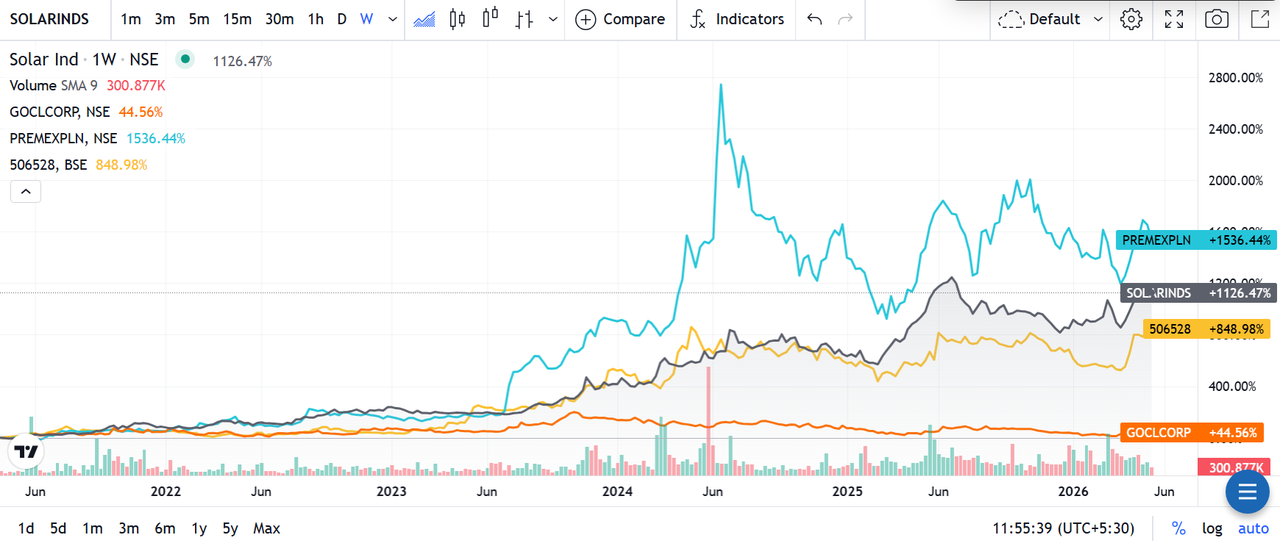
Company | Business Overview |  |  |  |  |  |  |  | Trend-Chart of 5Yr
Solar Industries India Ltd | Solar Industries India Ltd is one of India’s leading manufacturers of industrial explosives, initiating systems, and defence products. The company operates across mining, infrastructure, and defence sectors, with growing presence in ammunition, rockets, propellants, and aerospace systems globally.
Premier Explosives Ltd | Premier Explosives Ltd manufactures industrial explosives, detonators, propellants, pyrogen igniters, and defence-related products. The company primarily serves defence, space, mining, and infrastructure sectors in India.
GOCL Corporation Ltd | GOCL Corporation Ltd operates in explosives and energetics businesses catering to mining and infrastructure industries. The company also has significant real estate and property development exposure.
Keltech Energies Ltd | Keltech Energies Ltd manufactures industrial explosives, bulk emulsion explosives, mono methylamine products, and perlite products. The company mainly serves mining, infrastructure, and industrial sectors.

Attribute | Solar Industries | Premier Explosives | GOCL Corp. | Keltech Energies | Metric | Solar Industries | Premier Explosives | GOCL Corp.
LTP (₹) | 15,830 | 512 | 300 | 4,698 | Debtor Days (FY25) | 42 | 33 | 26
Sales (₹ Cr.) | 8,951.54 | 373.22 | 10.41 | 528.85 | Inventory Days (FY25) | 49 | 235 | 27
Net Profit 12M (₹ Cr.) | 1,526.72 | 42.93 | 1,469.97 | 27.1 | Days Payable (FY25) | 105 | 178 | 66
Debt (₹ Cr.) | 875.59 | 32.1 | 166.49 | 45.05 | Cash Conversion Cycle (FY25) | -14 | 90 | -13
Cash (₹ Cr.) | 725.48 | 101.25 | 49.34 | 25.74 | Working Capital Days (FY25) | -11 | -31 | 969
OPM % | 26.05% | 13.05% | -271.95% | 7.61% | ROCE % (FY25) | 26% | 17% | 7%
P/E Ratio | Premium Valuation | 58.6 | 6.02 | 17.3
ROCE % | 26% | 16.90% | 7.02% | 25.80%
ROE % | Strong | 12.20% | 7.45% | 22.20%
EV/EBITDA | Premium | 35.3 | 4.38 | 10.3
EPS (₹) | Strong | 7.99 | 297 | 271

Stock Analysis
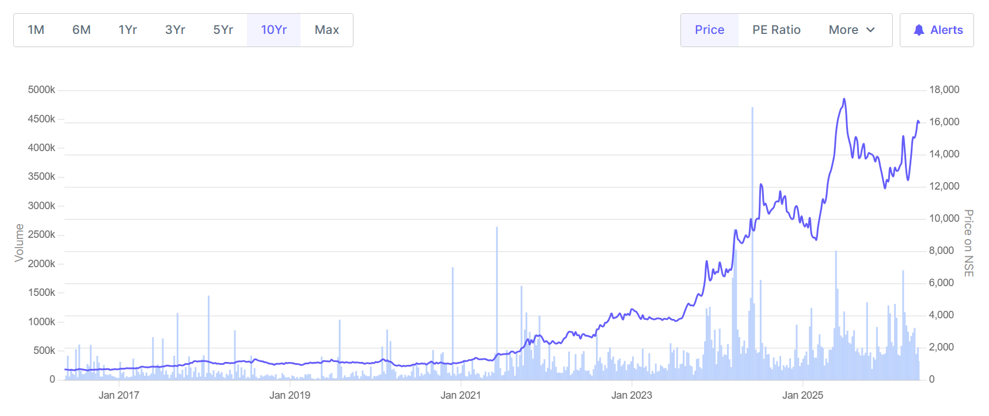

Recommendation - Solar Industries India Ltd: | Financial Year | Revenue (₹ Cr) | PAT (₹ Cr) | Revenue Change (%) | PAT Change (%)
BUY-Solar Industries India Ltd continues to strengthen its position as one of India’s leading defence and industrial explosives manufacturers, supported by strong execution, rising exports, and increasing participation in high-value defence projects. The company reported FY 2024-25 revenue of nearly ₹4,456 crore and net profit of around ₹803 crore, compared to ₹3,717 crore revenue and ₹596 crore profit in FY 2023-24, reflecting healthy growth in both operational performance and profitability. Its expanding defence order pipeline, improving margins, efficient working capital management, and strong return ratios indicate sustained business momentum. The company’s long-term growth outlook remains favourable due to increasing government focus on indigenous defence manufacturing, ammunition production, and export opportunities. Solar Industries is steadily moving toward higher-margin defence products, which could further improve earnings visibility in coming years. Strong quarterly growth, healthy balance sheet strength, and consistent cash generation support investor confidence. However, elevated valuations after the recent stock rally and dependence on timely execution of defence contracts remain key monitorable risks. | FY 2024-25 | 4,456 | 803 | 19.88% | 34.73%
 | FY 2023-24 | 3,717 | 596 | -10.69% | 33.93%
 | FY 2022-23 | 4,162 | 445 | 64.64% | 70.50%
 | FY 2021-22 | 2,528 | 261 | 59.60% | 38.10%
 | FY 2020-21 | 1,584 | 189 | 0.00% | 0.00%

Forecasting
Forecasting

Sales Forecasting |  |  |  | EBITDA Forecasting |  |  |  | EPS Forecasting
Year Weight | Year | Sales | Sales Growth | Year Weight | Year | EBITDA | EBITDA Growth | Year Weight | Year | EPS | EPS Growth
1 | 2021A | 2,441.92 |  | 1 | 2021A | 440.89 |  | 1 | 2021A | 31
2 | 2022A | 3,828.51 | 56.78% | 2 | 2022A | 1,161.30 | 163.40% | 2 | 2022A | 49 | 58.06%
3 | 2023A | 6,804.35 | 77.73% | 3 | 2023A | 1,170.74 | 0.81% | 3 | 2023A | 84 | 71.43%
4 | 2024A | 5,909.02 | -13.16% | 4 | 2024A | 1,208.71 | 3.24% | 4 | 2024A | 92 | 9.52%
5 | 2025A | 7,360.06 | 24.56% | 5 | 2025A | 1,780.16 | 47.28% | 5 | 2025A | 134 | 45.65%
6 | 2026E | 8843.81 | 20.16% | 6 | 2026-07-18 | 1970.15 | 10.67% | 6 | 2026-07-18 | 152.7 | 13.96%
7 | 2027E | 10035.49 | 13.47% | 7 | 2027-07-19 | 2242.74 | 13.84% | 7 | 2027-07-19 | 177.6 | 16.31%
8 | 2028E | 11227.17 | 11.87% | 8 | 2028-07-19 | 2515.34 | 12.15% | 8 | 2028-07-19 | 202.5 | 14.02%
9 | 2029E | 12418.85 | 10.61% | 9 | 2029-07-20 | 2787.93 | 10.84% | 9 | 2029-07-20 | 227.4 | 12.30%
10 | 2030E | 13610.53 | 9.60% | 10 | 2030-07-21 | 3060.52 | 9.78% | 10 | 2030-07-21 | 252.3 | 10.95%

Sales Forecasting
 | Sales | Sales Growth
1 | 2,441.92
2 | 3,828.51 | 56.78%
3 | 6,804.35 | 77.73%
4 | 5,909.02 | -13.16%
5 | 7,360.06 | 24.56%
6 | 8,843.81 | 20.16%
7 | 10,035.49 | 13.47%
8 | 11,227.17 | 11.87%
9 | 12,418.85 | 10.61%
10 | 13,610.53 | 9.60%

