Summary
Category | Count
Passed | 4
Failed | 3
Skipped | 0
Total | 32
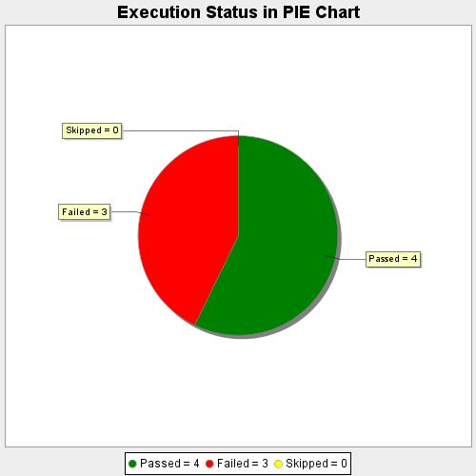
Start Time | 2020-08-11T14:25:20 IST
End Time | 2020-08-11T14:34:09 IST
Duration | 528928 ms

