Summary
Category | Count
Passed | 10
Failed | 1
Skipped | 0
Total | 11
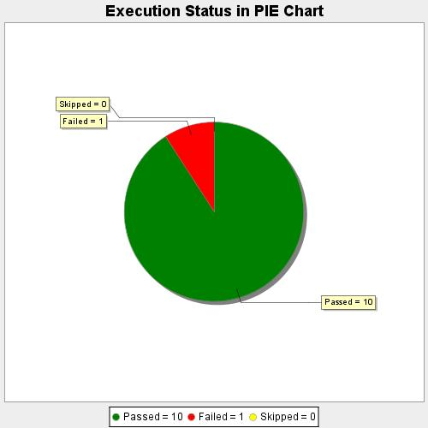
Start Time | 2020-10-23T18:17:29 IST
End Time | 2020-10-23T18:32:49 IST
Duration | 919784 ms

