Summary
Category | Count
Passed | 19
Failed | 30
Skipped | 72
Total | 158
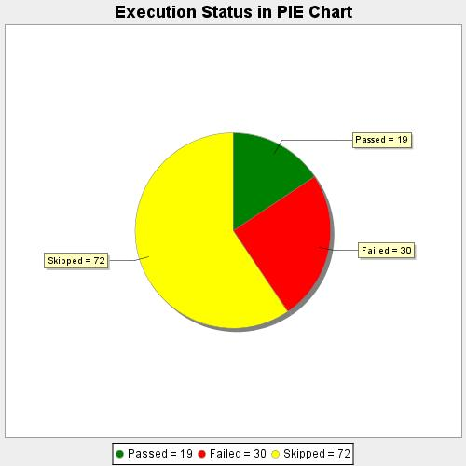
Start Time | 2020-09-14T22:53:52 IST
End Time | 2020-09-15T00:12:37 IST
Duration | 4724519 ms

