Summary
Category | Count
Passed | 26
Failed | 9
Skipped | 0
Total | 151
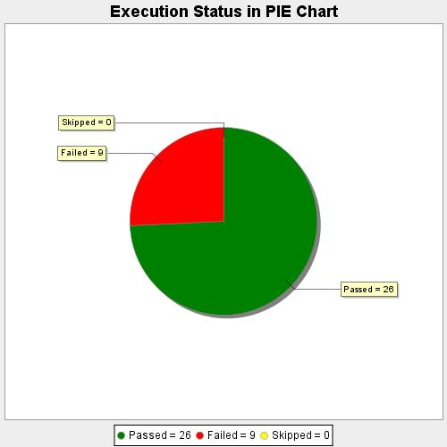
Start Time | 2020-10-10T18:43:15 IST
End Time | 2020-10-10T19:24:10 IST
Duration | 2454401 ms

