Summary
Category | Count
Passed | 6
Failed | 3
Skipped | 0
Total | 91
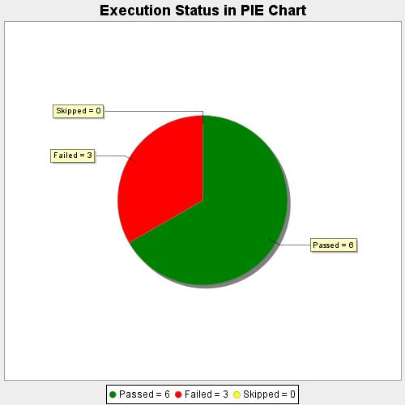
Start Time | 2020-09-09T12:44:58 IST
End Time | 2020-09-09T12:59:04 IST
Duration | 846652 ms

