Summary
Category | Count
Passed | 5
Failed | 3
Skipped | 6
Total | 80
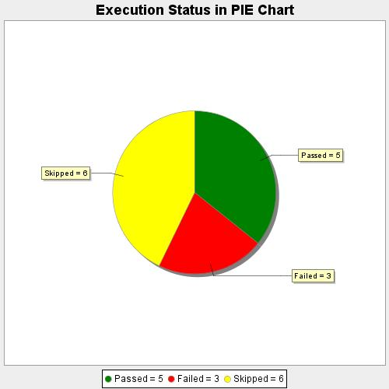
Start Time | 2020-09-11T18:14:20 IST
End Time | 2020-09-11T18:23:44 IST
Duration | 564244 ms

