Summary
Category | Count
Passed | 47
Failed | 5
Skipped | 0
Total | 111
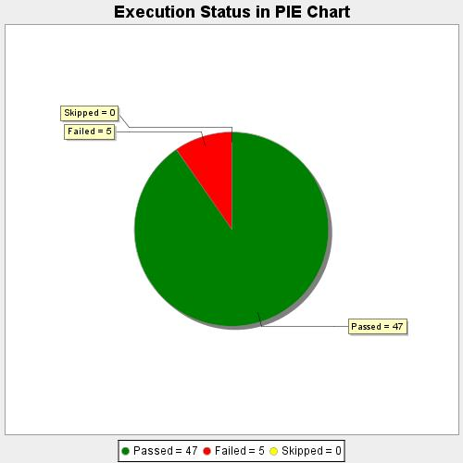
Start Time | 2020-09-01T18:18:59 IST
End Time | 2020-09-01T19:10:28 IST
Duration | 3089412 ms

