Summary
Category | Count
Passed | 30
Failed | 4
Skipped | 2
Total | 99
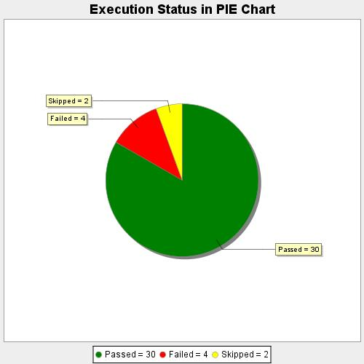
Start Time | 2020-09-10T11:26:52 IST
End Time | 2020-09-10T11:53:26 IST
Duration | 1593589 ms

