大圣数据黑名单
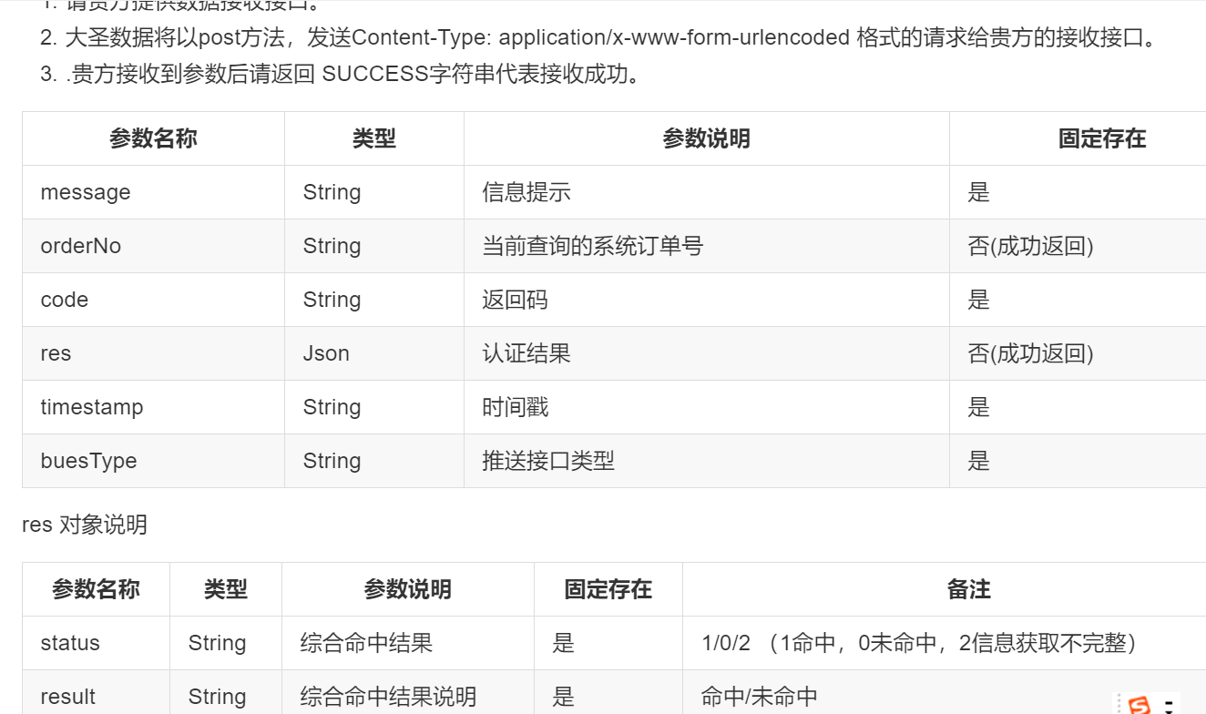
序号 | 请求json | name | idCard | phone | 审核结果 | 返回参数样例 | 数据接收接口
1 | { "timestamp":1472367902248, "name":"秦志强", "idCard":"632127199405280035", "phone":"13209713500" } | 秦志强 | 632127199405280035 | 13209713500 | 审核通过 | { "tiNo":"", "orderNo":"6406685360252751872", "code":200, "message":"请求已受理，处理中！" }
2 | { "timestamp":1472367902248, "name":"洪彤彤", "idCard":"320323199310121024", "phone":"13813453493" } | 洪彤彤 | 320323199310121024 | 13813453493 | 系统拒绝
3 | { "timestamp":1472367902248, "name":"代丽霞", "idCard":"431023198209130845", "phone":"13975762498" } | 代丽霞 | 431023198209130845 | 13975762498 | 审核通过
4 | { "timestamp":1472367902248, "name":"黄永胜", "idCard":"34032119880920313X", "phone":"18715523550" } | 黄永胜 | 34032119880920313X | 18715523550 | 人工拒绝
5 | { "timestamp":1472367902248, "name":"周明阳", "idCard":"130203198610270338", "phone":"18633120685" } | 周明阳 | 130203198610270338 | 18633120685 | 审核通过
6 | { "timestamp":1472367902248, "name":"王金龙", "idCard":"23032119920810125X", "phone":"18748345920" } | 王金龙 | 23032119920810125X | 18748345920 | 系统拒绝
7 | { "timestamp":1472367902248, "name":"张凌涛", "idCard":"61262519980922011X", "phone":"13669221175" } | 张凌涛 | 61262519980922011X | 13669221175 | 系统拒绝
8 | { "timestamp":1472367902248, "name":"卢乐乐", "idCard":"331082199510296220", "phone":"15170492112" } | 卢乐乐 | 331082199510296220 | 15170492112 | 系统拒绝
9 | { "timestamp":1472367902248, "name":"袁敏", "idCard":"510781199010305308", "phone":"18608089884" } | 袁敏 | 510781199010305308 | 18608089884 | 审核通过
10 | { "timestamp":1472367902248, "name":"王志宇", "idCard":"152827198410036933", "phone":"13947820818" } | 王志宇 | 152827198410036933 | 13947820818 | 审核通过
11 | { "timestamp":1472367902248, "name":"潘霞", "idCard":"432402197007150027", "phone":"13387496861" } | 潘霞 | 432402197007150027 | 13387496861 | 系统拒绝
12 | { "timestamp":1472367902248, "name":"叶建设", "idCard":"511602198912184213", "phone":"13545382043" } | 叶建设 | 511602198912184213 | 13545382043 | 人工拒绝
13 | { "timestamp":1472367902248, "name":"梅作红", "idCard":"320924198102194872", "phone":"13912555646" } | 梅作红 | 320924198102194872 | 13912555646 | 系统拒绝
14 | { "timestamp":1472367902248, "name":"吉克拉者", "idCard":"513431199301123419", "phone":"18111418170" } | 吉克拉者 | 513431199301123419 | 18111418170 | 系统拒绝
15 | { "timestamp":1472367902248, "name":"陈海花", "idCard":"522428199804060467", "phone":"17684162483" } | 陈海花 | 522428199804060467 | 17684162483 | 系统拒绝
16 | { "timestamp":1472367902248, "name":"王晨迪", "idCard":"130204199111082114", "phone":"15133463500" } | 王晨迪 | 130204199111082114 | 15133463500 | 系统拒绝
17 | { "timestamp":1472367902248, "name":"乔琦", "idCard":"610622199012010915", "phone":"18609116322" } | 乔琦 | 610622199012010915 | 18609116322 | 审核通过
18 | { "timestamp":1472367902248, "name":"龙姝英", "idCard":"430527198208012128", "phone":"15102001898" } | 龙姝英 | 430527198208012128 | 15102001898 | 审核通过
19 | { "timestamp":1472367902248, "name":"张钰", "idCard":"152601199504114111", "phone":"13337137014" } | 张钰 | 152601199504114111 | 13337137014 | 系统拒绝
20 | { "timestamp":1472367902248, "name":"袁家才", "idCard":"522131198310265830", "phone":"15086011150" } | 袁家才 | 522131198310265830 | 15086011150 | 审核通过
21 | { "timestamp":1472367902248, "name":"孙**", "idCard":"335***12", "phone":"15****40" } | 林镇海 | 44050819890802291X | 18305954160 | 审核通过
22 | { "timestamp":1472367902248, "name":"孙**", "idCard":"335***12", "phone":"15****41" } | 杨涛 | 510902198706261578 | 13547749388 | 审核通过
23 | { "timestamp":1472367902248, "name":"孙**", "idCard":"335***12", "phone":"15****42" } | 王佳 | 420984199604047316 | 17671737424 | 系统拒绝
24 | { "timestamp":1472367902248, "name":"孙**", "idCard":"335***12", "phone":"15****43" } | 张明亮 | 342623199708258110 | 13601017604 | 系统拒绝
25 | { "timestamp":1472367902248, "name":"孙**", "idCard":"335***12", "phone":"15****44" } | 丁川 | 150403199501230010 | 18847609595 | 审核通过
26 | { "timestamp":1472367902248, "name":"孙**", "idCard":"335***12", "phone":"15****45" } | 华雪 | 220722198706160422 | 15004308746 | 系统拒绝
27 | { "timestamp":1472367902248, "name":"孙**", "idCard":"335***12", "phone":"15****46" } | 徐军 | 430624197012154011 | 13950186623 | 系统拒绝
28 | { "timestamp":1472367902248, "name":"孙**", "idCard":"335***12", "phone":"15****47" } | 吴洋洋 | 341226199510035954 | 15268163395 | 审核通过
29 | { "timestamp":1472367902248, "name":"孙**", "idCard":"335***12", "phone":"15****48" } | 袁俊 | 430105198903116113 | 13874821062 | 审核通过
30 | { "timestamp":1472367902248, "name":"孙**", "idCard":"335***12", "phone":"15****49" } | 袁荣洪 | 442000197709184632 | 13302828218 | 审核通过
31 | { "timestamp":1472367902248, "name":"孙**", "idCard":"335***12", "phone":"15****50" } | 何廷钊 | 511381198909013498 | 15328420586 | 系统拒绝
32 | { "timestamp":1472367902248, "name":"孙**", "idCard":"335***12", "phone":"15****51" } | 徐天翔 | 320323199108291759 | 13776793350 | 人工拒绝
33 | { "timestamp":1472367902248, "name":"孙**", "idCard":"335***12", "phone":"15****52" } | 郑鑫杰 | 352601197803101511 | 13950830991 | 系统拒绝
34 | { "timestamp":1472367902248, "name":"孙**", "idCard":"335***12", "phone":"15****53" } | 李杰珍 | 45080219840724918X | 18677515830 | 审核通过
35 | { "timestamp":1472367902248, "name":"孙**", "idCard":"335***12", "phone":"15****54" } | 何晓宇 | 421022199509075426 | 15014836683 | 审核通过
36 | { "timestamp":1472367902248, "name":"孙**", "idCard":"335***12", "phone":"15****55" } | 周联敏 | 362325199411061413 | 15079373673 | 审核通过
37 | { "timestamp":1472367902248, "name":"孙**", "idCard":"335***12", "phone":"15****56" } | 周海莹 | 510108199311042425 | 15982835728 | 系统拒绝
38 | { "timestamp":1472367902248, "name":"孙**", "idCard":"335***12", "phone":"15****57" } | 徐文华 | 350428197910040096 | 18806017011 | 审核通过
39 | { "timestamp":1472367902248, "name":"孙**", "idCard":"335***12", "phone":"15****58" } | 潘安红 | 342622198410181930 | 18019991361 | 审核通过
40 | { "timestamp":1472367902248, "name":"孙**", "idCard":"335***12", "phone":"15****59" } | 袁荣洪 | 442000197709184632 | 13302828218 | 人工拒绝
41 | { "timestamp":1472367902248, "name":"孙**", "idCard":"335***12", "phone":"15****60" } | 李雪菲 | 410504199011240107 | 18003726041 | 人工拒绝
42 | { "timestamp":1472367902248, "name":"孙**", "idCard":"335***12", "phone":"15****61" } | 徐冲 | 510123198702152815 | 13547966656 | 审核通过
43 | { "timestamp":1472367902248, "name":"孙**", "idCard":"335***12", "phone":"15****62" } | 王安华 | 450521198802266118 | 18907773858 | 人工拒绝

