sz_sht
date | open | high | low | close
2022-01-04 | 3649.151 | 3651.892 | 3610.092 | 3632.329
2022-01-05 | 3628.263 | 3628.263 | 3583.467 | 3595.176
2022-01-06 | 3581.218 | 3594.489 | 3559.88 | 3586.079
2022-01-07 | 3588.985 | 3607.232 | 3577.098 | 3579.543
2022-01-10 | 3572.743 | 3593.519 | 3555.126 | 3593.519
2022-01-11 | 3589.904 | 3602.145 | 3562.754 | 3567.441
2022-01-12 | 3578.163 | 3599.499 | 3572.097 | 3597.432
2022-01-13 | 3601.027 | 3601.073 | 3555.158 | 3555.259
2022-01-14 | 3544.065 | 3548.42 | 3519.322 | 3521.256
2022-01-17 | 3522.085 | 3546.085 | 3519.426 | 3541.666
2022-01-18 | 3541.89 | 3579.313 | 3531.33 | 3569.914
2022-01-19 | 3567.631 | 3578.735 | 3541.662 | 3558.18
2022-01-20 | 3556.226 | 3576.259 | 3540.555 | 3555.063
2022-01-21 | 3546.75 | 3547 | 3514.885 | 3522.568
2022-01-24 | 3508.244 | 3531.608 | 3500.139 | 3524.105
2022-01-25 | 3509.285 | 3519.833 | 3433.061 | 3433.061
2022-01-26 | 3442.692 | 3462.123 | 3417.759 | 3455.668
2022-01-27 | 3456.102 | 3456.363 | 3392.015 | 3394.247
2022-01-28 | 3407.593 | 3417.045 | 3356.556 | 3361.44
2022-02-07 | 3407.762 | 3434.026 | 3407.762 | 3429.581
2022-02-08 | 3428.542 | 3453.186 | 3390.458 | 3452.629
2022-02-09 | 3450.818 | 3484.739 | 3444.085 | 3479.946
2022-02-10 | 3481.91 | 3488.855 | 3464.217 | 3485.907
2022-02-11 | 3472.276 | 3500.147 | 3459.33 | 3462.948
2022-02-14 | 3451.847 | 3457.265 | 3415.446 | 3428.882
2022-02-15 | 3428.045 | 3447.492 | 3421.64 | 3446.089
2022-02-16 | 3457.073 | 3475.058 | 3453.801 | 3465.831
2022-02-17 | 3464.209 | 3480.972 | 3454.277 | 3468.035
2022-02-18 | 3451.632 | 3490.757 | 3447.027 | 3490.757
2022-02-21 | 3488.406 | 3492.199 | 3471.686 | 3490.612
2022-02-22 | 3473.287 | 3473.393 | 3437.672 | 3457.146
2022-02-23 | 3458.514 | 3490.763 | 3458.18 | 3489.147
2022-02-24 | 3474.369 | 3486.977 | 3400.214 | 3429.956
2022-02-25 | 3445.336 | 3480.176 | 3440.934 | 3451.406
2022-02-28 | 3450.316 | 3462.306 | 3425.516 | 3462.306
2022-03-01 | 3471.365 | 3491.132 | 3465.715 | 3488.835
2022-03-02 | 3478.293 | 3486.621 | 3467 | 3484.192
2022-03-03 | 3495.928 | 3500.287 | 3473.338 | 3481.113
2022-03-04 | 3459.985 | 3474.882 | 3437.696 | 3447.649
2022-03-07 | 3438.56 | 3438.56 | 3360.739 | 3372.855
2022-03-08 | 3372.555 | 3383.633 | 3287.341 | 3293.53
2022-03-09 | 3303.706 | 3321.481 | 3147.677 | 3256.388
2022-03-10 | 3312.179 | 3326.583 | 3291.235 | 3296.092
2022-03-11 | 3259.323 | 3315.66 | 3217.419 | 3309.747
2022-03-14 | 3271.89 | 3297.797 | 3223.533 | 3223.533
2022-03-15 | 3192.364 | 3196.916 | 3063.965 | 3063.965
2022-03-16 | 3107.669 | 3177.788 | 3023.305 | 3170.71
2022-03-17 | 3215.011 | 3260.167 | 3202.934 | 3215.045
2022-03-18 | 3207.152 | 3260.783 | 3197.358 | 3251.072
2022-03-21 | 3255.615 | 3267.498 | 3223.389 | 3253.686
2022-03-22 | 3249.543 | 3279.113 | 3239.532 | 3259.862
2022-03-23 | 3264.792 | 3279.887 | 3251.982 | 3271.033
2022-03-24 | 3256.057 | 3266.887 | 3236.659 | 3250.264
2022-03-25 | 3247.157 | 3257.106 | 3211.645 | 3212.24
2022-03-28 | 3185.167 | 3230.215 | 3159.835 | 3214.503
2022-03-29 | 3216.012 | 3229.177 | 3196.455 | 3203.939
2022-03-30 | 3217.592 | 3266.596 | 3216.302 | 3266.596
2022-03-31 | 3256.137 | 3272.04 | 3246.063 | 3252.203
2022-04-01 | 3234.668 | 3287.229 | 3226.297 | 3282.717
2022-04-06 | 3269.427 | 3288.108 | 3255.689 | 3283.426
2022-04-07 | 3267.81 | 3290.256 | 3236.479 | 3236.695
2022-04-08 | 3239.877 | 3257.094 | 3208.352 | 3251.85
2022-04-11 | 3239.855 | 3239.855 | 3156.507 | 3167.126
2022-04-12 | 3165.12 | 3214.536 | 3140.9 | 3213.33
2022-04-13 | 3199.797 | 3225.467 | 3183.533 | 3186.824
2022-04-14 | 3203.634 | 3240.001 | 3200.235 | 3225.641
2022-04-15 | 3210.7 | 3229.866 | 3200.133 | 3211.245
2022-04-18 | 3185.943 | 3204.027 | 3166.978 | 3195.524
2022-04-19 | 3192.092 | 3207.828 | 3174.714 | 3194.029
2022-04-20 | 3189.891 | 3191.832 | 3142.049 | 3151.05
2022-04-21 | 3138.428 | 3160.899 | 3069.681 | 3079.808
2022-04-22 | 3058.404 | 3105.655 | 3049.356 | 3086.919
2022-04-25 | 3034.267 | 3043.816 | 2928.51 | 2928.512
2022-04-26 | 2930.453 | 2957.68 | 2878.256 | 2886.426
2022-04-27 | 2866.816 | 2959.178 | 2863.65 | 2958.282
2022-04-28 | 2945.811 | 2991.51 | 2936.794 | 2975.485
2022-04-29 | 2986.061 | 3048.494 | 2968.334 | 3047.062
2022-05-05 | 3044.849 | 3082.23 | 3042.116 | 3067.759
2022-05-06 | 3011.319 | 3030.693 | 2992.715 | 3001.561
2022-05-09 | 2990.199 | 3015.943 | 2983.612 | 3004.141
2022-05-10 | 2965.776 | 3043.779 | 2957.397 | 3035.844
2022-05-11 | 3035.389 | 3100.9 | 3034.675 | 3058.703
2022-05-12 | 3044.8 | 3072.157 | 3032.945 | 3054.994
2022-05-13 | 3068.033 | 3086.096 | 3059.253 | 3084.285
2022-05-16 | 3100.55 | 3102.577 | 3063.398 | 3073.749
2022-05-17 | 3076.498 | 3093.697 | 3057.641 | 3093.697
2022-05-18 | 3095.886 | 3105.842 | 3071.305 | 3085.977
2022-05-19 | 3046.71 | 3096.965 | 3042.674 | 3096.965
2022-05-20 | 3107.094 | 3146.567 | 3107.094 | 3146.567
2022-05-23 | 3150.49 | 3150.509 | 3127.899 | 3146.857
2022-05-24 | 3149.059 | 3153.13 | 3070.927 | 3070.927
2022-05-25 | 3070.17 | 3107.628 | 3069.946 | 3107.464
2022-05-26 | 3111.482 | 3133.277 | 3079.481 | 3123.108
2022-05-27 | 3135.032 | 3151.047 | 3112.544 | 3130.239
2022-05-30 | 3141.956 | 3150.892 | 3123.15 | 3149.061
2022-05-31 | 3149.944 | 3188.603 | 3142.004 | 3186.427
2022-06-01 | 3179.695 | 3190.609 | 3160.04 | 3182.157
2022-06-02 | 3170.306 | 3197.282 | 3163.756 | 3195.458
2022-06-06 | 3196.955 | 3237.071 | 3181.647 | 3236.372
2022-06-07 | 3235.416 | 3253.093 | 3222.635 | 3241.764
2022-06-08 | 3245.017 | 3266.63 | 3216.015 | 3263.793
2022-06-09 | 3259.49 | 3270.557 | 3223.475 | 3238.954
2022-06-10 | 3214.185 | 3286.62 | 3210.808 | 3284.834
2022-06-13 | 3256.275 | 3272.991 | 3229.309 | 3255.551
2022-06-14 | 3224.214 | 3289.134 | 3195.819 | 3288.907

third_sht

消费日期 | money
2021-02-01 | 48
2021-02-02 | 45
2021-02-03 | 49
2021-02-04 | 46
2021-02-05 | 46
2021-02-06 | 45
2021-02-07 | 47
2021-02-08 | 45
2021-02-09 | 49
2021-02-10 | 47
2021-02-11 | 48
2021-02-12 | 46
2021-02-13 | 49
2021-02-14 | 45
2021-02-15 | 45
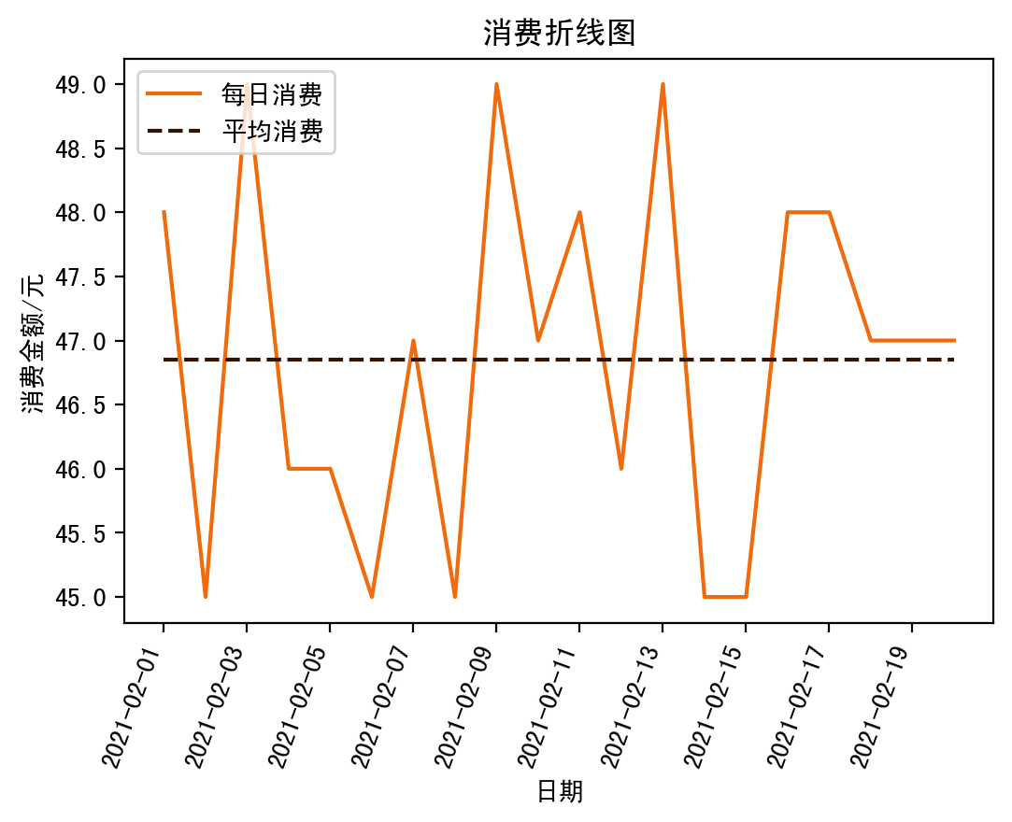
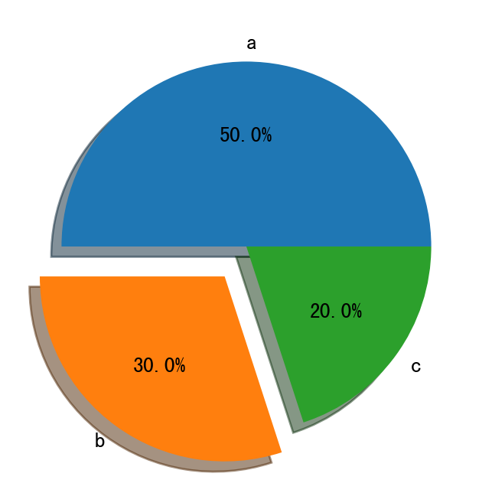
2021-02-16 | 48
2021-02-17 | 48
2021-02-18 | 47
2021-02-19 | 47
2021-02-20 | 47

