Home
2DAniCritic's Review Library

Hello. My name is "Ani."
What is that short for? Annie? Anthony? Andy? Mani? Danny? Fred? Eh, doesn't matter.

I like 2D animation. A lot.
Over the years, I've obtained a lot of 2D animated films on home video.
This webpage is a catalogue of reviews I've written to help me organize my collection.

Is 2D animation dead?
Maybe in Hollywood, where only the most popular and commercial methods can survive.
But since the decline of American 2D animated feature films, other countries filled the void,
including independent films from Japan, France, Ireland, Spain and beyond.
With reviews of hundreds of films (old and new) on this site, we have evidence
that 2D animation is still alive and well, and widely available to access,
IF you seek it out.

This site features reviews of 2D animation in feature films and televised Japanese anime.
Living in Canada, almost all subjects on this site were once available on DVD or Bluray in North America.
As physical home media begins to disappear in favor of online streaming,
it might be difficult to find shows when they are removed from a service.
With these films, you will always have the option to seek out a lost classic on home video,
either new or used, to add to your shelf.



And yes, this website was made in Microsoft Excel, and is hosted on Github Pages.
Welcome to
https://2danicritic.github.io/
Reviews written since 2014, made public since 2018, updated occasionally (every few months).
I hold the right to edit existing reviews after they are published.

Contact me at
2danicritic@gmail.com
for any inquiries.

LICENSE:
Written material (reviews, articles, posts) are protected under copyright, effective as of their date of publication.
Other sources may not publish the entirety of a written post in text, audio, image or video format without explicit permission from the author.
References or quotes of the material must include citations to the original source. An example format is:
2danicritic, "<title of article>", <web link to article>

Extra Sheet
Distribution of Review Scores
Range | Count for Range
1.0 -> 1.5 | 4
1.5 -> 2.0 | 14
2.0 -> 2.5 | 57
2.5 -> 3.0 | 123
3.0 -> 3.5 | 241
3.5 -> 4.0 | 187
4.0 -> 4.5 | 57
4.5 -> 5.0 | 13

Distribution of Reviews By Year
Year | Count
1935 | 0
1936 | 0
1937 | 1
1938 | 0
1939 | 0
1940 | 2
1941 | 1
1942 | 2
1943 | 0
1944 | 1
1945 | 1
1946 | 1
1947 | 1
1948 | 1
1949 | 1
1950 | 1
1951 | 1
1952 | 0
1953 | 1
1954 | 0
1955 | 1
1956 | 0
1957 | 0
1958 | 0
1959 | 1
1960 | 0
1961 | 1
1962 | 0
1963 | 1
1964 | 0
1965 | 0
1966 | 0
1967 | 1
1968 | 1
1969 | 3
1970 | 2
1971 | 2
1972 | 3
1973 | 3
1974 | 1
1975 | 0
1976 | 1
1977 | 5
1978 | 4
1979 | 1
1980 | 2
1981 | 4
1982 | 6
1983 | 4
1984 | 3
1985 | 4
1986 | 7
1987 | 3
1988 | 6
1989 | 5
1990 | 4
1991 | 4
1992 | 2
1993 | 5
1994 | 7
1995 | 8
1996 | 4
1997 | 9
1998 | 6
1999 | 5
2000 | 11
2001 | 9
2002 | 13
2003 | 14
2004 | 15
2005 | 8
2006 | 21
2007 | 22
2008 | 16
2009 | 20
2010 | 26
2011 | 29
2012 | 38
2013 | 26
2014 | 31
2015 | 38
2016 | 35
2017 | 40
2018 | 25
2019 | 27
2020 | 19
2021 | 21
2022 | 18
2023 | 14
2024 | 10
2025 | 6
2026 | 0

Download Local
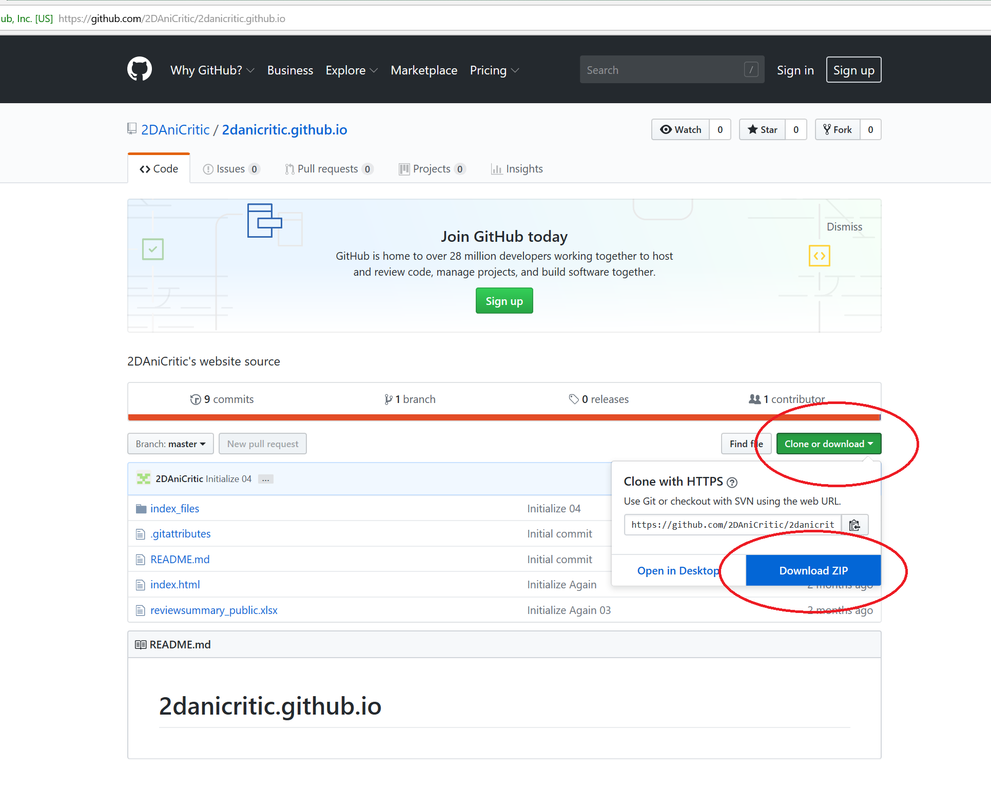
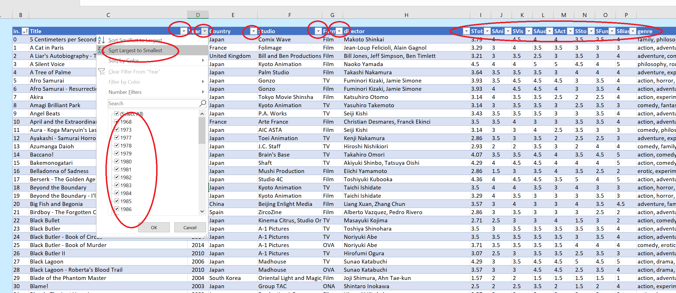
More Info:

And yes, this website was made in Microsoft Excel, and is hosted on Github Pages.
It was built such that you can download the entire web directory locally to review offline,
 | including the original Excel file,
 | allowing you to order filter out the catalogue by name, genre, director, year, country, or grade.

Download the full directory as a zip file here:
https://github.com/2DAniCritic/2danicritic.github.io

