Fully-staffed Best Practice
RACI Chart for the Fully-staffed Best Practice
Additional information available online

 | Solution delivery | Business alignment | Change management | Solution operations | Governance | Security | Platform maturity | Platform operations | Platform automation
Cloud strategy team | Consulted | Accountable | Accountable | Consulted | Consulted | Consulted | Informed | Informed | Informed
Cloud adoption team | Accountable | Consulted | Responsible | Consulted | Informed | Informed | Informed | Informed | Informed
Cloud operations team | Consulted | Consulted | Responsible | Accountable | Consulted | Consulted | Informed | Accountable | Consulted
Cloud governance team | Consulted | Informed | Informed | Consulted | Accountable | Consulted | Consulted | Responsible | Informed
Cloud security team | Consulted | Informed | Informed | Consulted | Consulted | Accountable | Consulted | Consulted | Consulted
Cloud platform team | Consulted | Informed | Informed | Consulted | Consulted | Consulted | Accountable | Responsible | Responsible
Cloud automation team | Consulted | Informed | Informed | Informed | Consulted | Consulted | Responsible | Responsible | Accountable

Aligned cloud capability | cloud adoption | cloud strategy | cloud strategy | cloud operations | CCoE-cloud governance | CCoE-Cloud security | CCoE-cloud platform | CCoE-cloud platform | CCoE-cloud automation

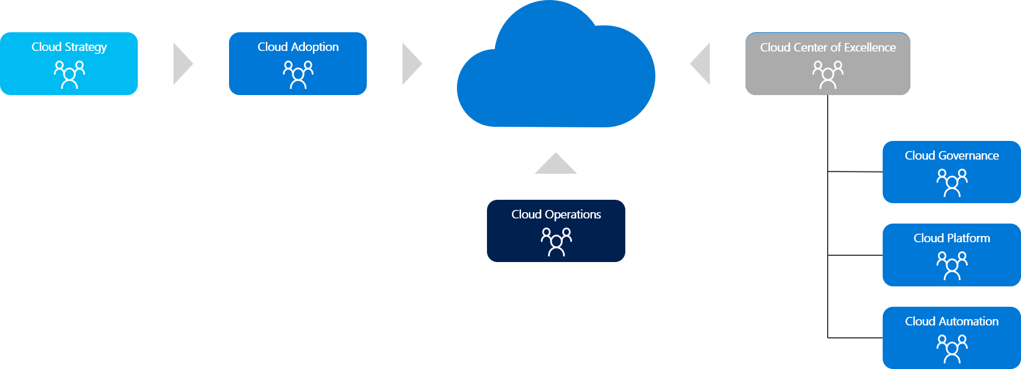

Accountable: | The one person or team to be held accountable for results and outcomes
Responsible: | Any people or teams who are responsible for contributing to the results and outcomes
Consulted: | People or teams who should be consulted prior to changes being implemented
Informed: | People or teams who should be informed about changes

