Blad1
 | At gate | Pushback | Taxi out | Crossing a runway | Line up | Takeoff | Initial Climb (clean) | Above 10 000 ft | Below 10 000 ft | Gear Down | Off runway | Taxi in | At gate
Strobe | AUTO | AUTO | AUTO | ON | ON | ON | ON | ON | ON | ON | ON | AUTO | OFF
Beacon | OFF | ON | ON | ON | ON | ON | ON | ON | ON | ON | ON | ON | OFF
Wing | ON when inspecting ice on wings |  |  |  |  |  |  |  |  |  |  |  | OFF
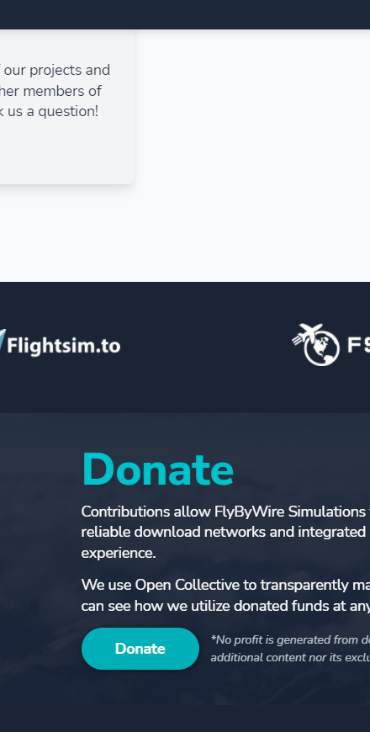
Navigation/Logo | ON | ON | ON | ON | ON | ON | ON | ON | ON | ON | ON | ON | ON
Runway turnoff | OFF | OFF | AS REQ | AS REQ | AS REQ | AS REQ | OFF | OFF | OFF | AS REQ | AS REQ | AS REQ | OFF
Nosewheel | OFF | OFF | Taxi | Taxi | T.O. | T.O. | OFF | OFF | OFF | T.O. | T.O. | Taxi | OFF
Landing lights | OFF | OFF | OFF | OFF | ON | ON | ON | OFF | ON | ON | OFF | OFF | OFF
 | *Only a baseline, actual SOP differs from airline to airline |  |  |  |  |  |  |  |  |  |  |  | Credit: Sven Janssens

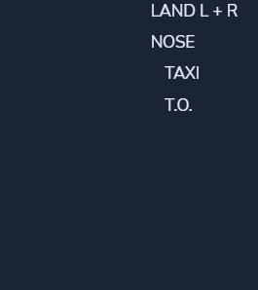
 | At gate | Pushback | Taxi out | Crossing a runway | Line up on active runway | Takeoff roll |  | Above 10 000 ft | Below 10 000 ft |  | Off runway | Taxi in | At gate
Beacon | OFF | ON |  |  |  |  |  |  |  |  |  |  | OFF
Navigation/Logo | ON |  |  |  |  |  |  |  |  |  |  |  | ON
Strobe | AUTO |  |  | ON |  |  |  |  |  |  |  | AUTO | OFF
Wing | ON when suspecting ice on wings |  |  |  |  |  |  |  |  |  |  |  | OFF
Runway turnoff | OFF | OWN DISC. | OWN DISC. | OWN DISC. | ON |  |  | OFF | ON |  |  | OWN DISC. | OFF
Nosewheel | OFF |  | Taxi |  | T.O. |  |  |  |  |  | ON | Taxi | OFF
Landing lights | OFF |  |  |  | ON |  |  | OFF | ON |  | OFF |  | OFF
 | *Only a baseline, actual SOP differs from airline to airline
 | ** OWN DISC. : Own Discretion

