Math_Formulas
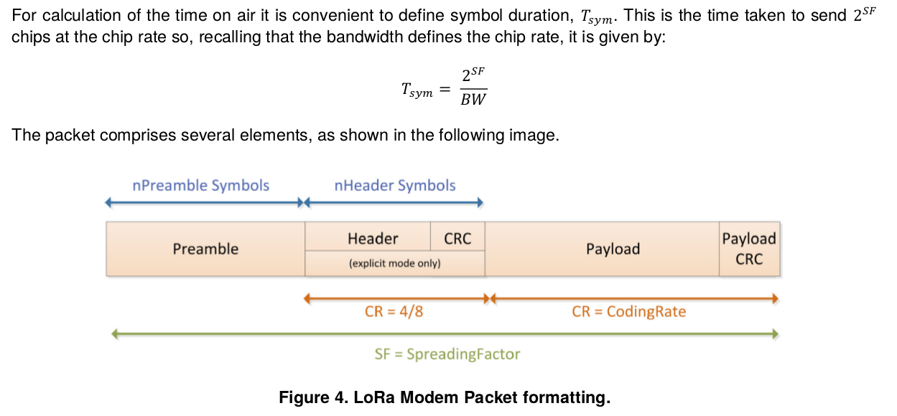
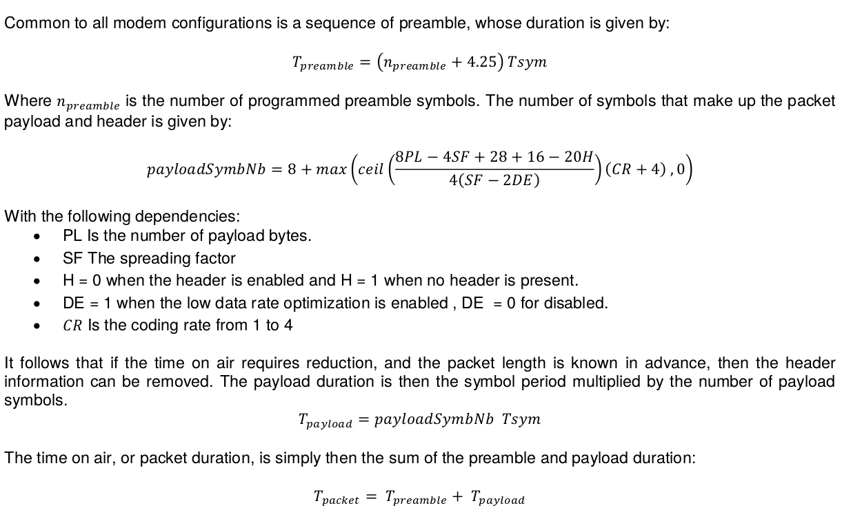
References:

Lora Modem Design Guide SX1272/3/6/7/8: LoRa Modem Designer’s Guide AN1200.13
Semtech’s SX1272 Datasheet
Semtech’s SX1276 Datasheet
LoRaWAN v1.0 Specification

