Sheet1
chi_Nteractor
chin_ElementLayout
chin_Form
[FormClass]

chiNteractor.lua
ButtonClass
CustomProcessing
chiNteractor_00_global.lua
updatextechelements.lua
UpdateXTechElements
UpdateTextures
CheckBoxClass
TextureStack
chiNteractor_02_icons.lua
ContextMenuClass
windowsetup.lua
UpdateTransforms
TransformStack
DropListClass
panels.lua
UpdateMaterials
chin_GlobalFuncitons
chin_form.lua
MaterialStack
chin_Modules
EventClass
splitbars.lua
UpdateObjects
GridViewClass
treeview.lua
ObjectStack
LabelClass
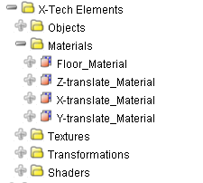
console.lua
MenuClass
gridview.lua
PanelClass
GUID
PropertyClass
menubar.lua
chin_ElementLayout
mfd.lua
SelectionClass
SplitBarClass
contextmenus.lua
Selection
TextBoxClass
toolbar.lua
chin_3DScene
TreeViewClass
chin_3DScene
MaterialPreviewClass
Push
ConsoleClass
Callback
SelectionStack
CustomProcessing

MaterialStack
Material
Index
Property
CustomValueChanged
Index
Name="Diffuse Color"
Parent to Label & TextBox

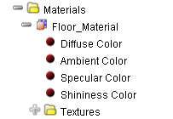
Value={204,204,204,255}
Parent
ExecuteScript

Label
label.CustomSelected

Selection
OriginFeature
type=PROPERTY

Callback
GridviewGetProperties
Push
GridviewGetProperties
ForProperties
SelectionStack

Label
TextBox
Text="{204,204,204,255}"
Selection
OriginFeature
Parent
Property
Name
Value

Parent
CustomKeyPress

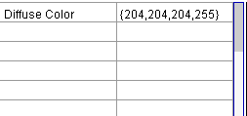
CustomValueChanged

