ORDER
义乌浠砂贸易商行
AL-AMERI TRADING COMPANY YIWU
地址：义乌梅湖8栋7单元201 Add：201 Office Blo.8.Meihu Yiwu City China
E-mail：al_ameri@yahhoo.cn
CUSTOMER: |  |  |  |  |  | DATE:
PHOTO | ITEM NO | supplier | CTN | QTY | T/P | PRICE | MOENY | CBM | T/CBM
图片 | 货号 | المورد | 箱数 | 每箱的数量 | 总的数量 | 价格 | 总价 | CBM | T/CBM
 | KW-3-BBF-1 | BBF | 2 | 1200 | 2400 | 0.72 | 1728 | 0.247863 | 0.495726 | 15天付款
 | KW-3-BBF-2 | BBF | 2 | 1920 | 3840 | 0.52 | 1996.8 | 0.212784 | 0.425568
 | KW-3-BBF-3 | BBF | 2 | 1200 | 2400 | 1.35 | 3240 | 0.26325 | 0.5265
 | KW-3-BBF-4 | BBF | 2 | 360 | 720 | 1.25 | 900 | 0.191296 | 0.382592
 | KW-3-BBF-5 | BBF | 2 | 360 | 720 | 1.7 | 1224 | 0.250712 | 0.501424
 | KW-3-BBF-6 | BBF | 2 | 720 | 1440 | 1.5 | 2160 | 0.220932 | 0.441864
 | KW-3-BBG-1 | BBG | 2 | 160 | 320 | 10 | 3200 | 0.12375 | 0.2475 | 俩个月
 | KW-3-BBG-2 | BBG | 2 | 160 | 320 | 9.5 | 3040 | 0.1026 | 0.2052
 | KW-3-BBG-3 | BBG | 2 | 144 | 288 | 13.75 | 3960 | 0.067375 | 0.13475
 | KW-3-BBG-4 | BBG | 2 | 120 | 240 | 13.75 | 3300 | 0.14175 | 0.2835
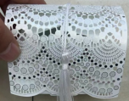 | KW-3-BBG-5 | BBG | 2 | 144 | 288 | 16.25 | 4680 | 0.06325 | 0.1265
 | KW-3-BBG-6 | BBG | 2 | 160 | 320 | 11.25 | 3600 | 0.13 | 0.26
 | KW-3-BBG-7 | BBG | 2 | 144 | 288 | 13.75 | 3960 | 0.14175 | 0.2835
 | KW-3-BBG-9 | BBG | 2 | 144 | 288 | 14.5 | 4176 | 0.1152 | 0.2304
 | KW-3-BBG-10 | BBG | 2 | 160 | 320 | 10 | 3200 | 0.066 | 0.132
 | KW-3-BBG-11 | BBG | 2 | 144 | 288 | 8 | 2304 | 0.088 | 0.176
 | KW-3-BBG-12 | BBG | 2 | 144 | 288 | 8 | 2304 | 0.088 | 0.176
 | KW-3-BBG-13 | BBG | 2 | 120 | 240 | 13.75 | 3300 | 0.14175 | 0.2835
 | KW-3-BBG-14 | BBG | 2 | 144 | 288 | 8 | 2304 | 0.077 | 0.154
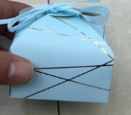 | KW-3-BBG-15 | BBG | 2 | 144 | 288 | 9.5 | 2736 | 0.0805 | 0.161
 | KW-3-BBG-16 | BBG | 2 | 200 | 400 | 7.5 | 3000 | 0.126 | 0.252
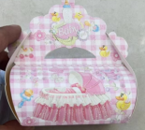 | KW-3-BBG-17 | BBG | 2 | 144 | 288 | 12.5 | 3600 | 0.12925 | 0.2585
 | KW-3-BBG-18 | BBG | 2 | 144 | 288 | 9.5 | 2736 | 0.108 | 0.216
 | KW-3-BBG-19 | BBG | 1 | 144 | 144 | 9.5 | 1368 | 0.096 | 0.096
 | KW-3-BBG-20 | BBG | 1 | 144 | 144 | 9.5 | 1368 | 0.096 | 0.096
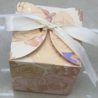 | KW-3-BBG-21 | BBG | 2 | 144 | 288 | 11.25 | 3240 | 0.1008 | 0.2016
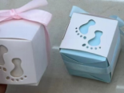 | KW-3-BBG-22 | BBG | 2 | 144 | 288 | 10 | 2880 | 0.1045 | 0.209
 | KW-3-BBG-23 | BBG | 2 | 144 | 288 | 10 | 2880 | 0.1045 | 0.209
 | KW-3-BBG-24 | BBG | 2 | 144 | 288 | 93.5 | 26928 | 0.09 | 0.18
 | KW-3-MS-1 | MS | 1 | 50 | 50 | 36 | 1800 | 0.18 | 0.18 | 现金
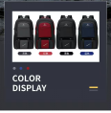 | KW-3-MS-2 | MS | 1 | 50 | 50 | 22 | 1100 | 0.13 | 0.13
 | KW-3-MS-3 | MS | 1 | 50 | 50 | 20 | 1000 | 0.13 | 0.13
 | KW-3-MS-4 | MS | 1 | 50 | 50 | 17.5 | 875 | 0.16 | 0.16
 | KW-3-MS-5 | MS | 1 | 50 | 50 | 18 | 900 | 0.16 | 0.16
 | KW-3-MS-6 | MS | 1 | 50 | 50 | 14 | 700 | 0.1 | 0.1
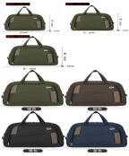 | KW-3-MS-7 | MS | 1 | 50 | 50 | 17.5 | 875 | 0.12 | 0.12
 | KW-3-MS-8 | MS | 1 | 50 | 50 | 19.5 | 975 | 0.14 | 0.14
 | KW-3-MS-9 | MS | 1 | 30 | 30 | 25 | 750 | 0.18 | 0.18
 | KW-3-MS-10 | MS | 1 | 30 | 30 | 26 | 780 | 0.18 | 0.18
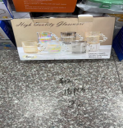 | KW-4-XS-1 | XS | 20 | 16 | 320 | 12 | 3840 | 0.08 | 1.6 | 一个月
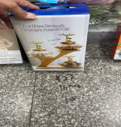 | KW-4-XS-2 | XS | 10 | 16 | 160 | 27 | 4320 | 0.07 | 0.7
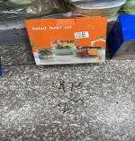 | KW-4-XS-3 | XS | 25 | 24 | 600 | 7.5 | 4500 | 0.08 | 2
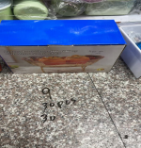 | KW-4-XS-4 | XS | 30 | 30 | 900 | 9 | 8100 | 0.07 | 2.1
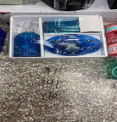 | KW-4-XS-5 | XS | 10 | 24 | 240 | 11 | 2640 | 0.07 | 0.7
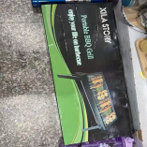 | KW-4-XS-6 | XS | 5 | 24 | 120 | 18 | 2160 | 0.12 | 0.6
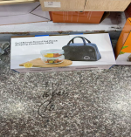 | KW-4-XS-7 | XS | 10 | 16 | 160 | 14 | 2240 | 0.07 | 0.7
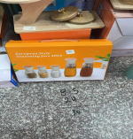 | KW-4-XS-8 | XS | 30 | 24 | 720 | 8.5 | 6120 | 0.08 | 2.4
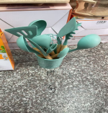 | KW-4-XS-9 | XS | 5 | 24 | 120 | 17 | 2040 | 0.07 | 0.35
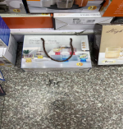 | KW-4-XS-10 | XS | 5 | 16 | 80 | 15 | 1200 | 0.07 | 0.35
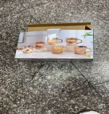 | KW-4-XS-11 | XS | 15 | 16 | 240 | 12 | 2880 | 0.07 | 1.05
 | KW-4-XS-12 | XS | 15 | 16 | 240 | 12 | 2880 | 0.07 | 1.05
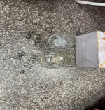 | KW-4-XS-13 | XS | 9 | 12 | 108 | 25 | 2700 | 0.08 | 0.72
 | KW-4-XS-14 | XS | 15 | 12 | 180 | 16 | 2880 | 0.08 | 1.2
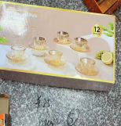 | KW-4-XS-15 | XS | 5 | 12 | 60 | 25 | 1500 | 0.08 | 0.4
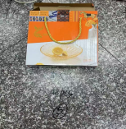 | KW-4-XS-16 | XS | 5 | 48 | 240 | 6 | 1440 | 0.09 | 0.45
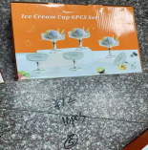 | KW-4-XS-17 | XS | 5 | 16 | 80 | 12 | 960 | 0.08 | 0.4
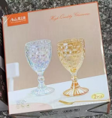 | KW-4-XS-18 | XS | 10 | 36 | 360 | 4.7 | 1692 | 0.08 | 0.8
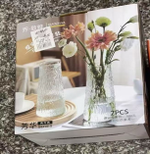 | KW-4-XS-19 | XS | 5 | 20 | 100 | 5.2 | 520 | 0.06 | 0.3
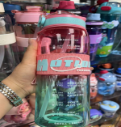 | KW-4-XS-20 | XS | 1 | 80 | 80 | 6.5 | 520 | 0.14 | 0.14
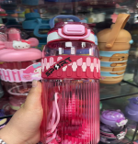 | KW-4-XS-21 | XS | 1 | 80 | 80 | 6.8 | 544 | 0.14 | 0.14
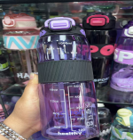 | KW-4-XS-22 | XS | 1 | 80 | 80 | 6.8 | 544 | 0.14 | 0.14
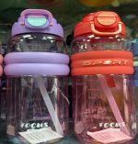 | KW-4-XS-23 | XS | 1 | 80 | 80 | 6.8 | 544 | 0.14 | 0.14
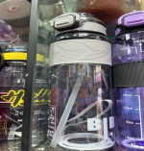 | KW-4-XS-24 | XS | 1 | 80 | 80 | 6.8 | 544 | 0.14 | 0.14
 | KW-4-XS-25 | XS | 1 | 80 | 80 | 6.8 | 544 | 0.14 | 0.14
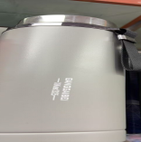 | KW-4-XS-26 | XS | 1 | 50 | 50 | 15 | 750 | 0.08 | 0.08
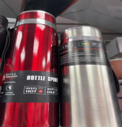 | KW-4-XS-27 | XS | 1 | 50 | 50 | 10 | 500 | 0.07 | 0.07
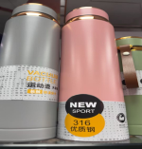 | KW-4-XS-28 | XS | 1 | 50 | 50 | 10 | 500 | 0.07 | 0.07
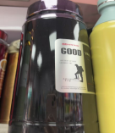 | KW-4-XS-29 | XS | 1 | 50 | 50 | 10 | 500 | 0.07 | 0.07
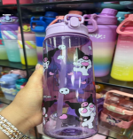 | KW-4-XS-30 | XS | 1 | 100 | 100 | 3.2 | 320 | 0.11 | 0.11
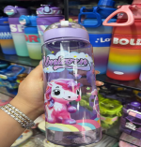 | KW-4-XS-31 | XS | 1 | 100 | 100 | 3.2 | 320 | 0.11 | 0.11
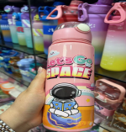 | KW-4-XS-32 | XS | 1 | 100 | 100 | 3.2 | 320 | 0.11 | 0.11
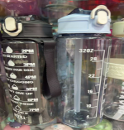 | KW-4-XS-33 | XS | 1 | 100 | 100 | 3 | 300 | 0.11 | 0.11
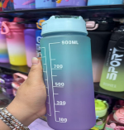 | KW-4-XS-34 | XS | 1 | 100 | 100 | 3.7 | 370 | 0.11 | 0.11
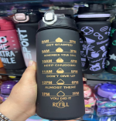 | KW-4-XS-35 | XS | 1 | 100 | 100 | 3.6 | 360 | 0.11 | 0.11
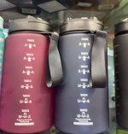 | KW-4-XS-36 | XS | 1 | 100 | 100 | 4 | 400 | 0.1 | 0.1
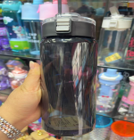 | KW-4-XS-37 | XS | 1 | 100 | 100 | 4 | 400 | 0.1 | 0.1
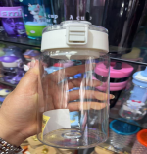 | KW-4-XS-38 | XS | 1 | 100 | 100 | 3.8 | 380 | 0.08 | 0.08
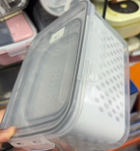 | KW-4-XS-39 | xs | 5 | 40 | 200 | 9 | 1800 | 0.1 | 0.5
 | KW-TRR-1 | TRR | 1 | 144 | 144 | 3.6 | 518.4 | 0.285 | 0.285 | 现金
 | KW-TRR-2 | TRR | 1 | 144 | 144 | 3.6 | 518.4 | 0.285 | 0.285
 | KW-TRR-3 | TRR | 1 | 144 | 144 | 3.6 | 518.4 | 0.285 | 0.285
 | KW-TRR-4 | TRR | 1 | 192 | 192 | 2.8 | 537.6 | 0.285 | 0.285
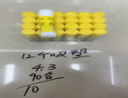 | KW-WJ-1 | WJ | 1 | 90 | 90 | 4.3 | 387 | 0.039442 | 0.039442 | 30天
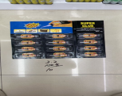 | KW-WJ-2 | WJ | 1 | 100 | 100 | 3.2 | 320 | 0.070756 | 0.070756
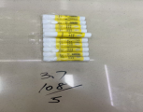 | KW-WJ-3 | WJ | 1 | 108 | 108 | 3.7 | 399.6 | 0.0525 | 0.0525
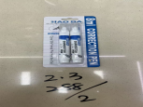 | KW-WJ-4 | WJ | 1 | 288 | 288 | 2.3 | 662.4 | 0.0525 | 0.0525
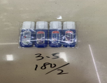 | KW-WJ-5 | WJ | 1 | 180 | 180 | 3.5 | 630 | 0.063 | 0.063
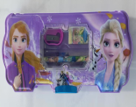 | KW-TR-1 | TR | 1 | 144 | 144 | 3.7 | 532.8 | 0.13 | 0.39
 | KW-TR-2 | TR | 1 | 144 | 144 | 4.1 | 590.4 | 0.12 | 0.36
 | KW-TR-3 | TR | 1 | 100 | 1000 | 4.5 | 4500 | 0.05 | 0.5
 | KW-TR-4 | TR | 1 | 144 | 432 | 3.7 | 1598.4 | 0.12 | 0.36
 | KW-TR-5 | TR | 1 | 240 | 720 | 1.8 | 1296 | 0.13 | 0.39
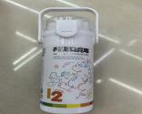 | KW-BY-1 | BY | 1 | 120 | 120 | 3.72 | 446.4 | 0.08 | 0.08
 | KW-BY-2 | BY | 1 | 200 | 200 | 3 | 600 | 0.08 | 0.08
 | KW-BY-3 | BY | 1 | 192 | 192 | 3.8 | 729.6 | 0.07 | 0.07
 | KW-BY-4 | BY | 1 | 144 | 144 | 3.36 | 483.84 | 0.08 | 0.08
 | KW-BY-5 | BY | 1 | 96 | 96 | 3.4 | 326.4 | 0.16 | 0.16
 | KW-BY-6 | BY | 1 | 240 | 240 | 4.75 | 1140 | 0.07 | 0.07
 | KW-BY-7 | BY | 1 | 240 | 240 | 2.8 | 672 | 0.075 | 0.075
 | KW-BY-8 | BY | 1 | 192 | 192 | 3.54 | 679.68 | 0.09 | 0.09
 | KW-BY-9 | BY | 1 | 360 | 360 | 3 | 1080 | 0.095 | 0.095
 | KW-BY-10 | BY | 1 | 288 | 288 | 2.4 | 691.2 | 0.07 | 0.07
 | KW-BY-11 | BY | 1 | 288 | 288 | 2.4 | 691.2 | 0.07 | 0.07
 | KW-BY-12 | BY | 1 | 288 | 288 | 2.4 | 691.2 | 0.07 | 0.07
 | KW-BY-13 | BY | 1 | 72 | 72 | 4.3 | 309.6 | 0.1 | 0.1
 | KW-BY-14 | BY | 1 | 80 | 80 | 4 | 320 | 0.08 | 0.08
 | KW-BY-15 | BY | 1 | 192 | 192 | 3.65 | 700.8 | 0.08 | 0.08
 | KW-BY-16 | BY | 1 | 200 | 200 | 2.1 | 420 | 0.045 | 0.045
 | KW-BY-17 | BY | 1 | 288 | 288 | 3 | 864 | 0.07 | 0.07
 | KW-BY-18 | BY | 1 | 288 | 288 | 3.55 | 1022.4 | 0.07 | 0.07
 | KW-BY-19 | BY | 1 | 36 | 36 | 40 | 1440 | 0.16 | 0.16
 r | KW-BY-20 | BY | 1 | 36 | 36 | 40 | 1440 | 0.16 | 0.16
 | KW-BY-21 | BY | 1 | 160 | 160 | 4.15 | 664 | 0.08 | 0.08
 | KW-LX-1 | LX | 1 | 72 | 72 | 3.9 | 280.8 | 0.05 | 0.05
 | KW-LX-2 | LX | 1 | 96 | 96 | 4.7 | 451.2 | 0.05 | 0.05
 | KW-LX-3 | LX | 1 | 60 | 60 | 3 | 180 | 0.05 | 0.05
 | KW-LX-4 | LX | 1 | 80 | 80 | 4.5 | 360 | 0.12 | 0.12
 | KW-LX-5 | LX | 1 | 72 | 72 | 3.2 | 230.4 | 0.05 | 0.05
 | KW-LX-6 | LX | 1 | 60 | 60 | 3.5 | 210 | 0.05 | 0.05
 | KW-LX-7 | LX | 1 | 240 | 240 | 2.1 | 504 | 0.05 | 0.05
 | KW-LX-8 | LX | 1 | 80 | 80 | 4.2 | 336 | 0.05 | 0.05
 | KW-LX-9 | LX | 1 | 192 | 192 | 3 | 576 | 0.05 | 0.05
 | KW-LX-10 | LX | 1 | 192 | 192 | 3.4 | 652.8 | 0.05 | 0.05
 | KW-LX-11 | LX | 1 | 364 | 364 | 3.3 | 1201.2 | 0.05 | 0.05
 | KW-LX-12 | LX | 1 | 258 | 258 | 2.4 | 619.2 | 0.05 | 0.05
 | KW-LX-13 | LX | 1 | 258 | 258 | 2.4 | 619.2 | 0.05 | 0.05
 | KW-LX-14 | LX | 1 | 258 | 258 | 2.4 | 619.2 | 0.05 | 0.05
 | KW-ZFS-1 | ZFS | 1 | 80 | 80 | 2.1 | 168 | 0.064 | 0.064 | 现金
 | KW-ZFS-2 | ZFS | 1 | 80 | 80 | 2.8 | 224 | 0.138 | 0.138
 | KW-ZFS-3 | ZFS | 1 | 80 | 80 | 3.2 | 256 | 0.16 | 0.16
 | KW-ZFS-4 | ZFS | 1 | 80 | 80 | 2.4 | 192 | 0.085 | 0.085
 | KW-ZFS-5 | ZFS | 1 | 80 | 80 | 3.3 | 264 | 0.183 | 0.183
 | KW-ZFS-6 | ZFS | 1 | 80 | 80 | 4.5 | 360 | 0.157 | 0.157
 | KW-ZFS-7 | ZFS | 1 | 80 | 80 | 3.5 | 280 | 0.186 | 0.186
 | KW-ZFS-8 | ZFS | 1 | 80 | 80 | 3.7 | 296 | 0.1 | 0.1
 | KW-ZFS-9 | ZFS | 1 | 80 | 80 | 4.4 | 352 | 0.11 | 0.11
 | KW-BT-1 | BT | 1 | 216 | 216 | 3.5 | 756 | 0.09 | 0.09 | 现金
 | KW-BT-2 | BT | 1 | 144 | 144 | 3.5 | 504 | 0.09 | 0.09
 | KW-BT-3 | BT | 1 | 240 | 240 | 3.5 | 840 | 0.05 | 0.05
 | KW-BT-4 | BT | 1 | 480 | 480 | 1.5 | 720 | 0.08 | 0.08
 | KW-BT-5 | BT | 1 | 480 | 480 | 1.5 | 720 | 0.08 | 0.08
 | KW-BT-6 | BT | 1 | 480 | 480 | 1.5 | 720 | 0.08 | 0.08
 | KW-BT-7 | BT | 1 | 480 | 480 | 1.5 | 720 | 0.08 | 0.08
 | KW-BT-8 | BT | 1 | 480 | 480 | 1.5 | 720 | 0.08 | 0.08
 | KW-CN-1 | CN | 20 | 72 | 1440 | 3.6 | 5184 | 0.15 | 3 | 俩个月付
 | KW-CN-2 | CN | 20 | 72 | 1440 | 3.9 | 5616 | 0.15 | 3
 | KW-3-ML-1 | ML | 2 | 168 | 336 | 2.4 | 806.4 | 0.06 | 0.12
 | KW-3-ML-2 | ML | 2 | 144 | 288 | 2.85 | 820.8 | 0.068 | 0.136
 | KW-3-ML-3 | ML | 5 | 16 | 80 | 18.2 | 1456 | 0.11 | 0.55
 | KW-3-ML-4 | ML | 5 | 12 | 60 | 21 | 1260 | 0.13 | 0.65
 | KW-3-ML-5 | ML | 5 | 12 | 60 | 25 | 1500 | 0.19 | 0.95
 | KW-3-ML-6 | ML | 4 | 55 | 220 | 2.7 | 594 | 0.037 | 0.148
 | KW-3-ML-7 | ML | 3 | 72 | 216 | 2.6 | 561.6 | 0.036 | 0.108
 | KW-3-ML-8 | ML | 7 | 48 | 336 | 3.8 | 1276.8 | 0.045 | 0.315
 | KW-3-ML-9 | ML | 6 | 48 | 288 | 5.5 | 1584 | 0.065 | 0.39
 | KW-3-ML-10 | ML | 3 | 48 | 144 | 4.8 | 691.2 | 0.067 | 0.201
 | KW-3-ML-11 | ML | 5 | 30 | 150 | 6 | 900 | 0.051 | 0.255
 | KW-3-ML-12 | ML | 2 | 42 | 84 | 5.6 | 470.4 | 0.063 | 0.126
 | KW-3-ML-13 | ML | 2 | 50 | 100 | 7.4 | 740 | 0.07 | 0.14

 | KW-3-ML-14 | ML | 3 | 300 | 900 | 1.15 | 1035 | 0.044 | 0.132
 | KW-3-ML-15 | ML | 3 | 240 | 720 | 1.75 | 1260 | 0.06 | 0.18
 | KW-3-ML-16 | ML | 3 | 160 | 480 | 2.45 | 1176 | 0.065 | 0.195

 | KW-3-ML-17 | ML | 2 | 360 | 720 | 1.35 | 972 | 0.052272 | 0.104544
 | KW-3-ML-18 | ML | 2 | 252 | 504 | 1.95 | 982.8 | 0.05434 | 0.10868
 | KW-3-ML-19 | ML | 2 | 216 | 432 | 2.4 | 1036.8 | 0.064715 | 0.12943
 | KW-3-ML-20 | ML | 2 | 192 | 384 | 2.65 | 1017.6 | 0.076032 | 0.152064
 | KW-3-ML-21 | ML | 2 | 144 | 288 | 3.45 | 993.6 | 0.078652 | 0.157304
 | KW-3-ML-22 | ML | 2 | 108 | 216 | 4.3 | 928.8 | 0.070644 | 0.141288
 | KW-3-ML-23 | ML | 2 | 84 | 168 | 5.9 | 991.2 | 0.073036 | 0.146072
 | KW-3-ML-24 | ML | 2 | 360 | 720 | 1.3 | 936 | 0.074 | 0.148

 | KW-3-ML-25 | ML | 2 | 252 | 504 | 1.85 | 932.4 | 0.076 | 0.152
 | KW-3-ML-26 | ML | 2 | 216 | 432 | 2.3 | 993.6 | 0.079 | 0.158
 | KW-3-ML-27 | ML | 2 | 192 | 384 | 2.65 | 1017.6 | 0.088 | 0.176
 | KW-3-ML-28 | ML | 2 | 144 | 288 | 3.4 | 979.2 | 0.092 | 0.184
 | KW-3-ML-29 | ML | 2 | 108 | 216 | 4.2 | 907.2 | 0.084 | 0.168

 | KW-3-ML-30 | ML | 5 | 48 | 240 | 4.9 | 1176 | 0.04 | 0.2
 | KW-3-ML-31 | ML | 5 | 36 | 180 | 5.7 | 1026 | 0.04 | 0.2
 | KW-3-ML-32 | ML | 5 | 36 | 180 | 6.7 | 1206 | 0.04 | 0.2
 | KW-3-ML-33 | ML | 1 | 120 | 120 | 2.2 | 264 | 0.05 | 0.05
 | KW-3-ML-34 | ML | 2 | 72 | 144 | 3 | 432 | 0.04 | 0.08
 | KW-3-ML-35 | ML | 2 | 60 | 120 | 4 | 480 | 0.04 | 0.08
 | KW-3-ML-36 | ML | 5 | 84 | 420 | 2.7 | 1134 | 0.03 | 0.15
 | KW-3-ML-37 | ML | 5 | 60 | 300 | 3.7 | 1110 | 0.035 | 0.175

 | KW-3-ML-38 | ML | 5 | 48 | 240 | 5.2 | 1248 | 0.032 | 0.16
 | KW-3-ML-39 | ML | 5 | 96 | 480 | 2.7 | 1296 | 0.064 | 0.32
 | KW-3-ML-40 | ML | 5 | 60 | 300 | 4 | 1200 | 0.043 | 0.215

 | KW-3-ML-41 | ML | 5 | 36 | 180 | 7 | 1260 | 0.05 | 0.25
 | KW-3-ML-42 | ML | 5 | 24 | 120 | 8.3 | 996 | 0.042 | 0.21
 | KW-3-ML-43 | ML | 5 | 24 | 120 | 9.4 | 1128 | 0.055 | 0.275
 | KW-3-ML-44 | ML | 5 | 18 | 90 | 11.8 | 1062 | 0.052 | 0.26
 | KW-3-ML-45 | ML | 2 | 24 | 48 | 24 | 1152 | 0.053 | 0.106
 | KW-3-ML-46 | ML | 20 | 20 | 400 | 16.2 | 6480 | 0.1 | 2
 | KW-3-ML-47 | ML | 20 | 20 | 400 | 16.2 | 6480 | 0.12 | 2.4
 | KW-3-ML-48 | ML | 20 | 20 | 400 | 16.2 | 6480 | 0.11 | 2.2
 | KW-4-KX-1 | KX | 2 | 448 | 896 | 9.8 | 8780.8 | 0.31 | 0.62 | 现金
 | KW-4-KX-2 | KX | 2 | 48 | 96 | 15.5 | 1488 | 0.22 | 0.44
 | KW-4-KX-3 | KX | 2 | 48 | 96 | 19 | 1824 | 0.41 | 0.82
 | KW-4-KX-4 | KX | 2 | 48 | 96 | 13.5 | 1296 | 0.25 | 0.5
 | KW-4-KX-5 | KX | 2 | 60 | 120 | 11.5 | 1380 | 0.3 | 0.6
 | KW-4-KX-6 | KX | 2 | 80 | 160 | 6.5 | 1040 | 0.31 | 0.62
 | KW-4-KX-7 | KX | 1 | 72 | 72 | 9 | 648 | 0.34 | 0.34
 | KW-4-KX-8 | KX | 1 | 60 | 60 | 6.5 | 390 | 0.38 | 0.38
 | KW-4-KX-9 | KX | 1 | 48 | 48 | 16 | 768 | 0.288 | 0.288
 | KW-4-KX-10 | KX | 1 | 48 | 48 | 14 | 672 | 0.24 | 0.24
 | KW-4-KX-11 | KX | 1 | 20 | 20 | 48 | 960 | 0.37 | 0.37
 | KW-4-KX-12 | KX | 1 | 96 | 96 | 7.3 | 700.8 | 0.22 | 0.22
 | KW-4-KX-13 | KX | 1 | 72 | 72 | 8 | 576 | 0.25 | 0.25
 | KW-4-KX-14 | KX | 1 | 36 | 36 | 12 | 432 | 0.36 | 0.36
 | KW-4-KX-15 | KX | 1 | 40 | 40 | 8 | 320 | 0.5 | 0.5
 | KW-4-KX-16 | KX | 1 | 72 | 72 | 8 | 576 | 0.25 | 0.25
 | KW-4-KX-17 | KX | 1 | 72 | 72 | 9 | 648 | 0.25 | 0.25
 | KW-4-KX-18 | KX | 1 | 72 | 72 | 9 | 648 | 0.25 | 0.25
 | KW-4-KX-19 | KX | 1 | 144 | 144 | 6.7 | 964.8 | 0.26 | 0.26
 | KW-4-KX-20 | KX | 1 | 30 | 30 | 9.5 | 285 | 0.37 | 0.37
 | KW-4-KX-21 | KX | 1 | 144 | 144 | 8.8 | 1267.2 | 0.29 | 0.29
 | KW-4-KX-22 | KX | 1 | 120 | 120 | 9.8 | 1176 | 0.33 | 0.33
 | KW-4-KX-23 | KX | 1 | 96 | 96 | 9.6 | 921.6 | 0.31 | 0.31
 | KW-4-KX-24 | KX | 1 | 168 | 168 | 8.5 | 1428 | 0.22 | 0.22
 | KW-4-KX-25 | KX | 1 | 72 | 72 | 9.8 | 705.6 | 0.37 | 0.37
 | KW-4-KX-26 | KX | 1 | 60 | 60 | 13 | 780 | 0.54 | 0.54
 | KW-4-KX-27 | KX | 1 | 48 | 48 | 14 | 672 | 0.33 | 0.33
 | KW-4-KX-28 | KX | 1 | 96 | 96 | 10.5 | 1008 | 0.34 | 0.34
 | KW-4-KX-29 | KX | 1 | 96 | 96 | 7.5 | 720 | 0.37 | 0.37
 | KW-4-KX-30 | KX | 1 | 60 | 60 | 16.5 | 990 | 0.19 | 0.19
 | KW-4-KX-31 | KX | 1 | 120 | 120 | 5.4 | 648 | 0.42 | 0.42
 | KW-4-KX-32 | KX | 1 | 108 | 108 | 6 | 648 | 0.28 | 0.28
 | KW-4-KX-33 | KX | 1 | 96 | 96 | 4.8 | 460.8 | 0.328 | 0.328
قيمه شهايد سابر |  |  | RMB |  | T.T AMOUNT: |  |  | 334547.12
 |  |  | 0 |  | SHIPPING FEE:
SABER TOTAL FEE |  |  | 0 |  | SABER TOTAL FEE |  |  | 0
 |  |  |  |  | 5% COMMISSION: |  |  | 16727.356
 |  |  |  |  | T.T RMB |  |  | 351274.476
 |  |  |  |  | T.T CBM |  |  | 71
 |  |  |  |  | T.T CTNS: |  |  | 682

