questions
id | skill_id | difficulty_id | user_id | question | answer0 | answer1 | answer2 | answer3 | correct_answer | source | answer0_image | answer1_image | answer2_image | answer3_image | solution | question_image
1 | 1 | 2 | 3 | Which picture? | chicken | curry puff | nothing | nothing | 0 | nothing | /allgifted-images/image_question/0c9f7bfe-5175-4dd7-8701-0daa83eb3eeb.jpg | /allgifted-images/image_question/0c9f7bfe-5175-4dd7-8701-0daa83eb3eeb.jpg | /allgifted-images/image_question/0c9f7bfe-5175-4dd7-8701-0daa83eb3eeb.jpg | /allgifted-images/image_question/0c9f7bfe-5175-4dd7-8701-0daa83eb3eeb.jpg |  | /allgifted-images/image_question/0c9f7bfe-5175-4dd7-8701-0daa83eb3eeb.jpg
2 | 1 | 1 | 3 | Which is the largest number | 3 | 2 | 4 | 5 | 3 | -
3 | 1 | 1 | 3 | 5< | 4 | 5 | 6 | 7 | 0 | -
4 | 1 | 1 | 3 | What comes before 1? | 1 | 2 | 3 | None of the above | 3 | -
5 | 1 | 2 | 3 | What is the number between 5 and 3? | 4 | 3 | 2 | None of the above | 0
6 | 1 | 2 | 3 | What is the number that is larger than 4 but smaller than 10? | 3 | 4 | 5 | None of the above | 2
7 | 1 | 2 | 3 | What is the number right before 2? | 0 | 1 | 2 | None of the above | 1
8 | 1 | 3 | 3 | How many numbers are there in between 5 and 7? | 1 | 2 | 3 | None of the above | 0
9 | 1 | 3 | 3 | What number is larger than 87? | 86 | 87 | 88 | None of the above | 2
10 | 1 | 3 | 3 | What is the sum of the numbers between 1 and 5? | 12 | 18 | 11 | None of the above | 3
11 | 2 | 1 | 3 | 1+2= | 1 | 2 | 3 | None of the above | 2
12 | 2 | 1 | 3 | 4-1= | 1 | 2 | 3 | None of the above | 3
13 | 2 | 1 | 3 | 7=5+_ | 1 | 2 | 3 | None of the above | 1
14 | 2 | 2 | 3 | 2=2+_ | 3 | 2 | 1 | None of the above | 3
15 | 2 | 2 | 3 | 0=0+_ | 1 | 2 | 3 | None of the above | 3
16 | 2 | 2 | 3 | 10+2-4= | 12 | 8 | 9 | None of the above | 1
17 | 2 | 3 | 3 | 5+2+2+3= | 13 | 12 | 11 | None of the above | 1
18 | 2 | 3 | 3 | 2+3-4+5 | 1 | 6 | 2 | None of the above | 1
19 | 2 | 3 | 3 | 5+2-3+3= | 7 | 4 | 8 | None of the above | 0
20 | 3 | 1 | 3 | 10+1= | 10 | 11 | 20 | None of the above | 1
21 | 3 | 1 | 3 | 12+3= | 15 | 42 | 412 | None of the above | 0
22 | 3 | 1 | 3 | 11+5= | 66 | 16 | 10 | None of the above | 1
23 | 3 | 2 | 3 | 11+9= | 2 | 11 | 20 | None of the Above | 2
24 | 3 | 2 | 3 | 12+13= | 26 | 22 | 24 | None of the above | 3
25 | 3 | 2 | 3 | 10+10= | 20 | 10 | 23 | None of the above | 0
26 | 3 | 3 | 3 | 24+29= | 41 | 43 | 50 | None of the above | 3
27 | 3 | 3 | 3 | 13+24= | 30 | 31 | 33 | None of the above | 2
28 | 3 | 3 | 3 | 17+24= | 22 | 41 | 31 | None of the above | 1
29 | 4 | 1 | 3 | 2x4 | 2 | 10 | 8 | None of the above | 2
30 | 4 | 1 | 3 | 1x4 | 4 | 1 | 5 | None of the above | 0
31 | 4 | 1 | 3 | 3x3 | 3 | 6 | 9 | None of the above | 2
32 | 1 | 2 | 3 | Which picture? | chicken | curry puff | nothing | nothing | 0 | nothing | 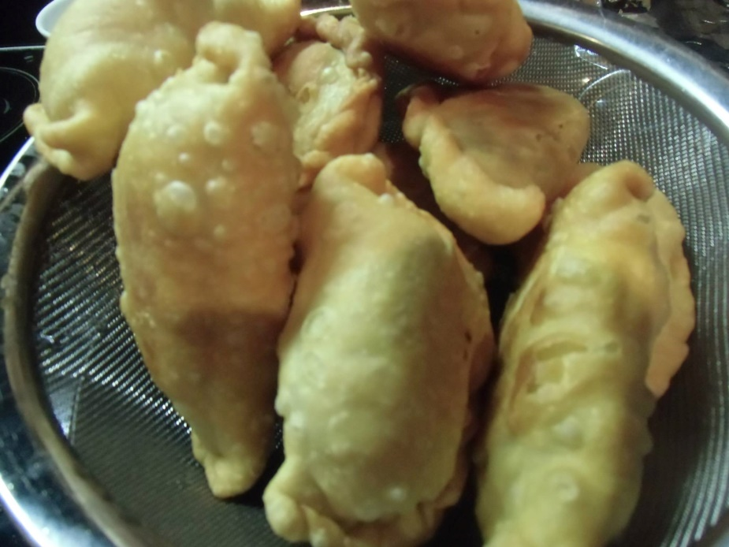 |  |  |  |  | 