Title Sheet
Note: The data and information in this document is reflective of a business case between Rockwall Analytics and client. This document is to be used for explaination purposes only.

 | Sprocket Central Limited dataset

 | To view the datasets, click on the yellow tabs/sheets at the bottom of this file
 | Click on the sheets are named "CustomerDemographic", "CustomerAddress", "Transactions" and "NewCustomerList"

 | Module 1 Task | Module 2 Task | Module 3 Task
 | Your task is to take a look at the following datasets provided by Sprocket Central Limited and identify all data quality issues. Once you've had a look at these datasets, draft an memo identifying all data quality issues. | Create a PowerPoint presentation wihch outlines the approach you will be taking to identify which of the 1000 customers Sprocket Central Limited should target, based on this dataset. Explain the three phases: Data Exploration; Model Development and Interpretation. | Please develop a dashboard that you can present to us at our next meeting. Display your data summary and results of the analysis in a dashboard (see tools/references for assistance). Specifically, your presentation should specify who Sprocket Central Limited' should be targeting out of the new 1000 customer list.

 | © 2020 Sprocket Central Limited, a Swiss entity. All rights reserved.

 | Need some help getting started, or new to excel/data?
 | Here is a warm up task with this dataset

 | Warm up task:
 | 1) Look over the datasets provided by Sprocket Central Limitedd (you can navigate through sheets by clicking the tabs at the bottom).
 | 2) Go to the 'CustomerDemographic' dataset
 | 3) Select entire dataset by clicking cell in the uppermost top left hand corner (see picture below)

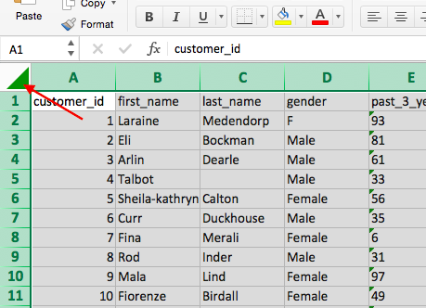

 | 4) Once you've selected the entire dataset, click 'Data' in the top bar of the sheet and click 'Filter' (see picture below). Once you click this, you'll notice that arrows appear in each cell in the top row. If you click the arrows, this creates a pop-up which allows you to only select certain values. Make sure you understand how to use the 'Filter' tool properly as this will be your main tool for analysis in the later modules.

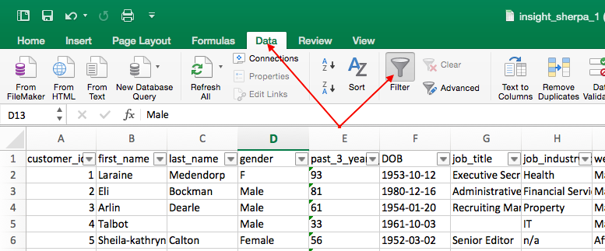

 | 5) Go to the 'DOB' column and click the filter arrow. This should bring up a pop-up which allows you to sort your data. Click 'Ascending' and this should sort your data-set from least to most recent from top to bottom (by date of birth). Once you do this, your data set should look exactly the same as the picture below

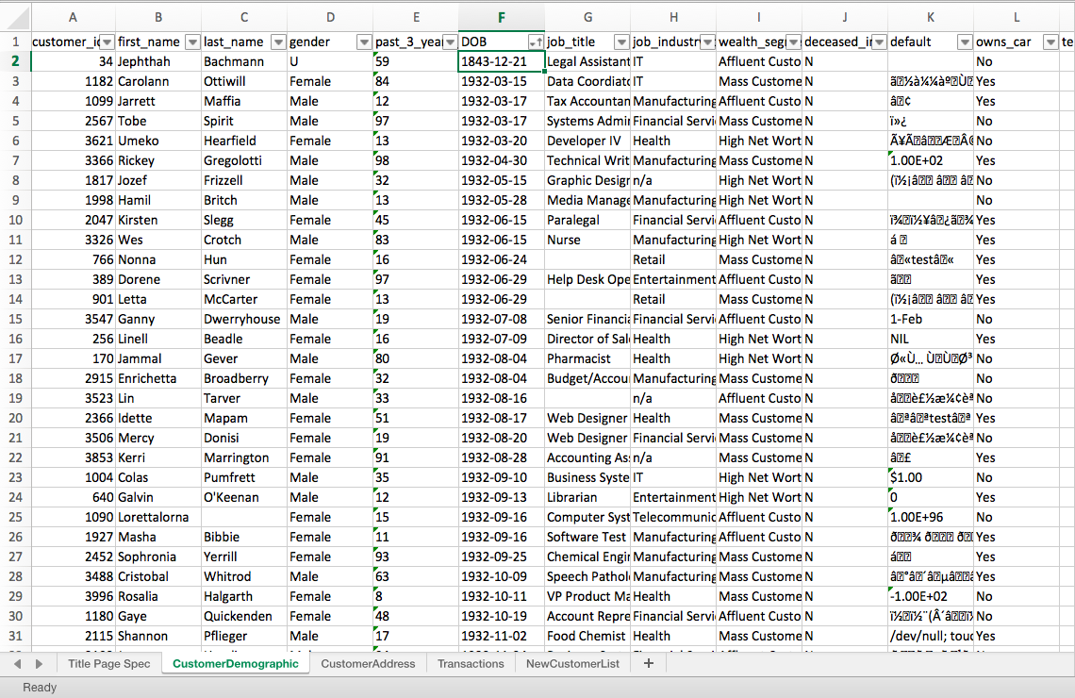

 | 6) Now do you notice anything strange about the data? If you have a look at the first customer (Jephthah Bachmann, you'll notice that they were born in 1843, meaning that they are 175 years old! This is obviously an error in the data so it would be something you'd include in the email to the client.

 | 7) For the rest of this task, it is up to you to look through the client datasets and identify problems like in the example above with the DOB. We recommend you dot point everything you find in a pdf Document before drafting your memo. It is also really important that you use the 'Data Quality Framework Table' (you can find this back in the module page in the 'Resources' section). Note that the parameters and criteria provided is vague.

