F01
ID | ROW ID | COMPANY CODE | SALES ORG | ROUND | PERIOD | PRODUCT | DC | AREA | QUANTITY | UNIT | AVERAGE | NET VALUE | CURRENCY
.1~38 | 38 | DD | Company | 1 | 1 | 500g Nut Muesli | 12 | North | 0 |  | 0 | 0
.1~122 | 122 | DD | Company | 1 | 2 | 500g Nut Muesli | 12 | North | 0 |  | 0 | 0
.1~226 | 226 | DD | Company | 1 | 3 | 500g Nut Muesli | 12 | North | 0 |  | 0 | 0
.1~356 | 356 | DD | Company | 1 | 4 | 500g Nut Muesli | 12 | North | 0 |  | 0 | 0
.1~488 | 488 | DD | Company | 2 | 5 | 500g Nut Muesli | 12 | North | 0 |  | 0 | 0
.1~628 | 628 | DD | Company | 2 | 6 | 500g Nut Muesli | 12 | North | 0 |  | 0 | 0
.1~762 | 762 | DD | Company | 2 | 7 | 500g Nut Muesli | 12 | North | 0 |  | 0 | 0
.1~896 | 896 | DD | Company | 2 | 8 | 500g Nut Muesli | 12 | North | 0 |  | 0 | 0
.1~1022 | 1022 | DD | Company | 3 | 9 | 500g Nut Muesli | 12 | North | 0 |  | 0 | 0
.1~40 | 40 | DD | Company | 1 | 1 | 500g Nut Muesli | 12 | South | 0 |  | 0 | 0
.1~124 | 124 | DD | Company | 1 | 2 | 500g Nut Muesli | 12 | South | 0 |  | 0 | 0
.1~228 | 228 | DD | Company | 1 | 3 | 500g Nut Muesli | 12 | South | 0 |  | 0 | 0
.1~358 | 358 | DD | Company | 1 | 4 | 500g Nut Muesli | 12 | South | 0 |  | 0 | 0
.1~490 | 490 | DD | Company | 2 | 5 | 500g Nut Muesli | 12 | South | 0 |  | 0 | 0
.1~630 | 630 | DD | Company | 2 | 6 | 500g Nut Muesli | 12 | South | 0 |  | 0 | 0
.1~764 | 764 | DD | Company | 2 | 7 | 500g Nut Muesli | 12 | South | 0 |  | 0 | 0
.1~898 | 898 | DD | Company | 2 | 8 | 500g Nut Muesli | 12 | South | 0 |  | 0 | 0
.1~1024 | 1024 | DD | Company | 3 | 9 | 500g Nut Muesli | 12 | South | 0 |  | 0 | 0
.1~42 | 42 | DD | Company | 1 | 1 | 500g Nut Muesli | 12 | West | 0 |  | 0 | 0
.1~126 | 126 | DD | Company | 1 | 2 | 500g Nut Muesli | 12 | West | 0 |  | 0 | 0
.1~230 | 230 | DD | Company | 1 | 3 | 500g Nut Muesli | 12 | West | 0 |  | 0 | 0
.1~360 | 360 | DD | Company | 1 | 4 | 500g Nut Muesli | 12 | West | 0 |  | 0 | 0
.1~492 | 492 | DD | Company | 2 | 5 | 500g Nut Muesli | 12 | West | 0 |  | 0 | 0
.1~632 | 632 | DD | Company | 2 | 6 | 500g Nut Muesli | 12 | West | 0 |  | 0 | 0
.1~766 | 766 | DD | Company | 2 | 7 | 500g Nut Muesli | 12 | West | 0 |  | 0 | 0
.1~900 | 900 | DD | Company | 2 | 8 | 500g Nut Muesli | 12 | West | 0 |  | 0 | 0
.1~1026 | 1026 | DD | Company | 3 | 9 | 500g Nut Muesli | 12 | West | 0 |  | 0 | 0
.1~44 | 44 | DD | Company | 1 | 1 | 500g Nut Muesli | 14 | North | 0 |  | 0 | 0
.1~128 | 128 | DD | Company | 1 | 2 | 500g Nut Muesli | 14 | North | 0 |  | 0 | 0
.1~232 | 232 | DD | Company | 1 | 3 | 500g Nut Muesli | 14 | North | 31212 | ST | 3.9 | 121726.8 | EUR
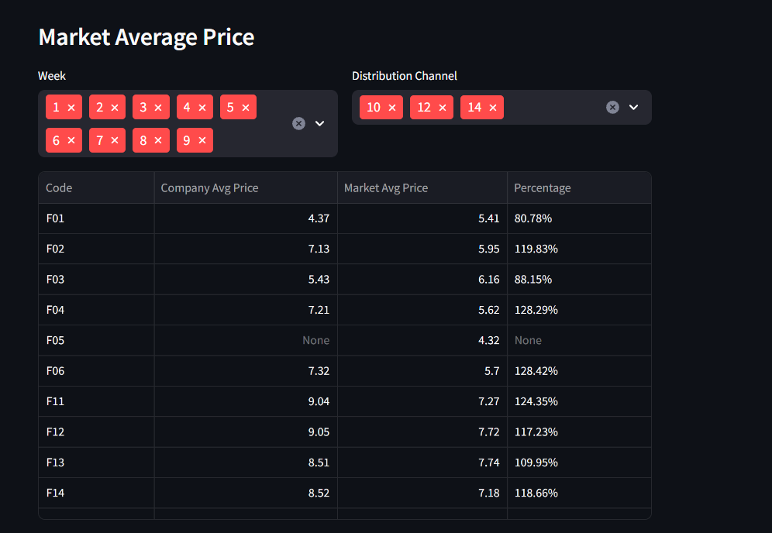
.1~362 | 362 | DD | Company | 1 | 4 | 500g Nut Muesli | 14 | North | 0 |  | 0 | 0
.1~494 | 494 | DD | Company | 2 | 5 | 500g Nut Muesli | 14 | North | 0 |  | 0 | 0
.1~634 | 634 | DD | Company | 2 | 6 | 500g Nut Muesli | 14 | North | 0 |  | 0 | 0
.1~768 | 768 | DD | Company | 2 | 7 | 500g Nut Muesli | 14 | North | 0 |  | 0 | 0
.1~902 | 902 | DD | Company | 2 | 8 | 500g Nut Muesli | 14 | North | 2861 | ST | 6.9 | 19740.9 | EUR
.1~1028 | 1028 | DD | Company | 3 | 9 | 500g Nut Muesli | 14 | North | 3019 | ST | 6.5 | 19623.5 | EUR
.1~130 | 130 | DD | Company | 1 | 2 | 500g Nut Muesli | 14 | South | 0 |  | 0 | 0
.1~234 | 234 | DD | Company | 1 | 3 | 500g Nut Muesli | 14 | South | 4905 | ST | 3.9 | 19129.5 | EUR
.1~364 | 364 | DD | Company | 1 | 4 | 500g Nut Muesli | 14 | South | 0 |  | 0 | 0
.1~496 | 496 | DD | Company | 2 | 5 | 500g Nut Muesli | 14 | South | 0 |  | 0 | 0
.1~636 | 636 | DD | Company | 2 | 6 | 500g Nut Muesli | 14 | South | 0 |  | 0 | 0
.1~770 | 770 | DD | Company | 2 | 7 | 500g Nut Muesli | 14 | South | 0 |  | 0 | 0
.1~904 | 904 | DD | Company | 2 | 8 | 500g Nut Muesli | 14 | South | 0 |  | 0 | 0
.1~1030 | 1030 | DD | Company | 3 | 9 | 500g Nut Muesli | 14 | South | 0 |  | 0 | 0
.1~46 | 46 | DD | Company | 1 | 1 | 500g Nut Muesli | 14 | West | 0 |  | 0 | 0
.1~132 | 132 | DD | Company | 1 | 2 | 500g Nut Muesli | 14 | West | 0 |  | 0 | 0
.1~236 | 236 | DD | Company | 1 | 3 | 500g Nut Muesli | 14 | West | 0 |  | 0 | 0
.1~366 | 366 | DD | Company | 1 | 4 | 500g Nut Muesli | 14 | West | 0 |  | 0 | 0
.1~498 | 498 | DD | Company | 2 | 5 | 500g Nut Muesli | 14 | West | 0 |  | 0 | 0
.1~638 | 638 | DD | Company | 2 | 6 | 500g Nut Muesli | 14 | West | 0 |  | 0 | 0
.1~772 | 772 | DD | Company | 2 | 7 | 500g Nut Muesli | 14 | West | 883 | ST | 7.9 | 6975.7 | EUR
.1~906 | 906 | DD | Company | 2 | 8 | 500g Nut Muesli | 14 | West | 0 |  | 0 | 0
.1~1032 | 1032 | DD | Company | 3 | 9 | 500g Nut Muesli | 14 | West | 0 |  | 0 | 0
.1~33 | 33 | DD | Market | 1 | 1 | 500g Nut Muesli | 12 | North | 6559 | ST | 3.9 | 25580.1 | EUR
.1~111 | 111 | DD | Market | 1 | 2 | 500g Nut Muesli | 12 | North | 11219 | ST | 4.31 | 48353.89 | EUR
.1~213 | 213 | DD | Market | 1 | 3 | 500g Nut Muesli | 12 | North | 46292 | ST | 5 | 218872.75 | EUR
.1~345 | 345 | DD | Market | 1 | 4 | 500g Nut Muesli | 12 | North | 5402 | ST | 4.64 | 25065.28 | EUR
.1~475 | 475 | DD | Market | 2 | 5 | 500g Nut Muesli | 12 | North | 17437 | ST | 6.43 | 111021.23 | EUR
.1~615 | 615 | DD | Market | 2 | 6 | 500g Nut Muesli | 12 | North | 16881 | ST | 5.99 | 101195.04 | EUR
.1~749 | 749 | DD | Market | 2 | 7 | 500g Nut Muesli | 12 | North | 7019 | ST | 6.53 | 43598 | EUR
.1~883 | 883 | DD | Market | 2 | 8 | 500g Nut Muesli | 12 | North | 14070 | ST | 6.48 | 89949.26 | EUR
.1~1009 | 1009 | DD | Market | 3 | 9 | 500g Nut Muesli | 12 | North | 19464 | ST | 6.06 | 117274.57 | EUR
.1~35 | 35 | DD | Market | 1 | 1 | 500g Nut Muesli | 12 | South | 17441 | ST | 3.9 | 68019.9 | EUR
.1~113 | 113 | DD | Market | 1 | 2 | 500g Nut Muesli | 12 | South | 7658 | ST | 3.9 | 29866.2 | EUR
.1~215 | 215 | DD | Market | 1 | 3 | 500g Nut Muesli | 12 | South | 16612 | ST | 3.9 | 64786.8 | EUR
.1~347 | 347 | DD | Market | 1 | 4 | 500g Nut Muesli | 12 | South | 15096 | ST | 4.64 | 70045.44 | EUR
.1~477 | 477 | DD | Market | 2 | 5 | 500g Nut Muesli | 12 | South | 6977 | ST | 6.49 | 44768.64 | EUR
.1~617 | 617 | DD | Market | 2 | 6 | 500g Nut Muesli | 12 | South | 4186 | ST | 5.99 | 25074.14 | EUR
.1~751 | 751 | DD | Market | 2 | 7 | 500g Nut Muesli | 12 | South | 4726 | ST | 5.3 | 25047.8 | EUR
.1~885 | 885 | DD | Market | 2 | 8 | 500g Nut Muesli | 12 | South | 8447 | ST | 6.01 | 50771.53 | EUR
.1~1011 | 1011 | DD | Market | 3 | 9 | 500g Nut Muesli | 12 | South | 20880 | ST | 5.52 | 114650.16 | EUR
.1~37 | 37 | DD | Market | 1 | 1 | 500g Nut Muesli | 12 | West | 3830 | ST | 6.63 | 25392.9 | EUR
.1~115 | 115 | DD | Market | 1 | 2 | 500g Nut Muesli | 12 | West | 30169 | ST | 4.68 | 134500.47 | EUR
.1~217 | 217 | DD | Market | 1 | 3 | 500g Nut Muesli | 12 | West | 16489 | ST | 5.06 | 80168.22 | EUR
.1~349 | 349 | DD | Market | 1 | 4 | 500g Nut Muesli | 12 | West | 18691 | ST | 6.14 | 112282.8 | EUR
.1~479 | 479 | DD | Market | 2 | 5 | 500g Nut Muesli | 12 | West | 6239 | ST | 7.38 | 45906 | EUR
.1~619 | 619 | DD | Market | 2 | 6 | 500g Nut Muesli | 12 | West | 2958 | ST | 7.71 | 22806.18 | EUR
.1~753 | 753 | DD | Market | 2 | 7 | 500g Nut Muesli | 12 | West | 8828 | ST | 5.3 | 46788.4 | EUR
.1~887 | 887 | DD | Market | 2 | 8 | 500g Nut Muesli | 12 | West | 5839 | ST | 3.9 | 22772.1 | EUR
.1~1013 | 1013 | DD | Market | 3 | 9 | 500g Nut Muesli | 12 | West | 11238 | ST | 6.25 | 68775.63 | EUR
.1~43 | 43 | DD | Market | 1 | 1 | 500g Nut Muesli | 14 | North | 11175 | ST | 7.8 | 87165 | EUR
.1~133 | 133 | DD | Market | 1 | 2 | 500g Nut Muesli | 14 | North | 41372 | ST | 4.67 | 182753.5 | EUR
.1~249 | 249 | DD | Market | 1 | 3 | 500g Nut Muesli | 14 | North | 48087 | ST | 5 | 227382.6 | EUR
.1~379 | 379 | DD | Market | 1 | 4 | 500g Nut Muesli | 14 | North | 20397 | ST | 6.09 | 123829.22 | EUR
.1~509 | 509 | DD | Market | 2 | 5 | 500g Nut Muesli | 14 | North | 31527 | ST | 5.97 | 188048.31 | EUR
.1~645 | 645 | DD | Market | 2 | 6 | 500g Nut Muesli | 14 | North | 24943 | ST | 5 | 112537.11 | EUR
.1~783 | 783 | DD | Market | 2 | 7 | 500g Nut Muesli | 14 | North | 15800 | ST | 5.79 | 89532.15 | EUR
.1~917 | 917 | DD | Market | 2 | 8 | 500g Nut Muesli | 14 | North | 37840 | ST | 5.4 | 200701.06 | EUR
.1~1041 | 1041 | DD | Market | 3 | 9 | 500g Nut Muesli | 14 | North | 27343 | ST | 5.55 | 149950.5 | EUR
.1~135 | 135 | DD | Market | 1 | 2 | 500g Nut Muesli | 14 | South | 11044 | ST | 6.25 | 63187.2 | EUR
.1~251 | 251 | DD | Market | 1 | 3 | 500g Nut Muesli | 14 | South | 22170 | ST | 5.84 | 124733.91 | EUR
.1~381 | 381 | DD | Market | 1 | 4 | 500g Nut Muesli | 14 | South | 8777 | ST | 6.2 | 54417.4 | EUR
.1~511 | 511 | DD | Market | 2 | 5 | 500g Nut Muesli | 14 | South | 2514 | ST | 6.2 | 15586.8 | EUR
.1~647 | 647 | DD | Market | 2 | 6 | 500g Nut Muesli | 14 | South | 5080 | ST | 6.6 | 33468.8 | EUR
.1~785 | 785 | DD | Market | 2 | 7 | 500g Nut Muesli | 14 | South | 4710 | ST | 7.38 | 34759.8 | EUR
.1~919 | 919 | DD | Market | 2 | 8 | 500g Nut Muesli | 14 | South | 14318 | ST | 5.95 | 85192.1 | EUR
.1~1043 | 1043 | DD | Market | 3 | 9 | 500g Nut Muesli | 14 | South | 5803 | ST | 6.12 | 35570.5 | EUR
.1~45 | 45 | DD | Market | 1 | 1 | 500g Nut Muesli | 14 | West | 4723 | ST | 7.8 | 36839.4 | EUR
.1~137 | 137 | DD | Market | 1 | 2 | 500g Nut Muesli | 14 | West | 14762 | ST | 4.75 | 67884.6 | EUR
.1~253 | 253 | DD | Market | 1 | 3 | 500g Nut Muesli | 14 | West | 12837 | ST | 6.48 | 82287.05 | EUR
.1~383 | 383 | DD | Market | 1 | 4 | 500g Nut Muesli | 14 | West | 11598 | ST | 6.01 | 69522.58 | EUR
.1~513 | 513 | DD | Market | 2 | 5 | 500g Nut Muesli | 14 | West | 12784 | ST | 6.68 | 84820 | EUR
.1~649 | 649 | DD | Market | 2 | 6 | 500g Nut Muesli | 14 | West | 817 | ST | 6.2 | 5065.4 | EUR
.1~787 | 787 | DD | Market | 2 | 7 | 500g Nut Muesli | 14 | West | 7720 | ST | 7.6 | 58293.46 | EUR
.1~921 | 921 | DD | Market | 2 | 8 | 500g Nut Muesli | 14 | West | 5531 | ST | 5.95 | 32909.45 | EUR
.1~1045 | 1045 | DD | Market | 3 | 9 | 500g Nut Muesli | 14 | West | 9759 | ST | 5.66 | 54981 | EUR

F03
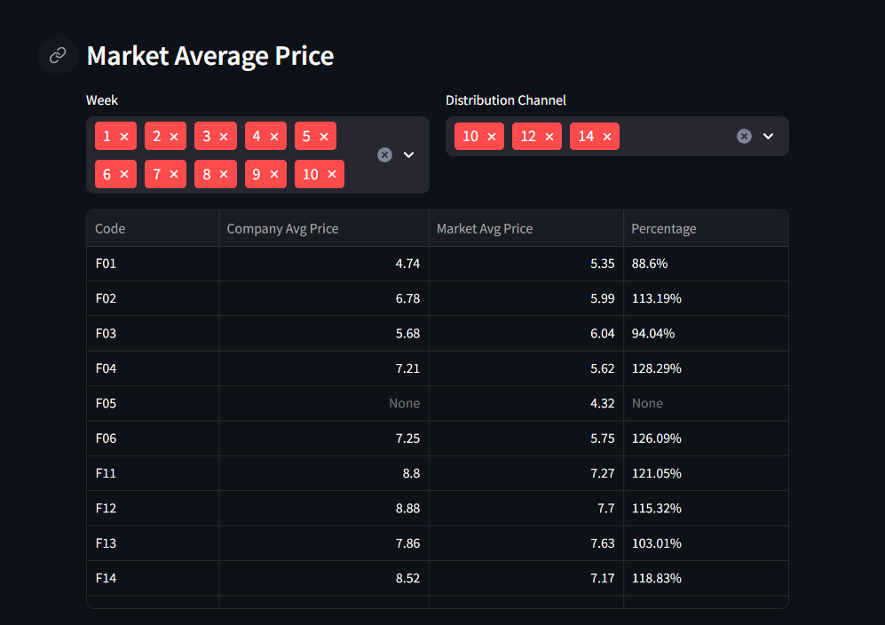
ID | ROW ID | COMPANY CODE | SALES ORG | ROUND | PERIOD | PRODUCT | DC | AREA | QUANTITY | UNIT | AVERAGE | NET VALUE | CURRENCY
.1~140 | 140 | DD | Company | 1 | 2 | 500g Strawberry Muesli | 12 | North | 0 |  | 0 | 0
.1~262 | 262 | DD | Company | 1 | 3 | 500g Strawberry Muesli | 12 | North | 0 |  | 0 | 0
.1~392 | 392 | DD | Company | 1 | 4 | 500g Strawberry Muesli | 12 | North | 0 |  | 0 | 0
.1~522 | 522 | DD | Company | 2 | 5 | 500g Strawberry Muesli | 12 | North | 0 |  | 0 | 0
.1~658 | 658 | DD | Company | 2 | 6 | 500g Strawberry Muesli | 12 | North | 0 |  | 0 | 0
.1~796 | 796 | DD | Company | 2 | 7 | 500g Strawberry Muesli | 12 | North | 0 |  | 0 | 0
.1~928 | 928 | DD | Company | 2 | 8 | 500g Strawberry Muesli | 12 | North | 0 |  | 0 | 0
.1~1060 | 1060 | DD | Company | 3 | 9 | 500g Strawberry Muesli | 12 | North | 0 |  | 0 | 0
.1~1176 | 1176 | DD | Company | 3 | 10 | 500g Strawberry Muesli | 12 | North | 3399 | ST | 7.6 | 25832.4 | EUR
.1~142 | 142 | DD | Company | 1 | 2 | 500g Strawberry Muesli | 12 | South | 0 |  | 0 | 0
.1~264 | 264 | DD | Company | 1 | 3 | 500g Strawberry Muesli | 12 | South | 0 |  | 0 | 0
.1~394 | 394 | DD | Company | 1 | 4 | 500g Strawberry Muesli | 12 | South | 0 |  | 0 | 0
.1~524 | 524 | DD | Company | 2 | 5 | 500g Strawberry Muesli | 12 | South | 0 |  | 0 | 0
.1~660 | 660 | DD | Company | 2 | 6 | 500g Strawberry Muesli | 12 | South | 0 |  | 0 | 0
.1~798 | 798 | DD | Company | 2 | 7 | 500g Strawberry Muesli | 12 | South | 2796 | ST | 7.48 | 20914.08 | EUR
.1~930 | 930 | DD | Company | 2 | 8 | 500g Strawberry Muesli | 12 | South | 0 |  | 0 | 0
.1~1062 | 1062 | DD | Company | 3 | 9 | 500g Strawberry Muesli | 12 | South | 3214 | ST | 7.6 | 24426.4 | EUR
.1~1178 | 1178 | DD | Company | 3 | 10 | 500g Strawberry Muesli | 12 | South | 0 |  | 0 | 0
.1~144 | 144 | DD | Company | 1 | 2 | 500g Strawberry Muesli | 12 | West | 0 |  | 0 | 0
.1~266 | 266 | DD | Company | 1 | 3 | 500g Strawberry Muesli | 12 | West | 0 |  | 0 | 0
.1~396 | 396 | DD | Company | 1 | 4 | 500g Strawberry Muesli | 12 | West | 787 | ST | 9.23 | 7264.01 | EUR
.1~526 | 526 | DD | Company | 2 | 5 | 500g Strawberry Muesli | 12 | West | 0 |  | 0 | 0
.1~662 | 662 | DD | Company | 2 | 6 | 500g Strawberry Muesli | 12 | West | 0 |  | 0 | 0
.1~800 | 800 | DD | Company | 2 | 7 | 500g Strawberry Muesli | 12 | West | 0 |  | 0 | 0
.1~932 | 932 | DD | Company | 2 | 8 | 500g Strawberry Muesli | 12 | West | 6585 | ST | 7.48 | 49255.8 | EUR
.1~1064 | 1064 | DD | Company | 3 | 9 | 500g Strawberry Muesli | 12 | West | 0 |  | 0 | 0
.1~1180 | 1180 | DD | Company | 3 | 10 | 500g Strawberry Muesli | 12 | West | 0 |  | 0 | 0
.1~146 | 146 | DD | Company | 1 | 2 | 500g Strawberry Muesli | 14 | North | 0 |  | 0 | 0
.1~268 | 268 | DD | Company | 1 | 3 | 500g Strawberry Muesli | 14 | North | 7531 | ST | 4.23 | 31856.13 | EUR
.1~398 | 398 | DD | Company | 1 | 4 | 500g Strawberry Muesli | 14 | North | 24533 | ST | 4.23 | 103774.59 | EUR
.1~528 | 528 | DD | Company | 2 | 5 | 500g Strawberry Muesli | 14 | North | 0 |  | 0 | 0
.1~664 | 664 | DD | Company | 2 | 6 | 500g Strawberry Muesli | 14 | North | 0 |  | 0 | 0
.1~802 | 802 | DD | Company | 2 | 7 | 500g Strawberry Muesli | 14 | North | 0 |  | 0 | 0
.1~934 | 934 | DD | Company | 2 | 8 | 500g Strawberry Muesli | 14 | North | 5736 | ST | 6.53 | 37359.08 | EUR
.1~1066 | 1066 | DD | Company | 3 | 9 | 500g Strawberry Muesli | 14 | North | 0 |  | 0 | 0
.1~1182 | 1182 | DD | Company | 3 | 10 | 500g Strawberry Muesli | 14 | North | 0 |  | 0 | 0
.1~148 | 148 | DD | Company | 1 | 2 | 500g Strawberry Muesli | 14 | South | 0 |  | 0 | 0
.1~270 | 270 | DD | Company | 1 | 3 | 500g Strawberry Muesli | 14 | South | 0 |  | 0 | 0
.1~400 | 400 | DD | Company | 1 | 4 | 500g Strawberry Muesli | 14 | South | 0 |  | 0 | 0
.1~530 | 530 | DD | Company | 2 | 5 | 500g Strawberry Muesli | 14 | South | 0 |  | 0 | 0
.1~666 | 666 | DD | Company | 2 | 6 | 500g Strawberry Muesli | 14 | South | 0 |  | 0 | 0
.1~804 | 804 | DD | Company | 2 | 7 | 500g Strawberry Muesli | 14 | South | 0 |  | 0 | 0
.1~936 | 936 | DD | Company | 2 | 8 | 500g Strawberry Muesli | 14 | South | 5471 | ST | 6.03 | 32990.13 | EUR
.1~1068 | 1068 | DD | Company | 3 | 9 | 500g Strawberry Muesli | 14 | South | 0 |  | 0 | 0
.1~1184 | 1184 | DD | Company | 3 | 10 | 500g Strawberry Muesli | 14 | South | 2300 | ST | 6.53 | 15019 | EUR
.1~150 | 150 | DD | Company | 1 | 2 | 500g Strawberry Muesli | 14 | West | 0 |  | 0 | 0
.1~272 | 272 | DD | Company | 1 | 3 | 500g Strawberry Muesli | 14 | West | 4149 | ST | 4.23 | 17550.27 | EUR
.1~402 | 402 | DD | Company | 1 | 4 | 500g Strawberry Muesli | 14 | West | 0 |  | 0 | 0
.1~532 | 532 | DD | Company | 2 | 5 | 500g Strawberry Muesli | 14 | West | 0 |  | 0 | 0
.1~668 | 668 | DD | Company | 2 | 6 | 500g Strawberry Muesli | 14 | West | 0 |  | 0 | 0
.1~806 | 806 | DD | Company | 2 | 7 | 500g Strawberry Muesli | 14 | West | 2424 | ST | 7.03 | 17040.72 | EUR
.1~938 | 938 | DD | Company | 2 | 8 | 500g Strawberry Muesli | 14 | West | 2800 | ST | 7.03 | 19684 | EUR
.1~1070 | 1070 | DD | Company | 3 | 9 | 500g Strawberry Muesli | 14 | West | 2880 | ST | 6.53 | 18806.4 | EUR
.1~1186 | 1186 | DD | Company | 3 | 10 | 500g Strawberry Muesli | 14 | West | 2395 | ST | 6.53 | 15639.35 | EUR
.1~117 | 117 | DD | Market | 1 | 2 | 500g Strawberry Muesli | 12 | North | 30213 | ST | 5.67 | 164272.69 | EUR
.1~231 | 231 | DD | Market | 1 | 3 | 500g Strawberry Muesli | 12 | North | 3108 | ST | 8.12 | 25236.96 | EUR
.1~363 | 363 | DD | Market | 1 | 4 | 500g Strawberry Muesli | 12 | North | 56217 | ST | 5.27 | 283540.89 | EUR
.1~491 | 491 | DD | Market | 2 | 5 | 500g Strawberry Muesli | 12 | North | 12756 | ST | 5.26 | 67096.56 | EUR
.1~627 | 627 | DD | Market | 2 | 6 | 500g Strawberry Muesli | 12 | North | 2398 | ST | 8.82 | 21150.36 | EUR
.1~765 | 765 | DD | Market | 2 | 7 | 500g Strawberry Muesli | 12 | North | 11301 | ST | 6.16 | 69430.5 | EUR
.1~899 | 899 | DD | Market | 2 | 8 | 500g Strawberry Muesli | 12 | North | 27947 | ST | 6 | 163580.48 | EUR
.1~1029 | 1029 | DD | Market | 3 | 9 | 500g Strawberry Muesli | 12 | North | 36770 | ST | 6.19 | 227402.68 | EUR
.1~1153 | 1153 | DD | Market | 3 | 10 | 500g Strawberry Muesli | 12 | North | 29529 | ST | 5.65 | 160831.53 | EUR
.1~119 | 119 | DD | Market | 1 | 2 | 500g Strawberry Muesli | 12 | South | 13273 | ST | 5.13 | 68090.49 | EUR
.1~233 | 233 | DD | Market | 1 | 3 | 500g Strawberry Muesli | 12 | South | 9912 | ST | 5.52 | 53255.44 | EUR
.1~365 | 365 | DD | Market | 1 | 4 | 500g Strawberry Muesli | 12 | South | 11771 | ST | 5.91 | 66427.37 | EUR
.1~493 | 493 | DD | Market | 2 | 5 | 500g Strawberry Muesli | 12 | South | 6531 | ST | 6.24 | 40681.69 | EUR
.1~629 | 629 | DD | Market | 2 | 6 | 500g Strawberry Muesli | 12 | South | 21736 | ST | 4.63 | 93437.36 | EUR
.1~767 | 767 | DD | Market | 2 | 7 | 500g Strawberry Muesli | 12 | South | 7170 | ST | 6.49 | 44971.08 | EUR
.1~901 | 901 | DD | Market | 2 | 8 | 500g Strawberry Muesli | 12 | South | 895 | ST | 5.8 | 5191 | EUR
.1~1031 | 1031 | DD | Market | 3 | 9 | 500g Strawberry Muesli | 12 | South | 20783 | ST | 6.01 | 125281.66 | EUR
.1~1155 | 1155 | DD | Market | 3 | 10 | 500g Strawberry Muesli | 12 | South | 38232 | ST | 4.09 | 156607.54 | EUR
.1~121 | 121 | DD | Market | 1 | 2 | 500g Strawberry Muesli | 12 | West | 16001 | ST | 6.99 | 111337.75 | EUR
.1~235 | 235 | DD | Market | 1 | 3 | 500g Strawberry Muesli | 12 | West | 24229 | ST | 5.8 | 134356.6 | EUR
.1~367 | 367 | DD | Market | 1 | 4 | 500g Strawberry Muesli | 12 | West | 18965 | ST | 6.86 | 122185.68 | EUR
.1~495 | 495 | DD | Market | 2 | 5 | 500g Strawberry Muesli | 12 | West | 35458 | ST | 6.88 | 240005.2 | EUR
.1~631 | 631 | DD | Market | 2 | 6 | 500g Strawberry Muesli | 12 | West | 19746 | ST | 7.31 | 142775.37 | EUR
.1~769 | 769 | DD | Market | 2 | 7 | 500g Strawberry Muesli | 12 | West | 27621 | ST | 6.38 | 172619.95 | EUR
.1~903 | 903 | DD | Market | 2 | 8 | 500g Strawberry Muesli | 12 | West | 15991 | ST | 7.23 | 115693.32 | EUR
.1~1033 | 1033 | DD | Market | 3 | 9 | 500g Strawberry Muesli | 12 | West | 22206 | ST | 6.43 | 142446.23 | EUR
.1~1157 | 1157 | DD | Market | 3 | 10 | 500g Strawberry Muesli | 12 | West | 41117 | ST | 5.62 | 227006.4 | EUR
.1~145 | 145 | DD | Market | 1 | 2 | 500g Strawberry Muesli | 14 | North | 4677 | ST | 5.78 | 29461.14 | EUR
.1~267 | 267 | DD | Market | 1 | 3 | 500g Strawberry Muesli | 14 | North | 10109 | ST | 5.15 | 49902.13 | EUR
.1~397 | 397 | DD | Market | 1 | 4 | 500g Strawberry Muesli | 14 | North | 26740 | ST | 4.59 | 118782.19 | EUR
.1~527 | 527 | DD | Market | 2 | 5 | 500g Strawberry Muesli | 14 | North | 17845 | ST | 6.71 | 118427.8 | EUR
.1~663 | 663 | DD | Market | 2 | 6 | 500g Strawberry Muesli | 14 | North | 18621 | ST | 6.68 | 123136.24 | EUR
.1~801 | 801 | DD | Market | 2 | 7 | 500g Strawberry Muesli | 14 | North | 8910 | ST | 6.16 | 54885.6 | EUR
.1~933 | 933 | DD | Market | 2 | 8 | 500g Strawberry Muesli | 14 | North | 30689 | ST | 5.92 | 181456.11 | EUR
.1~1065 | 1065 | DD | Market | 3 | 9 | 500g Strawberry Muesli | 14 | North | 18241 | ST | 6.32 | 115112.02 | EUR
.1~1181 | 1181 | DD | Market | 3 | 10 | 500g Strawberry Muesli | 14 | North | 9159 | ST | 5.61 | 49507.32 | EUR
.1~147 | 147 | DD | Market | 1 | 2 | 500g Strawberry Muesli | 14 | South | 5136 | ST | 8.22 | 42254.64 | EUR
.1~269 | 269 | DD | Market | 1 | 3 | 500g Strawberry Muesli | 14 | South | 5420 | ST | 7 | 37940 | EUR
.1~399 | 399 | DD | Market | 1 | 4 | 500g Strawberry Muesli | 14 | South | 10637 | ST | 6.58 | 69887.84 | EUR
.1~529 | 529 | DD | Market | 2 | 5 | 500g Strawberry Muesli | 14 | South | 13928 | ST | 6.48 | 89868.16 | EUR
.1~665 | 665 | DD | Market | 2 | 6 | 500g Strawberry Muesli | 14 | South | 6014 | ST | 8.8 | 52513.98 | EUR
.1~803 | 803 | DD | Market | 2 | 7 | 500g Strawberry Muesli | 14 | South | 8787 | ST | 6.16 | 54127.92 | EUR
.1~935 | 935 | DD | Market | 2 | 8 | 500g Strawberry Muesli | 14 | South | 18936 | ST | 6.36 | 120491.74 | EUR
.1~1067 | 1067 | DD | Market | 3 | 9 | 500g Strawberry Muesli | 14 | South | 15714 | ST | 6.04 | 94890.74 | EUR
.1~1183 | 1183 | DD | Market | 3 | 10 | 500g Strawberry Muesli | 14 | South | 12929 | ST | 6.41 | 82987.89 | EUR
.1~149 | 149 | DD | Market | 1 | 2 | 500g Strawberry Muesli | 14 | West | 16700 | ST | 8.28 | 138108.96 | EUR
.1~271 | 271 | DD | Market | 1 | 3 | 500g Strawberry Muesli | 14 | West | 15049 | ST | 7.28 | 103356.83 | EUR
.1~401 | 401 | DD | Market | 1 | 4 | 500g Strawberry Muesli | 14 | West | 19431 | ST | 6.74 | 130530.04 | EUR
.1~531 | 531 | DD | Market | 2 | 5 | 500g Strawberry Muesli | 14 | West | 19216 | ST | 7.45 | 140607.97 | EUR
.1~667 | 667 | DD | Market | 2 | 6 | 500g Strawberry Muesli | 14 | West | 17701 | ST | 7.74 | 139914.32 | EUR
.1~805 | 805 | DD | Market | 2 | 7 | 500g Strawberry Muesli | 14 | West | 30171 | ST | 6.32 | 190478.82 | EUR
.1~937 | 937 | DD | Market | 2 | 8 | 500g Strawberry Muesli | 14 | West | 36737 | ST | 5.88 | 212301.27 | EUR
.1~1069 | 1069 | DD | Market | 3 | 9 | 500g Strawberry Muesli | 14 | West | 27681 | ST | 6.16 | 170188.18 | EUR
.1~1185 | 1185 | DD | Market | 3 | 10 | 500g Strawberry Muesli | 14 | West | 16105 | ST | 6.36 | 102267.31 | EUR

