triangle of resources
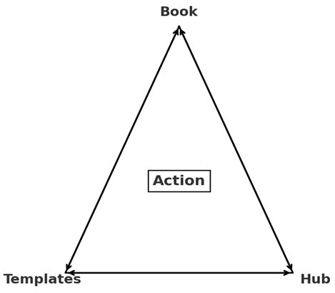

© John Lawson 2025 | 30 Day AI Flywheel™

