30 day ai flywheel diagram
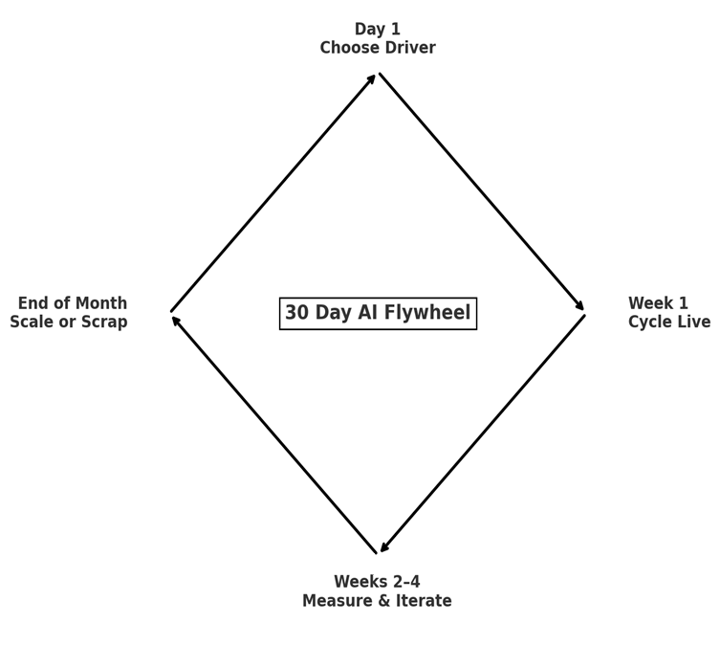

© John Lawson 2025 | 30 Day AI Flywheel™

