export1
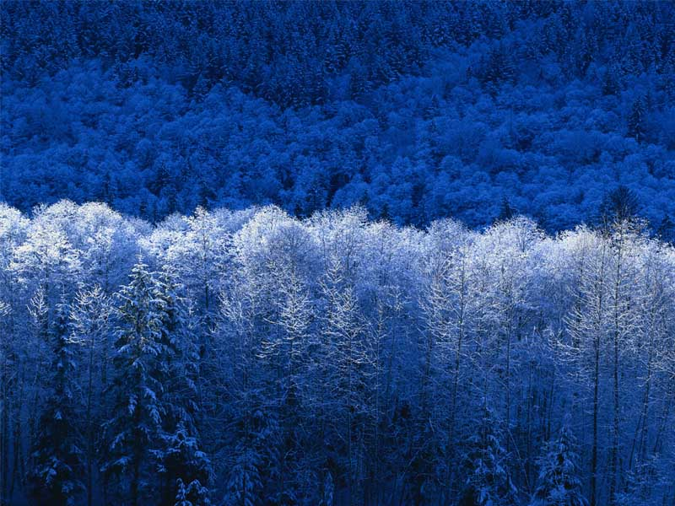
Sheet 1
Bold | Italic | Underline | Strikeout | font #ff0000 | background #00ff00 | center align

Browser Market |  |  |  |  |  |  | Pictures are here
Month | IE | Chrome | Firefox
Jan | 34 | 26 | 22
Feb | 32 | 27 | 22
Mar | 31 | 28 | 22

export2
Sheet 2 | Sheet 2 | Sheet 2 | Sheet 2 | Sheet 2 | Sheet 2 | Sheet 2 | Sheet 2 | Sheet 2 | Sheet 2 | Sheet 2 | Sheet 2 | Sheet 2
Sheet 2 | Sheet 2 | Sheet 2 | Sheet 2 | Sheet 2 | Sheet 2 | Sheet 2 | Sheet 2 | Sheet 2 | Sheet 2 | Sheet 2 | Sheet 2 | Sheet 2
Sheet 2 | Sheet 2 | Sheet 2 | Sheet 2 | Sheet 2 | Sheet 2 | Sheet 2 | Sheet 2 | Sheet 2 | Sheet 2 | Sheet 2 | Sheet 2 | Sheet 2
Sheet 2 | Sheet 2 | Sheet 2 | Sheet 2 | Sheet 2 | Sheet 2 | Sheet 2 | Sheet 2 | Sheet 2 | Sheet 2 | Sheet 2 | Sheet 2 | Sheet 2
Sheet 2 | Sheet 2 | Sheet 2 | Sheet 2 | Sheet 2 | Sheet 2 | Sheet 2 | Sheet 2 | Sheet 2 | Sheet 2 | Sheet 2 | Sheet 2 | Sheet 2
Sheet 2 | Sheet 2 | Sheet 2 | Sheet 2 | Sheet 2 | Sheet 2 | Sheet 2 | Sheet 2 | Sheet 2 | Sheet 2 | Sheet 2 | Sheet 2 | Sheet 2

Sheet 2 | Sheet 2 | Sheet 2 | Sheet 2 | Sheet 2 | Sheet 2 | Sheet 2 | Sheet 2 | Sheet 2 | Sheet 2 | Sheet 2 | Sheet 2 | Sheet 2
Sheet 2 | Sheet 2 | Sheet 2 | Sheet 2 | Sheet 2 | Sheet 2 | Sheet 2 | Sheet 2 | Sheet 2 | Sheet 2 | Sheet 2 | Sheet 2 | Sheet 2
Sheet 2 | Sheet 2 | Sheet 2 | Sheet 2 | Sheet 2 | Sheet 2 | Sheet 2 | Sheet 2 | Sheet 2 | Sheet 2 | Sheet 2 | Sheet 2 | Sheet 2
Sheet 2 | Sheet 2 | Sheet 2 | Sheet 2 | Sheet 2 | Sheet 2 | Sheet 2 | Sheet 2 | Sheet 2 | Sheet 2 | Sheet 2 | Sheet 2 | Sheet 2
Sheet 2 | Sheet 2 | Sheet 2 | Sheet 2 | Sheet 2 | Sheet 2 | Sheet 2 | Sheet 2 | Sheet 2 | Sheet 2 | Sheet 2 | Sheet 2 | Sheet 2
Sheet 2 | Sheet 2 | Sheet 2 | Sheet 2 | Sheet 2 | Sheet 2 | Sheet 2 | Sheet 2 | Sheet 2 | Sheet 2 | Sheet 2 | Sheet 2 | Sheet 2
Sheet 2 | Sheet 2 | Sheet 2 | Sheet 2 | Sheet 2 | Sheet 2 | Sheet 2 | Sheet 2 | Sheet 2 | Sheet 2 | Sheet 2 | Sheet 2 | Sheet 2
Sheet 2 | Sheet 2 | Sheet 2 | Sheet 2 | Sheet 2 | Sheet 2 | Sheet 2 | Sheet 2 | Sheet 2 | Sheet 2 | Sheet 2 | Sheet 2 | Sheet 2
Sheet 2 | Sheet 2 | Sheet 2 | Sheet 2 | Sheet 2 | Sheet 2 | Sheet 2 | Sheet 2 | Sheet 2 | Sheet 2 | Sheet 2 | Sheet 2 | Sheet 2
Sheet 2 | Sheet 2 | Sheet 2 | Sheet 2 | Sheet 2 | Sheet 2 | Sheet 2 | Sheet 2 | Sheet 2 | Sheet 2 | Sheet 2 | Sheet 2 | Sheet 2
Sheet 2 | Sheet 2 | Sheet 2 | Sheet 2 | Sheet 2 | Sheet 2 | Sheet 2 | Sheet 2 | Sheet 2 | Sheet 2 | Sheet 2 | Sheet 2 | Sheet 2
Sheet 2 | Sheet 2 | Sheet 2 | Sheet 2 | Sheet 2 | Sheet 2 | Sheet 2 | Sheet 2 | Sheet 2 | Sheet 2 | Sheet 2 | Sheet 2 | Sheet 2
Sheet 2 | Sheet 2 | Sheet 2 | Sheet 2 | Sheet 2 | Sheet 2 | Sheet 2 | Sheet 2 | Sheet 2 | Sheet 2 | Sheet 2 | Sheet 2 | Sheet 2
Sheet 2 | Sheet 2 | Sheet 2 | Sheet 2 | Sheet 2 | Sheet 2 | Sheet 2 | Sheet 2 | Sheet 2 | Sheet 2 | Sheet 2 | Sheet 2 | Sheet 2
Sheet 2 | Sheet 2 | Sheet 2 | Sheet 2 | Sheet 2 | Sheet 2 | Sheet 2 | Sheet 2 | Sheet 2 | Sheet 2 | Sheet 2 | Sheet 2 | Sheet 2
Sheet 2 | Sheet 2 | Sheet 2 | Sheet 2 | Sheet 2 | Sheet 2 | Sheet 2 | Sheet 2 | Sheet 2 | Sheet 2 | Sheet 2 | Sheet 2 | Sheet 2
Sheet 2 | Sheet 2 | Sheet 2 | Sheet 2 | Sheet 2 | Sheet 2 | Sheet 2 | Sheet 2 | Sheet 2 | Sheet 2 | Sheet 2 | Sheet 2 | Sheet 2
Sheet 2 | Sheet 2 | Sheet 2 | Sheet 2 | Sheet 2 | Sheet 2 | Sheet 2 | Sheet 2 | Sheet 2 | Sheet 2 | Sheet 2 | Sheet 2 | Sheet 2
Sheet 2 | Sheet 2 | Sheet 2 | Sheet 2 | Sheet 2 | Sheet 2 | Sheet 2 | Sheet 2 | Sheet 2 | Sheet 2 | Sheet 2 | Sheet 2 | Sheet 2
Sheet 2 | Sheet 2 | Sheet 2 | Sheet 2 | Sheet 2 | Sheet 2 | Sheet 2 | Sheet 2 | Sheet 2 | Sheet 2 | Sheet 2 | Sheet 2 | Sheet 2
Sheet 2 | Sheet 2 | Sheet 2 | Sheet 2 | Sheet 2 | Sheet 2 | Sheet 2 | Sheet 2 | Sheet 2 | Sheet 2 | Sheet 2 | Sheet 2 | Sheet 2
Sheet 2 | Sheet 2 | Sheet 2 | Sheet 2 | Sheet 2 | Sheet 2 | Sheet 2 | Sheet 2 | Sheet 2 | Sheet 2 | Sheet 2 | Sheet 2 | Sheet 2
Sheet 2 | Sheet 2 | Sheet 2 | Sheet 2 | Sheet 2 | Sheet 2 | Sheet 2 | Sheet 2 | Sheet 2 | Sheet 2 | Sheet 2 | Sheet 2 | Sheet 2

export3
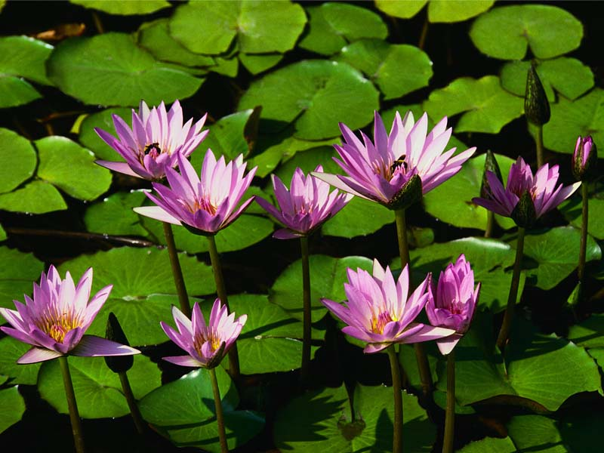
Sheet 3
 | 1 | 2 | 3 | 4 | 5 | 6 | 7 | 8 | 9 | 10 | 11 | 12 | 13 | 14 | 15
 | 1 | 2 | 3 | 4 | 5 | 6 | 7 | 8 | 9 | 10 | 11 | 12 | 13 | 14 | 15
 | 1 | 2 | 3 | 4 | 5 | 6 | 7 | 8 | 9 | 10 | 11 | 12 | 13 | 14 | 15
 | 1 | 2 | 3 | 4 | 5 | 6 | 7 | 8 | 9 | 10 | 11 | 12 | 13 | 14 | 15
 | 1 | 2 | 3 | 4 | 5 | 6 | 7 | 8 | 9 | 10 | 11 | 12 | 13 | 14 | 15
 | 1 | 2 | 3 | 4 | 5 | 6 | 7 | 8 | 9 | 10 | 11 | 12 | 13 | 14 | 15
 | 1 | 2 | 3 | 4 | 5 | 6 | 7 | 8 | 9 | 10 | 11 | 12 | 13 | 14 | 15
 | 1 | 2 | 3 | 4 | 5 | 6 | 7 | 8 | 9 | 10 | 11 | 12 | 13 | 14 | 15
 | 1 | 2 | 3 | 4 | 5 | 6 | 7 | 8 | 9 | 10 | 11 | 12 | 13 | 14 | 15
 | 1 | 2 | 3 | 4 | 5 | 6 | 7 | 8 | 9 | 10 | 11 | 12 | 13 | 14 | 15
 | 1 | 2 | 3 | 4 | 5 | 6 | 7 | 8 | 9 | 10 | 11 | 12 | 13 | 14 | 15
 | 1 | 2 | 3 | 4 | 5 | 6 | 7 | 8 | 9 | 10 | 11 | 12 | 13 | 14 | 15
 | 1 | 2 | 3 | 4 | 5 | 6 | 7 | 8 | 9 | 10 | 11 | 12 | 13 | 14 | 15
 | 1 | 2 | 3 | 4 | 5 | 6 | 7 | 8 | 9 | 10 | 11 | 12 | 13 | 14 | 15
 | 1 | 2 | 3 | 4 | 5 | 6 | 7 | 8 | 9 | 10 | 11 | 12 | 13 | 14 | 15
 | 1 | 2 | 3 | 4 | 5 | 6 | 7 | 8 | 9 | 10 | 11 | 12 | 13 | 14 | 15
 | 1 | 2 | 3 | 4 | 5 | 6 | 7 | 8 | 9 | 10 | 11 | 12 | 13 | 14 | 15
 | 1 | 2 | 3 | 4 | 5 | 6 | 7 | 8 | 9 | 10 | 11 | 12 | 13 | 14 | 15
 | 1 | 2 | 3 | 4 | 5 | 6 | 7 | 8 | 9 | 10 | 11 | 12 | 13 | 14 | 15
 | 1 | 2 | 3 | 4 | 5 | 6 | 7 | 8 | 9 | 10 | 11 | 12 | 13 | 14 | 15
 | 1 | 2 | 3 | 4 | 5 | 6 | 7 | 8 | 9 | 10 | 11 | 12 | 13 | 14 | 15
 | 1 | 2 | 3 | 4 | 5 | 6 | 7 | 8 | 9 | 10 | 11 | 12 | 13 | 14 | 15
 | 1 | 2 | 3 | 4 | 5 | 6 | 7 | 8 | 9 | 10 | 11 | 12 | 13 | 14 | 15
 | 1 | 2 | 3 | 4 | 5 | 6 | 7 | 8 | 9 | 10 | 11 | 12 | 13 | 14 | 15
 | 1 | 2 | 3 | 4 | 5 | 6 | 7 | 8 | 9 | 10 | 11 | 12 | 13 | 14 | 15
 | 1 | 2 | 3 | 4 | 5 | 6 | 7 | 8 | 9 | 10 | 11 | 12 | 13 | 14 | 15
 | 1 | 2 | 3 | 4 | 5 | 6 | 7 | 8 | 9 | 10 | 11 | 12 | 13 | 14 | 15
 | 1 | 2 | 3 | 4 | 5 | 6 | 7 | 8 | 9 | 10 | 11 | 12 | 13 | 14 | 15
 | 1 | 2 | 3 | 4 | 5 | 6 | 7 | 8 | 9 | 10 | 11 | 12 | 13 | 14 | 15

export4
Sheet 4

 |  | A | B | C
 | 1 | 10 | 30 | 22
 | 2 | 20 | 15 | 22
 | 3 | 30 | 5 | 33

