Input
assets | $513,500
liabilities | $485,000
equity | $116,900
Ratio Analysis

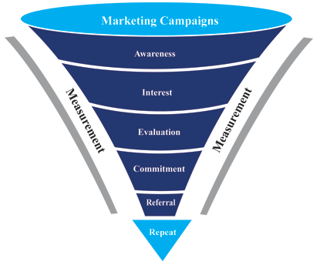
Values in grey cells are automatically calculated using predefined formula, no alterations required.

Line Item | Beginning of Year
Inventory | $12,500
Total assets | $120,000
Owners' equity | $29,000
Number of common shares | $25,000

Line Item | Q1 | Q2 | Q3 | Q4 | Annual | Column1 | Column2 | Column3 | Column4
Current assets | 45,000 | 46,000 | 46,500 | 56,000 | $193,500 | 1
Total assets | 125,000 | 126,000 | 126,500 | 136,000 | $513,500 | 3
Average total assets | 122,500 | 123,000 | 123,250 | 128,000 | $496,750 | Total |  |  | 0
Cash and cash equivalents | 15,000 | 18,000 | 16,500 | 14,350 | $63,850
Inventory | 15,000 | 18,000 | 16,500 | 14,350 | $63,850
Average inventory | 13,750 | 15,250 | 14,500 | 13,425 | $56,925 | https://www.zkoss.org
Total assets |  |  |  | 125,000
Average total assets |  |  |  | 122,500
Cash and cash equivalents |  |  |  | 15,000
Inventory |  |  |  | 15,000
Average inventory |  |  |  | 13,750
Current liabilities | 23,000 | 25,000 | 22,500 | 25,600 | $96,100
Total liabilities | 125,000 | 125,000 | 125,000 | 110,000 | $485,000
Owners' equity | 28,000 | 30,900 | 32,000 | 26,000 | $116,900
Number of common shares | 25,000 | 25,000 | 25,000 | 25,000 | $100,000
Average number of common shares | 25,000 | 25,000 | 25,000 | 25,000 | $100,000
Average owners' equity | 28,500 | 29,950 | 30,500 | 27,500 | $116,450
Market price per share | 10.00 | 10.00 | 10.00 | 10.00 | $40
Cash flow | 175,000 | 186,000 | 169,000 | 155,000 | $685,000
Cash flow per share | 7.00 | 7.44 | 6.76 | 6.20 | $27
Dividends paid | 5,000 | 5,000 | 5,000 | 5,000 | $20,000

Total sales | 145,000 | 156,000 | 135,600 | 125,000 | $561,600
Operating expenses | 68,000 | 68,000 | 68,000 | 68,000 | $272,000
Operating income | 77,000 | 88,000 | 67,600 | 57,000 | $289,600
Advertising expense | 18,000 | 18,000 | 18,000 | 18,000 | $72,000
Marketing expense | 11,000 | 11,000 | 11,000 | 11,000 | $44,000
Earnings before interest and taxes | 132,000 | 127,000 | 114,500 | 98,000 | $471,500
Interest expense | 24,000 | 24,000 | 24,000 | 24,000 | $96,000
Net income | 89,000 | 87,000 | 95,000 | 65,000 | $336,000

Total loan | 25,000 | 24,000 | 23,000 | 22,000 | $94,000
Value of collateral or property | 65,000 | 65,000 | 65,000 | 65,000 | $260,000

