3.4.4
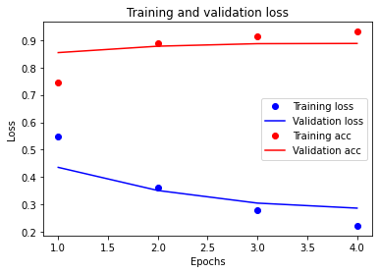
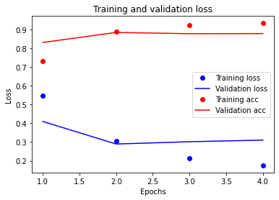
layers | hidden layers | epochs | bce | layers | hidden layers | epochs | bce | layers | hidden layers | epochs | bce | layers | hidden layers | epochs | bce | layers | hidden layers | epochs | bce
2 | 16 | 4 | relu | 1 | 16 | 4 | relu | 3 | 16 | 4 | relu | 3 | 16 | 20 | relu | 1 | 16 | 8 | relu
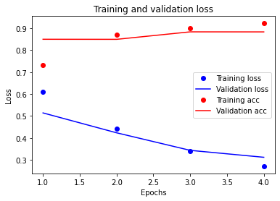
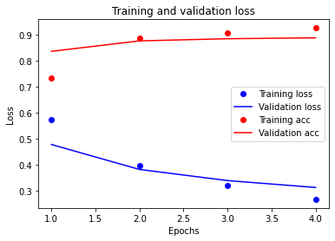
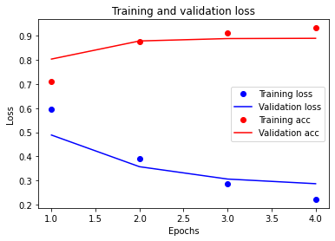
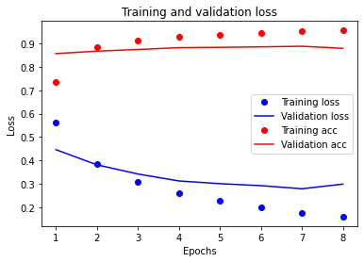

layers | hidden layers | epochs | mse | layers | hidden layers | epochs | mse |  |  |  |  |  |  |  |  | layers | hidden layers | epochs | mse
2 | 16 | 4 | relu | 1 | 16 | 4 | relu |  |  |  |  |  |  |  |  | 1 | 16 | 8 | relu
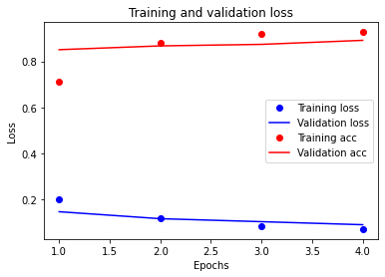
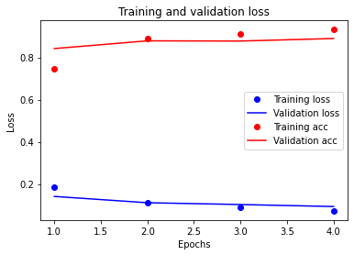
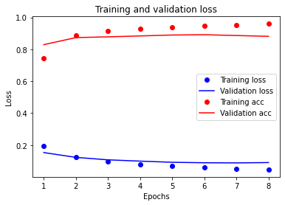

layers | hidden layers | epochs | bce | layers | hidden layers | epochs | bce
2 | 16 | 4 | tanh | 2 | 64 | 4 | relu

