Sheet1
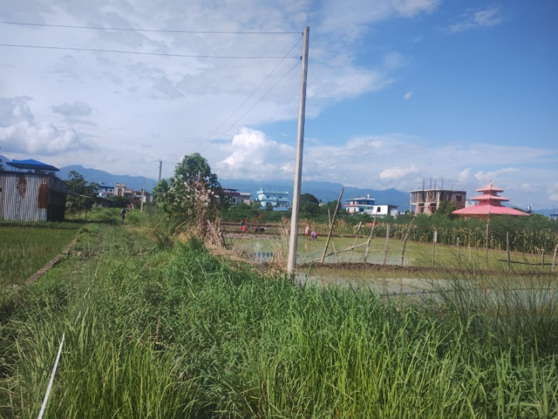
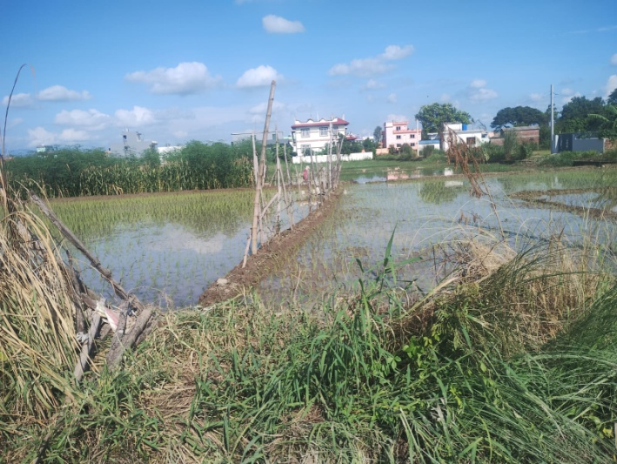
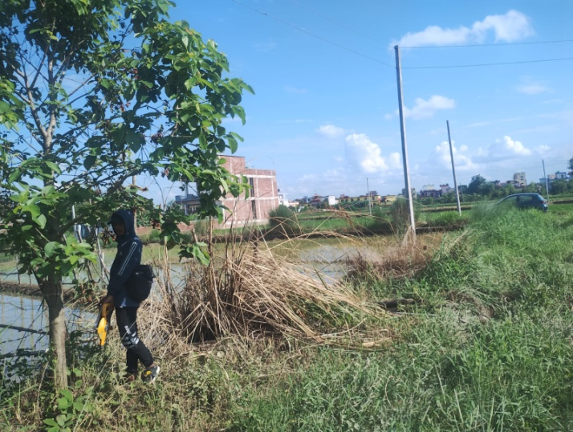
Owner : Mrs. Bhagirathi Subedi |  | Property with plot No.-5-Ka/ 2405

South-West pictorial view of Land along Earthen Road at Tilottama Municipality, Ward No.-5, Saraswati Path, Manigram, Rupandehi | West pictorial view of Land along Earthen Road at Tilottama Municipality, Ward No.-5, Saraswati Path, Manigram, Rupandehi |  |  | North-West pictorial view of Land along Earthen Road at Tilottama Municipality, Ward No.-5, Saraswati Path, Manigram, Rupandehi

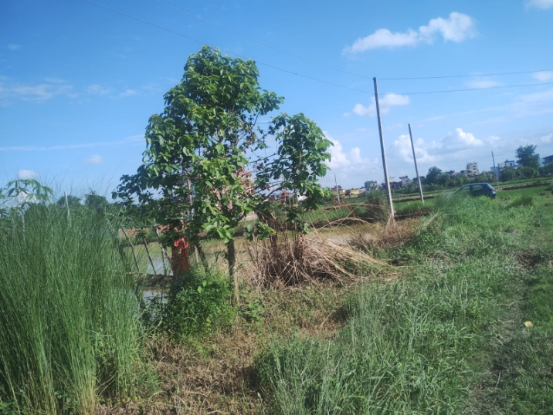
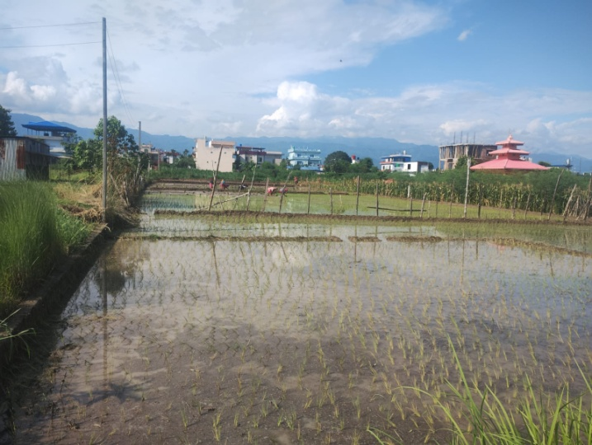


North-West pictorial view of Land along Earthen Road at Tilottama Municipality, Ward No.-5, Saraswati Path, Manigram, Rupandehi | South pictorial view of Land along Earthen Road at Tilottama Municipality, Ward No.-5, Saraswati Path, Manigram, Rupandehi |  | West pictorial view of Land along Earthen Road at Tilottama Municipality, Ward No.-5, Saraswati Path, Manigram, Rupandehi

