Sheet1
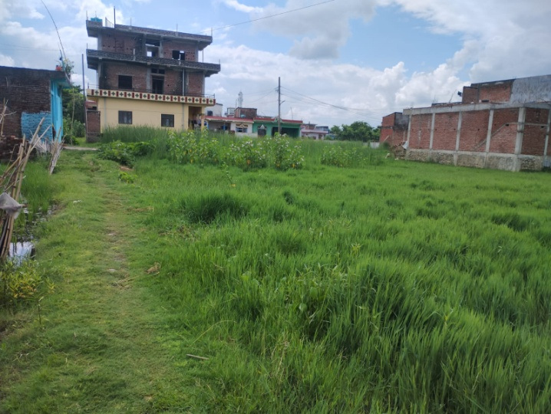
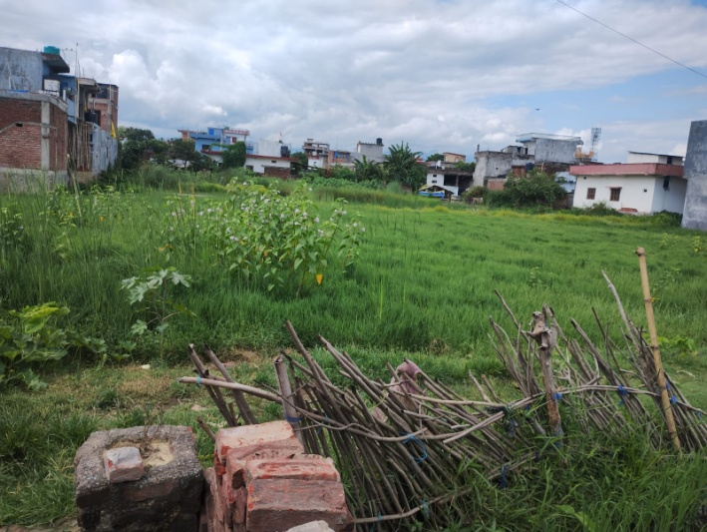
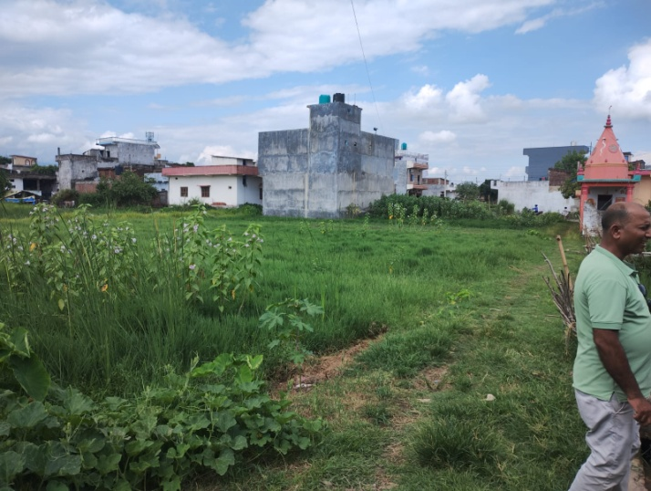
Owner : Mrs. Bhagirathi Subedi |  | Property with plot No.-1-Ka/ 1878

South-East pictorial view of Land along Earthen Road at Ramgram Municipality, Ward No.-5, Drivertole, Parasi, Nawalparasi | South pictorial view of Land along Earthen Road at Ramgram Municipality, Ward No.-5, Drivertole, Parasi, Nawalparasi |  |  | South-West pictorial view of Land along Earthen Road at Ramgram Municipality, Ward No.-5, Drivertole, Parasi, Nawalparasi

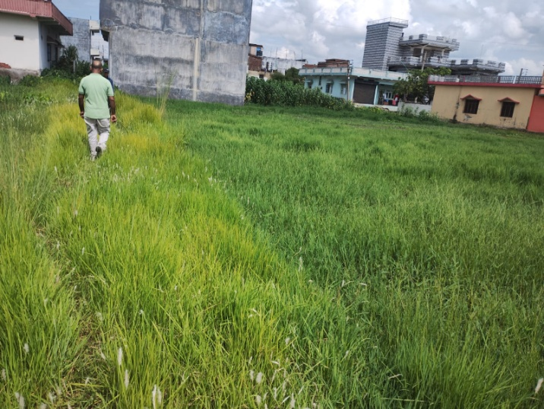
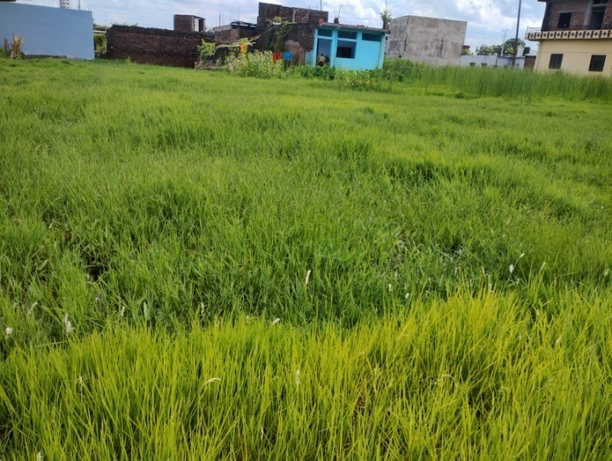
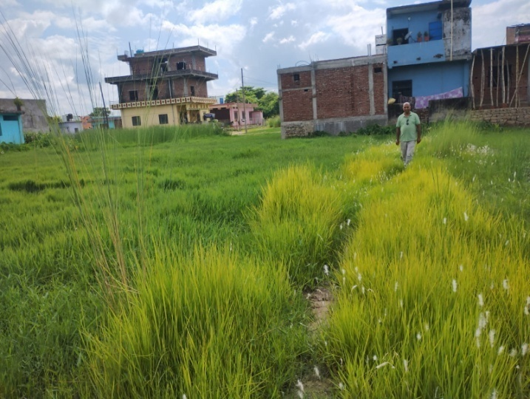

North-West pictorial view of Land along Earthen Road at Ramgram Municipality, Ward No.-5, Drivertole, Parasi, Nawalparasi | North pictorial view of Land along Earthen Road at Ramgram Municipality, Ward No.-5, Drivertole, Parasi, Nawalparasi |  | North-East pictorial view of Land along Earthen Road at Ramgram Municipality, Ward No.-5, Drivertole, Parasi, Nawalparasi

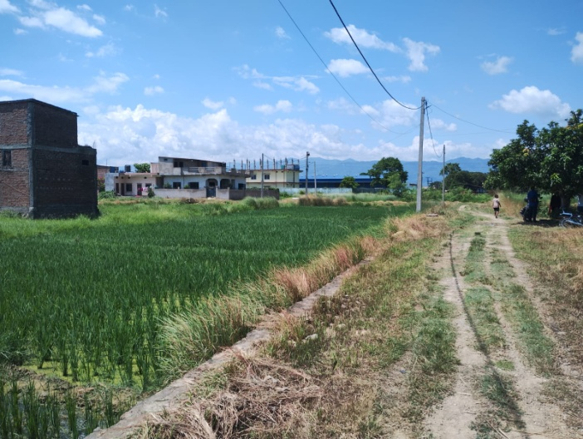
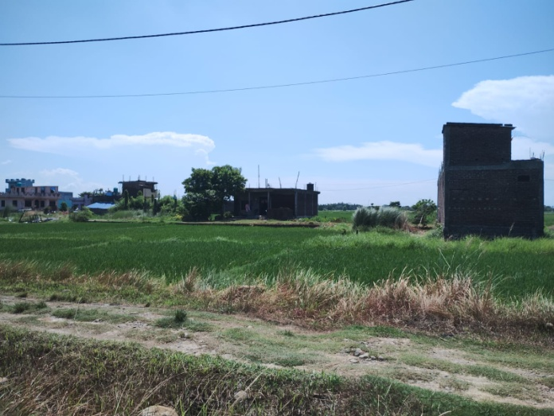
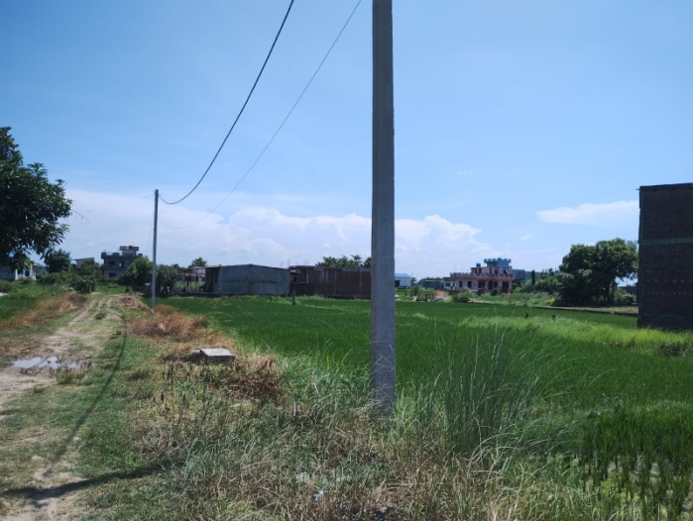
Owner : Mrs. Bhagirathi Subedi |  | Property with plot No.-3/ 1798 & 1796

South-East pictorial view of Land along Earthen Road at Ramgram Municipality, Ward No.-1, Nilo Gate, Parasi, Nawalparasi | East pictorial view of Land along Earthen Road at Ramgram Municipality, Ward No.-1, Nilo Gate, Parasi, Nawalparasi |  |  | North-East pictorial view of Land along Earthen Road at Ramgram Municipality, Ward No.-1, Nilo Gate, Parasi, Nawalparasi

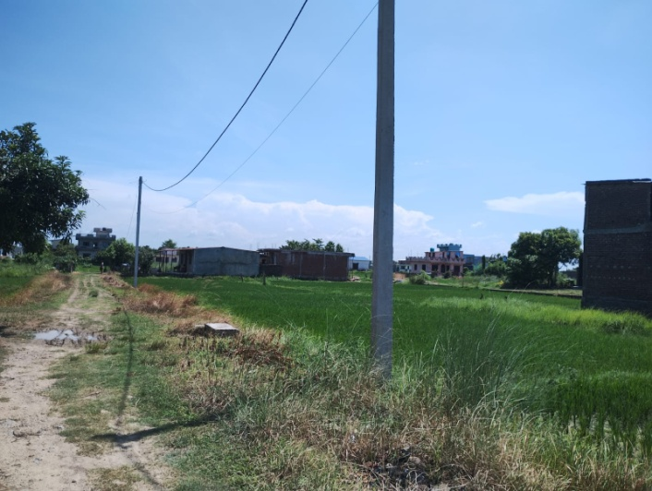
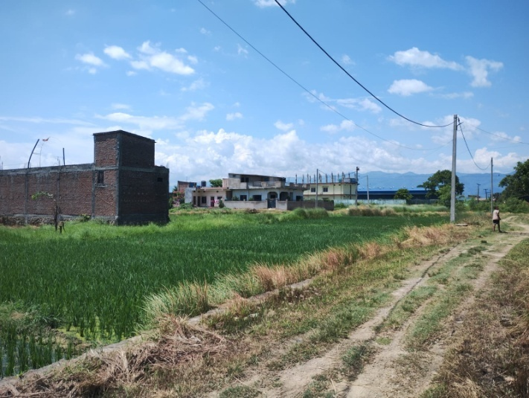
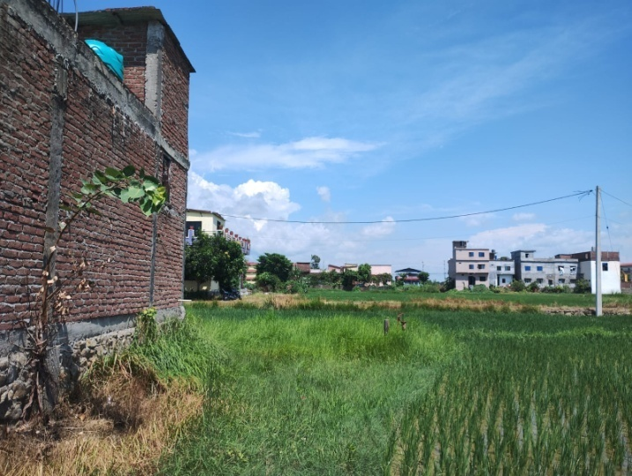

North-East pictorial view of Land along Earthen Road at Ramgram Municipality, Ward No.-1, Nilo Gate, Parasi, Nawalparasi | South-East pictorial view of Land along Earthen Road at Ramgram Municipality, Ward No.-1, Nilo Gate, Parasi, Nawalparasi |  | West pictorial view of Land along Earthen Road at Ramgram Municipality, Ward No.-1, Nilo Gate, Parasi, Nawalparasi

